MVP _multivariate
Reported by Tex Li-Hsing Chi. tex@gate.sinica.edu.tw 2019-08-17

Table 2. The clinicopathological features of HNSCC cohort and MVP expression. (Chi square test)
Cutoff at -0.417 (33.8%)
 |  | MVP expression |  | MVP expression |  | (Optimised)
 | Features | Low | (%) | High | (%) | Case no | P-value | Remark | Matthews
Gender | Female | 111 | 26.7 | 195 | 47 | 415 | 0.0863 | 0 | 0
2 | Male | 29 | 7 | 80 | 19.3
Age at diagnosis | <=65y | 96 | 23.1 | 178 | 42.9 | 415 | 0.5015 | 0 | 0
4 | >65y | 44 | 10.6 | 97 | 23.4
Clinical T Status | T1+T2 | 49 | 11.8 | 100 | 24.1 | 415 | 0.8685 | 0 | 0
6 | T3+T4 | 91 | 21.9 | 175 | 42.2
Clinical N Status | N0 | 70 | 16.9 | 146 | 35.2 | 415 | 0.6227 | 0 | 0
8 | N1-3 | 70 | 16.9 | 129 | 31.1
Clinical M Status | M0 | 140 | 33.7 | 272 | 65.5 | 415 | 0.554 | 0 | 0
10 | M1 | 0 | 0 | 3 | 0.7
Clinical Stage | Stage I+II | 29 | 7 | 73 | 17.6 | 415 | 0.2364 | 0 | 0
12 | Stage III+IV | 111 | 26.7 | 202 | 48.7
Surgical Margin status | Negative | 107 | 25.8 | 211 | 50.8 | 415 | 1 | 0 | 0
14 | Positive | 33 | 8 | 64 | 15.4
Tobacco Exposure | Low | 39 | 9.4 | 122 | 29.4 | 415 | 0.0013 | 1 | 0
16 | High | 101 | 24.3 | 153 | 36.9

Table 3. Univariate/Multivariate Cox's proportional hazards regression analyses on OS time of MVP gene expression in HNSCC

 |  | Univariate |  |  |  | Multivariate
 | Features | HR | CI95%(L) | CI95%(H) | P-value | HR | CI95%(L) | CI95%(H) | P-value
1 | Female | 1 |  |  |  | 1
Gender | Male | 1.157 | 0.843 | 1.587 | 0.367 | 1.172 | 0.839 | 1.638 | 0.352
11 | <=65y | 1 |  |  |  | 1
Age at diagnosis | >65y | 1.329 | 0.99 | 1.784 | 0.058 | 1.395 | 1.025 | 1.897 | 0.034
12 | T1+T2 | 1 |  |  |  | 1
Clinical T Status | T3+T4 | 1.409 | 1.028 | 1.931 | 0.033 | 2.06 | 1.087 | 3.903 | 0.027
13 | N0 | 1 |  |  |  | 1
Clinical N Status | N1-3 | 1.185 | 0.89 | 1.577 | 0.246 | 1.215 | 0.852 | 1.732 | 0.283
14 | M0 | 1 |  |  |  | 1
Clinical M Status | M1 | 4.097 | 1.009 | 16.644 | 0.049 | 7.905 | 1.714 | 36.462 | 0.008
15 | Stage I+II | 1 |  |  |  | 1
Clinical Stage | Stage III+IV | 1.245 | 0.882 | 1.759 | 0.213 | 0.559 | 0.259 | 1.206 | 0.138
16 | Negative | 1 |  |  |  | 1
Surgical Margin status | Positive | 1.591 | 1.155 | 2.191 | 0.004 | 1.623 | 1.174 | 2.243 | 0.003
17 | Low | 1 |  |  |  | 1
Tobacco Exposure | High | 1.364 | 1.008 | 1.844 | 0.044 | 1.52 | 1.099 | 2.102 | 0.011
18 | Low | 1 |  |  |  | 1
RNAseq(z-score) | High | 1.439 | 1.041 | 1.988 | 0.027 | 1.426 | 1.023 | 1.987 | 0.036

Table 4. Univariate/Multivariate Cox's proportional hazards regression analyses on RFS time of MVP gene expression in HNSCC

 |  | Univariate |  |  |  | Multivariate
 | Features | HR | CI95%(L) | CI95%(H) | P-value | HR | CI95%(L) | CI95%(H) | P-value
1 | Female | 1 |  |  |  | 1
Gender | Male | 1.157 | 0.843 | 1.587 | 0.367 | 1.172 | 0.839 | 1.638 | 0.352
11 | <=65y | 1 |  |  |  | 1
Age at diagnosis | >65y | 1.329 | 0.99 | 1.784 | 0.058 | 1.395 | 1.025 | 1.897 | 0.034
12 | T1+T2 | 1 |  |  |  | 1
Clinical T Status | T3+T4 | 1.409 | 1.028 | 1.931 | 0.033 | 2.06 | 1.087 | 3.903 | 0.027
13 | N0 | 1 |  |  |  | 1
Clinical N Status | N1-3 | 1.185 | 0.89 | 1.577 | 0.246 | 1.215 | 0.852 | 1.732 | 0.283
14 | M0 | 1 |  |  |  | 1
Clinical M Status | M1 | 4.097 | 1.009 | 16.644 | 0.049 | 7.905 | 1.714 | 36.462 | 0.008
15 | Stage I+II | 1 |  |  |  | 1
Clinical Stage | Stage III+IV | 1.245 | 0.882 | 1.759 | 0.213 | 0.559 | 0.259 | 1.206 | 0.138
16 | Negative | 1 |  |  |  | 1
Surgical Margin status | Positive | 1.591 | 1.155 | 2.191 | 0.004 | 1.623 | 1.174 | 2.243 | 0.003
17 | Low | 1 |  |  |  | 1
Tobacco Exposure | High | 1.364 | 1.008 | 1.844 | 0.044 | 1.52 | 1.099 | 2.102 | 0.011
18 | Low | 1 |  |  |  | 1
RNAseq(z-score) | High | 1.439 | 1.041 | 1.988 | 0.027 | 1.426 | 1.023 | 1.987 | 0.036

Kaplan-Meier survival estimate: Cutoff at -0.417 (33.8%)

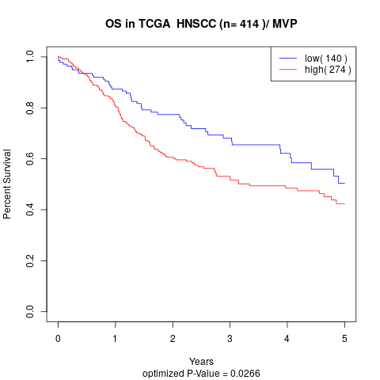

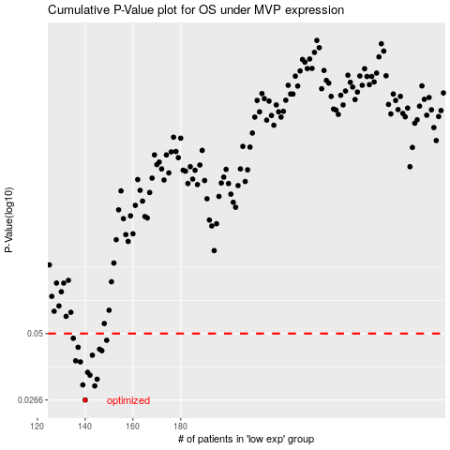

 |  |  |  |  |  | cases_OS | p_OS | rank | exp
 |  |  |  |  |  | 140 | 0.0266 | 325 | -0.41727154494
 |  |  |  |  |  | 144 | 0.0304 | 212 | -0.39723114378
 |  |  |  |  |  | 139 | 0.0307 | 269 | -0.42005866867
 |  |  |  |  |  | 145 | 0.0324 | 137 | -0.39010048916
 |  |  |  |  |  | 142 | 0.0337 | 87 | -0.39983963817
 |  |  |  |  |  | 141 | 0.0346 | 25 | -0.40123637151
 |  |  |  |  |  | 138 | 0.0382 | 327 | -0.42349156388
 |  |  |  |  |  | 136 | 0.0386 | 226 | -0.42695683383
 |  |  |  |  |  | 143 | 0.0407 | 321 | -0.39810826812
 |  |  |  |  |  | 147 | 0.0425 | 65 | -0.38073451122
 |  |  |  |  |  | 146 | 0.0431 | 154 | -0.38826418537
 |  |  |  |  |  | 137 | 0.0439 | 194 | -0.42501255315
 |  |  |  |  |  | 149 | 0.0469 | 62 | -0.36528736271
 |  |  |  |  |  | 135 | 0.0478 | 130 | -0.43032637282
 |  |  |  |  |  |  | cases_RFS | p_RFS | rank | exp
 |  |  |  |  |  |  | 139 | 0.0266 | 269 | -0.42005866867
 |  |  |  |  |  |  | 143 | 0.0304 | 321 | -0.39810826812
 |  |  |  |  |  |  | 138 | 0.0307 | 327 | -0.42349156388
 |  |  |  |  |  |  | 144 | 0.0324 | 212 | -0.39723114378
 |  |  |  |  |  |  | 141 | 0.0337 | 25 | -0.40123637151
 |  |  |  |  |  |  | 140 | 0.0346 | 325 | -0.41727154494
 |  |  |  |  |  |  | 137 | 0.0382 | 194 | -0.42501255315
 |  |  |  |  |  |  | 135 | 0.0386 | 130 | -0.43032637282
 |  |  |  |  |  |  | 142 | 0.0407 | 87 | -0.39983963817
 |  |  |  |  |  |  | 146 | 0.0425 | 154 | -0.38826418537
 |  |  |  |  |  |  | 145 | 0.0431 | 137 | -0.39010048916
 |  |  |  |  |  |  | 136 | 0.0439 | 226 | -0.42695683383
 |  |  |  |  |  |  | 148 | 0.0469 | 268 | -0.36938813808
 |  |  |  |  |  |  | 134 | 0.0478 | 41 | -0.43078625539

