MX2 _multivariate
Reported by Tex Li-Hsing Chi. tex@gate.sinica.edu.tw 2019-08-17

Table 2. The clinicopathological features of HNSCC cohort and MX2 expression. (Chi square test)
Cutoff at -0.27 (50.0%)
 |  | MX2 expression |  | MX2 expression |  | (Optimised)
 | Features | Low | (%) | High | (%) | Case no | P-value | Remark | Matthews
Gender | Female | 168 | 40.5 | 138 | 33.3 | 415 | 9e-04 | 1 | 0
2 | Male | 39 | 9.4 | 70 | 16.9
Age at diagnosis | <=65y | 139 | 33.5 | 135 | 32.5 | 415 | 0.7044 | 0 | 0
4 | >65y | 68 | 16.4 | 73 | 17.6
Clinical T Status | T1+T2 | 75 | 18.1 | 74 | 17.8 | 415 | 0.9707 | 0 | 0
6 | T3+T4 | 132 | 31.8 | 134 | 32.3
Clinical N Status | N0 | 109 | 26.3 | 107 | 25.8 | 415 | 0.8812 | 0 | 0
8 | N1-3 | 98 | 23.6 | 101 | 24.3
Clinical M Status | M0 | 206 | 49.6 | 206 | 49.6 | 415 | 1 | 0 | 0
10 | M1 | 1 | 0.2 | 2 | 0.5
Clinical Stage | Stage I+II | 49 | 11.8 | 53 | 12.8 | 415 | 0.7535 | 0 | 0
12 | Stage III+IV | 158 | 38.1 | 155 | 37.3
Surgical Margin status | Negative | 157 | 37.8 | 161 | 38.8 | 415 | 0.729 | 0 | 0
14 | Positive | 50 | 12 | 47 | 11.3
Tobacco Exposure | Low | 66 | 15.9 | 95 | 22.9 | 415 | 0.0048 | 1 | 0
16 | High | 141 | 34 | 113 | 27.2

Table 3. Univariate/Multivariate Cox's proportional hazards regression analyses on OS time of MX2 gene expression in HNSCC

 |  | Univariate |  |  |  | Multivariate
 | Features | HR | CI95%(L) | CI95%(H) | P-value | HR | CI95%(L) | CI95%(H) | P-value
1 | Female | 1 |  |  |  | 1
Gender | Male | 1.157 | 0.843 | 1.587 | 0.367 | 1.19 | 0.85 | 1.667 | 0.311
11 | <=65y | 1 |  |  |  | 1
Age at diagnosis | >65y | 1.329 | 0.99 | 1.784 | 0.058 | 1.395 | 1.026 | 1.897 | 0.034
12 | T1+T2 | 1 |  |  |  | 1
Clinical T Status | T3+T4 | 1.409 | 1.028 | 1.931 | 0.033 | 2.18 | 1.15 | 4.13 | 0.017
13 | N0 | 1 |  |  |  | 1
Clinical N Status | N1-3 | 1.185 | 0.89 | 1.577 | 0.246 | 1.236 | 0.866 | 1.764 | 0.244
14 | M0 | 1 |  |  |  | 1
Clinical M Status | M1 | 4.097 | 1.009 | 16.644 | 0.049 | 9.143 | 1.984 | 42.131 | 0.005
15 | Stage I+II | 1 |  |  |  | 1
Clinical Stage | Stage III+IV | 1.245 | 0.882 | 1.759 | 0.213 | 0.511 | 0.237 | 1.099 | 0.086
16 | Negative | 1 |  |  |  | 1
Surgical Margin status | Positive | 1.591 | 1.155 | 2.191 | 0.004 | 1.673 | 1.211 | 2.312 | 0.002
17 | Low | 1 |  |  |  | 1
Tobacco Exposure | High | 1.364 | 1.008 | 1.844 | 0.044 | 1.464 | 1.061 | 2.021 | 0.02
18 | Low | 1 |  |  |  | 1
RNAseq(z-score) | High | 1.105 | 0.829 | 1.472 | 0.496 | 1.068 | 0.796 | 1.433 | 0.66

Table 4. Univariate/Multivariate Cox's proportional hazards regression analyses on RFS time of MX2 gene expression in HNSCC

 |  | Univariate |  |  |  | Multivariate
 | Features | HR | CI95%(L) | CI95%(H) | P-value | HR | CI95%(L) | CI95%(H) | P-value
1 | Female | 1 |  |  |  | 1
Gender | Male | 1.157 | 0.843 | 1.587 | 0.367 | 1.19 | 0.85 | 1.667 | 0.311
11 | <=65y | 1 |  |  |  | 1
Age at diagnosis | >65y | 1.329 | 0.99 | 1.784 | 0.058 | 1.395 | 1.026 | 1.897 | 0.034
12 | T1+T2 | 1 |  |  |  | 1
Clinical T Status | T3+T4 | 1.409 | 1.028 | 1.931 | 0.033 | 2.18 | 1.15 | 4.13 | 0.017
13 | N0 | 1 |  |  |  | 1
Clinical N Status | N1-3 | 1.185 | 0.89 | 1.577 | 0.246 | 1.236 | 0.866 | 1.764 | 0.244
14 | M0 | 1 |  |  |  | 1
Clinical M Status | M1 | 4.097 | 1.009 | 16.644 | 0.049 | 9.143 | 1.984 | 42.131 | 0.005
15 | Stage I+II | 1 |  |  |  | 1
Clinical Stage | Stage III+IV | 1.245 | 0.882 | 1.759 | 0.213 | 0.511 | 0.237 | 1.099 | 0.086
16 | Negative | 1 |  |  |  | 1
Surgical Margin status | Positive | 1.591 | 1.155 | 2.191 | 0.004 | 1.673 | 1.211 | 2.312 | 0.002
17 | Low | 1 |  |  |  | 1
Tobacco Exposure | High | 1.364 | 1.008 | 1.844 | 0.044 | 1.464 | 1.061 | 2.021 | 0.02
18 | Low | 1 |  |  |  | 1
RNAseq(z-score) | High | 1.105 | 0.829 | 1.472 | 0.496 | 1.068 | 0.796 | 1.433 | 0.66

Kaplan-Meier survival estimate: Cutoff at -0.27 (50.0%)



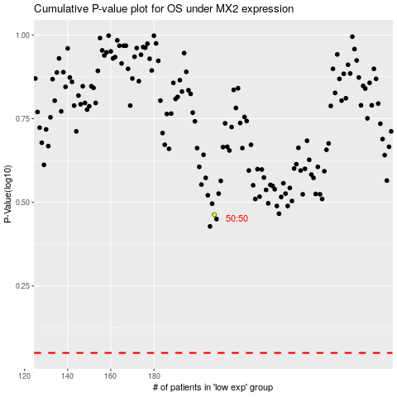

 |  |  |  |  |  | cases_OS | p_OS | rank | exp
 |  |  |  |  |  |  | cases_RFS | p_RFS | rank | exp

