MXD1 _multivariate
Reported by Tex Li-Hsing Chi. tex@gate.sinica.edu.tw 2019-08-17

Table 2. The clinicopathological features of HNSCC cohort and MXD1 expression. (Chi square test)
Cutoff at -0.283 (50.0%)
 |  | MXD1 expression |  | MXD1 expression |  | (Optimised)
 | Features | Low | (%) | High | (%) | Case no | P-value | Remark | Matthews
Gender | Female | 159 | 38.3 | 147 | 35.4 | 415 | 0.1905 | 0 | 0
2 | Male | 48 | 11.6 | 61 | 14.7
Age at diagnosis | <=65y | 143 | 34.5 | 131 | 31.6 | 415 | 0.2269 | 0 | 0
4 | >65y | 64 | 15.4 | 77 | 18.6
Clinical T Status | T1+T2 | 86 | 20.7 | 63 | 15.2 | 415 | 0.0221 | 1 | 0
6 | T3+T4 | 121 | 29.2 | 145 | 34.9
Clinical N Status | N0 | 102 | 24.6 | 114 | 27.5 | 415 | 0.3031 | 0 | 0
8 | N1-3 | 105 | 25.3 | 94 | 22.7
Clinical M Status | M0 | 207 | 49.9 | 205 | 49.4 | 415 | 0.2482 | 0 | 0
10 | M1 | 0 | 0 | 3 | 0.7
Clinical Stage | Stage I+II | 57 | 13.7 | 45 | 10.8 | 415 | 0.1998 | 0 | 0
12 | Stage III+IV | 150 | 36.1 | 163 | 39.3
Surgical Margin status | Negative | 150 | 36.1 | 168 | 40.5 | 415 | 0.0492 | 1 | 0
14 | Positive | 57 | 13.7 | 40 | 9.6
Tobacco Exposure | Low | 76 | 18.3 | 85 | 20.5 | 415 | 0.4207 | 0 | 0
16 | High | 131 | 31.6 | 123 | 29.6

Table 3. Univariate/Multivariate Cox's proportional hazards regression analyses on OS time of MXD1 gene expression in HNSCC

 |  | Univariate |  |  |  | Multivariate
 | Features | HR | CI95%(L) | CI95%(H) | P-value | HR | CI95%(L) | CI95%(H) | P-value
1 | Female | 1 |  |  |  | 1
Gender | Male | 1.157 | 0.843 | 1.587 | 0.367 | 1.206 | 0.863 | 1.686 | 0.273
11 | <=65y | 1 |  |  |  | 1
Age at diagnosis | >65y | 1.329 | 0.99 | 1.784 | 0.058 | 1.395 | 1.026 | 1.897 | 0.034
12 | T1+T2 | 1 |  |  |  | 1
Clinical T Status | T3+T4 | 1.409 | 1.028 | 1.931 | 0.033 | 2.216 | 1.171 | 4.195 | 0.015
13 | N0 | 1 |  |  |  | 1
Clinical N Status | N1-3 | 1.185 | 0.89 | 1.577 | 0.246 | 1.235 | 0.865 | 1.764 | 0.245
14 | M0 | 1 |  |  |  | 1
Clinical M Status | M1 | 4.097 | 1.009 | 16.644 | 0.049 | 9.713 | 2.093 | 45.066 | 0.004
15 | Stage I+II | 1 |  |  |  | 1
Clinical Stage | Stage III+IV | 1.245 | 0.882 | 1.759 | 0.213 | 0.505 | 0.235 | 1.083 | 0.079
16 | Negative | 1 |  |  |  | 1
Surgical Margin status | Positive | 1.591 | 1.155 | 2.191 | 0.004 | 1.664 | 1.203 | 2.302 | 0.002
17 | Low | 1 |  |  |  | 1
Tobacco Exposure | High | 1.364 | 1.008 | 1.844 | 0.044 | 1.447 | 1.049 | 1.995 | 0.024
18 | Low | 1 |  |  |  | 1
RNAseq(z-score) | High | 0.961 | 0.722 | 1.28 | 0.787 | 0.952 | 0.71 | 1.277 | 0.743

Table 4. Univariate/Multivariate Cox's proportional hazards regression analyses on RFS time of MXD1 gene expression in HNSCC

 |  | Univariate |  |  |  | Multivariate
 | Features | HR | CI95%(L) | CI95%(H) | P-value | HR | CI95%(L) | CI95%(H) | P-value
1 | Female | 1 |  |  |  | 1
Gender | Male | 1.157 | 0.843 | 1.587 | 0.367 | 1.206 | 0.863 | 1.686 | 0.273
11 | <=65y | 1 |  |  |  | 1
Age at diagnosis | >65y | 1.329 | 0.99 | 1.784 | 0.058 | 1.395 | 1.026 | 1.897 | 0.034
12 | T1+T2 | 1 |  |  |  | 1
Clinical T Status | T3+T4 | 1.409 | 1.028 | 1.931 | 0.033 | 2.216 | 1.171 | 4.195 | 0.015
13 | N0 | 1 |  |  |  | 1
Clinical N Status | N1-3 | 1.185 | 0.89 | 1.577 | 0.246 | 1.235 | 0.865 | 1.764 | 0.245
14 | M0 | 1 |  |  |  | 1
Clinical M Status | M1 | 4.097 | 1.009 | 16.644 | 0.049 | 9.713 | 2.093 | 45.066 | 0.004
15 | Stage I+II | 1 |  |  |  | 1
Clinical Stage | Stage III+IV | 1.245 | 0.882 | 1.759 | 0.213 | 0.505 | 0.235 | 1.083 | 0.079
16 | Negative | 1 |  |  |  | 1
Surgical Margin status | Positive | 1.591 | 1.155 | 2.191 | 0.004 | 1.664 | 1.203 | 2.302 | 0.002
17 | Low | 1 |  |  |  | 1
Tobacco Exposure | High | 1.364 | 1.008 | 1.844 | 0.044 | 1.447 | 1.049 | 1.995 | 0.024
18 | Low | 1 |  |  |  | 1
RNAseq(z-score) | High | 0.961 | 0.722 | 1.28 | 0.787 | 0.952 | 0.71 | 1.277 | 0.743

Kaplan-Meier survival estimate: Cutoff at -0.283 (50.0%)



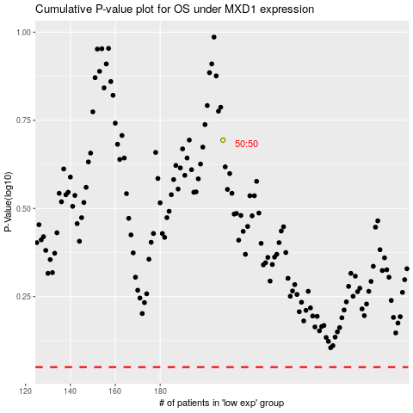

 |  |  |  |  |  | cases_OS | p_OS | rank | exp
 |  |  |  |  |  |  | cases_RFS | p_RFS | rank | exp

