MXD3 _multivariate
Reported by Tex Li-Hsing Chi. tex@gate.sinica.edu.tw 2019-08-17

Table 2. The clinicopathological features of HNSCC cohort and MXD3 expression. (Chi square test)
Cutoff at -0.281 (50.0%)
 |  | MXD3 expression |  | MXD3 expression |  | (Optimised)
 | Features | Low | (%) | High | (%) | Case no | P-value | Remark | Matthews
Gender | Female | 156 | 37.6 | 150 | 36.1 | 415 | 0.5222 | 0 | 0
2 | Male | 51 | 12.3 | 58 | 14
Age at diagnosis | <=65y | 140 | 33.7 | 134 | 32.3 | 415 | 0.5574 | 0 | 0
4 | >65y | 67 | 16.1 | 74 | 17.8
Clinical T Status | T1+T2 | 67 | 16.1 | 82 | 19.8 | 415 | 0.1628 | 0 | 0
6 | T3+T4 | 140 | 33.7 | 126 | 30.4
Clinical N Status | N0 | 109 | 26.3 | 107 | 25.8 | 415 | 0.8812 | 0 | 0
8 | N1-3 | 98 | 23.6 | 101 | 24.3
Clinical M Status | M0 | 207 | 49.9 | 205 | 49.4 | 415 | 0.2482 | 0 | 0
10 | M1 | 0 | 0 | 3 | 0.7
Clinical Stage | Stage I+II | 49 | 11.8 | 53 | 12.8 | 415 | 0.7535 | 0 | 0
12 | Stage III+IV | 158 | 38.1 | 155 | 37.3
Surgical Margin status | Negative | 168 | 40.5 | 150 | 36.1 | 415 | 0.0366 | 1 | 0
14 | Positive | 39 | 9.4 | 58 | 14
Tobacco Exposure | Low | 69 | 16.6 | 92 | 22.2 | 415 | 0.0266 | 1 | 0
16 | High | 138 | 33.3 | 116 | 28

Table 3. Univariate/Multivariate Cox's proportional hazards regression analyses on OS time of MXD3 gene expression in HNSCC

 |  | Univariate |  |  |  | Multivariate
 | Features | HR | CI95%(L) | CI95%(H) | P-value | HR | CI95%(L) | CI95%(H) | P-value
1 | Female | 1 |  |  |  | 1
Gender | Male | 1.157 | 0.843 | 1.587 | 0.367 | 1.221 | 0.873 | 1.707 | 0.243
11 | <=65y | 1 |  |  |  | 1
Age at diagnosis | >65y | 1.329 | 0.99 | 1.784 | 0.058 | 1.41 | 1.036 | 1.917 | 0.029
12 | T1+T2 | 1 |  |  |  | 1
Clinical T Status | T3+T4 | 1.409 | 1.028 | 1.931 | 0.033 | 2.137 | 1.129 | 4.048 | 0.02
13 | N0 | 1 |  |  |  | 1
Clinical N Status | N1-3 | 1.185 | 0.89 | 1.577 | 0.246 | 1.235 | 0.865 | 1.763 | 0.245
14 | M0 | 1 |  |  |  | 1
Clinical M Status | M1 | 4.097 | 1.009 | 16.644 | 0.049 | 10.38 | 2.249 | 47.894 | 0.003
15 | Stage I+II | 1 |  |  |  | 1
Clinical Stage | Stage III+IV | 1.245 | 0.882 | 1.759 | 0.213 | 0.519 | 0.241 | 1.114 | 0.092
16 | Negative | 1 |  |  |  | 1
Surgical Margin status | Positive | 1.591 | 1.155 | 2.191 | 0.004 | 1.746 | 1.256 | 2.426 | 0.001
17 | Low | 1 |  |  |  | 1
Tobacco Exposure | High | 1.364 | 1.008 | 1.844 | 0.044 | 1.418 | 1.028 | 1.957 | 0.033
18 | Low | 1 |  |  |  | 1
RNAseq(z-score) | High | 0.842 | 0.632 | 1.122 | 0.24 | 0.803 | 0.596 | 1.084 | 0.152

Table 4. Univariate/Multivariate Cox's proportional hazards regression analyses on RFS time of MXD3 gene expression in HNSCC

 |  | Univariate |  |  |  | Multivariate
 | Features | HR | CI95%(L) | CI95%(H) | P-value | HR | CI95%(L) | CI95%(H) | P-value
1 | Female | 1 |  |  |  | 1
Gender | Male | 1.157 | 0.843 | 1.587 | 0.367 | 1.221 | 0.873 | 1.707 | 0.243
11 | <=65y | 1 |  |  |  | 1
Age at diagnosis | >65y | 1.329 | 0.99 | 1.784 | 0.058 | 1.41 | 1.036 | 1.917 | 0.029
12 | T1+T2 | 1 |  |  |  | 1
Clinical T Status | T3+T4 | 1.409 | 1.028 | 1.931 | 0.033 | 2.137 | 1.129 | 4.048 | 0.02
13 | N0 | 1 |  |  |  | 1
Clinical N Status | N1-3 | 1.185 | 0.89 | 1.577 | 0.246 | 1.235 | 0.865 | 1.763 | 0.245
14 | M0 | 1 |  |  |  | 1
Clinical M Status | M1 | 4.097 | 1.009 | 16.644 | 0.049 | 10.38 | 2.249 | 47.894 | 0.003
15 | Stage I+II | 1 |  |  |  | 1
Clinical Stage | Stage III+IV | 1.245 | 0.882 | 1.759 | 0.213 | 0.519 | 0.241 | 1.114 | 0.092
16 | Negative | 1 |  |  |  | 1
Surgical Margin status | Positive | 1.591 | 1.155 | 2.191 | 0.004 | 1.746 | 1.256 | 2.426 | 0.001
17 | Low | 1 |  |  |  | 1
Tobacco Exposure | High | 1.364 | 1.008 | 1.844 | 0.044 | 1.418 | 1.028 | 1.957 | 0.033
18 | Low | 1 |  |  |  | 1
RNAseq(z-score) | High | 0.842 | 0.632 | 1.122 | 0.24 | 0.803 | 0.596 | 1.084 | 0.152

Kaplan-Meier survival estimate: Cutoff at -0.281 (50.0%)



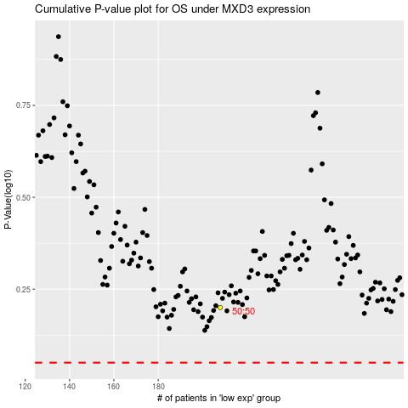

 |  |  |  |  |  | cases_OS | p_OS | rank | exp
 |  |  |  |  |  |  | cases_RFS | p_RFS | rank | exp

