MYADML2 _multivariate
Reported by Tex Li-Hsing Chi. tex@gate.sinica.edu.tw 2019-08-17

Table 2. The clinicopathological features of HNSCC cohort and MYADML2 expression. (Chi square test)
Cutoff at -0.211 (70.0%)
 |  | MYADML2 expression |  | MYADML2 expression |  | (Optimised)
 | Features | Low | (%) | High | (%) | Case no | P-value | Remark | Matthews
Gender | Female | 215 | 51.8 | 91 | 21.9 | 415 | 0.8709 | 0 | 0
2 | Male | 75 | 18.1 | 34 | 8.2
Age at diagnosis | <=65y | 181 | 43.6 | 93 | 22.4 | 415 | 0.0243 | 1 | 0
4 | >65y | 109 | 26.3 | 32 | 7.7
Clinical T Status | T1+T2 | 88 | 21.2 | 61 | 14.7 | 415 | 5e-04 | 1 | 0
6 | T3+T4 | 202 | 48.7 | 64 | 15.4
Clinical N Status | N0 | 154 | 37.1 | 62 | 14.9 | 415 | 0.5835 | 0 | 0
8 | N1-3 | 136 | 32.8 | 63 | 15.2
Clinical M Status | M0 | 287 | 69.2 | 125 | 30.1 | 415 | 0.5571 | 0 | 0
10 | M1 | 3 | 0.7 | 0 | 0
Clinical Stage | Stage I+II | 59 | 14.2 | 43 | 10.4 | 415 | 0.0034 | 1 | 0
12 | Stage III+IV | 231 | 55.7 | 82 | 19.8
Surgical Margin status | Negative | 223 | 53.7 | 95 | 22.9 | 415 | 0.8995 | 0 | 0
14 | Positive | 67 | 16.1 | 30 | 7.2
Tobacco Exposure | Low | 114 | 27.5 | 47 | 11.3 | 415 | 0.8263 | 0 | 0
16 | High | 176 | 42.4 | 78 | 18.8

Table 3. Univariate/Multivariate Cox's proportional hazards regression analyses on OS time of MYADML2 gene expression in HNSCC

 |  | Univariate |  |  |  | Multivariate
 | Features | HR | CI95%(L) | CI95%(H) | P-value | HR | CI95%(L) | CI95%(H) | P-value
1 | Female | 1 |  |  |  | 1
Gender | Male | 1.157 | 0.843 | 1.587 | 0.367 | 1.191 | 0.853 | 1.663 | 0.306
11 | <=65y | 1 |  |  |  | 1
Age at diagnosis | >65y | 1.329 | 0.99 | 1.784 | 0.058 | 1.487 | 1.088 | 2.033 | 0.013
12 | T1+T2 | 1 |  |  |  | 1
Clinical T Status | T3+T4 | 1.409 | 1.028 | 1.931 | 0.033 | 2.285 | 1.208 | 4.323 | 0.011
13 | N0 | 1 |  |  |  | 1
Clinical N Status | N1-3 | 1.185 | 0.89 | 1.577 | 0.246 | 1.193 | 0.835 | 1.705 | 0.332
14 | M0 | 1 |  |  |  | 1
Clinical M Status | M1 | 4.097 | 1.009 | 16.644 | 0.049 | 11.212 | 2.43 | 51.728 | 0.002
15 | Stage I+II | 1 |  |  |  | 1
Clinical Stage | Stage III+IV | 1.245 | 0.882 | 1.759 | 0.213 | 0.534 | 0.249 | 1.148 | 0.108
16 | Negative | 1 |  |  |  | 1
Surgical Margin status | Positive | 1.591 | 1.155 | 2.191 | 0.004 | 1.647 | 1.193 | 2.274 | 0.002
17 | Low | 1 |  |  |  | 1
Tobacco Exposure | High | 1.364 | 1.008 | 1.844 | 0.044 | 1.431 | 1.04 | 1.968 | 0.028
18 | Low | 1 |  |  |  | 1
RNAseq(z-score) | High | 1.393 | 1.033 | 1.878 | 0.03 | 1.541 | 1.129 | 2.104 | 0.006

Table 4. Univariate/Multivariate Cox's proportional hazards regression analyses on RFS time of MYADML2 gene expression in HNSCC

 |  | Univariate |  |  |  | Multivariate
 | Features | HR | CI95%(L) | CI95%(H) | P-value | HR | CI95%(L) | CI95%(H) | P-value
1 | Female | 1 |  |  |  | 1
Gender | Male | 1.157 | 0.843 | 1.587 | 0.367 | 1.191 | 0.853 | 1.663 | 0.306
11 | <=65y | 1 |  |  |  | 1
Age at diagnosis | >65y | 1.329 | 0.99 | 1.784 | 0.058 | 1.487 | 1.088 | 2.033 | 0.013
12 | T1+T2 | 1 |  |  |  | 1
Clinical T Status | T3+T4 | 1.409 | 1.028 | 1.931 | 0.033 | 2.285 | 1.208 | 4.323 | 0.011
13 | N0 | 1 |  |  |  | 1
Clinical N Status | N1-3 | 1.185 | 0.89 | 1.577 | 0.246 | 1.193 | 0.835 | 1.705 | 0.332
14 | M0 | 1 |  |  |  | 1
Clinical M Status | M1 | 4.097 | 1.009 | 16.644 | 0.049 | 11.212 | 2.43 | 51.728 | 0.002
15 | Stage I+II | 1 |  |  |  | 1
Clinical Stage | Stage III+IV | 1.245 | 0.882 | 1.759 | 0.213 | 0.534 | 0.249 | 1.148 | 0.108
16 | Negative | 1 |  |  |  | 1
Surgical Margin status | Positive | 1.591 | 1.155 | 2.191 | 0.004 | 1.647 | 1.193 | 2.274 | 0.002
17 | Low | 1 |  |  |  | 1
Tobacco Exposure | High | 1.364 | 1.008 | 1.844 | 0.044 | 1.431 | 1.04 | 1.968 | 0.028
18 | Low | 1 |  |  |  | 1
RNAseq(z-score) | High | 1.393 | 1.033 | 1.878 | 0.03 | 1.541 | 1.129 | 2.104 | 0.006

Kaplan-Meier survival estimate: Cutoff at -0.211 (70.0%)

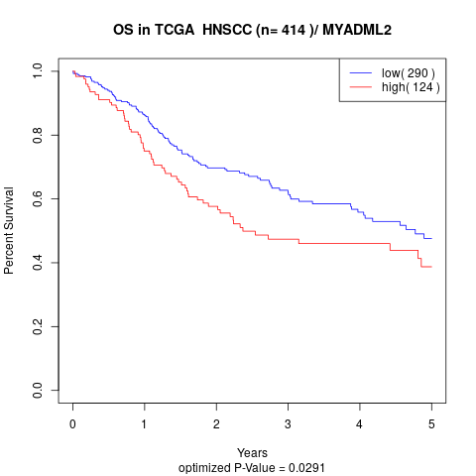

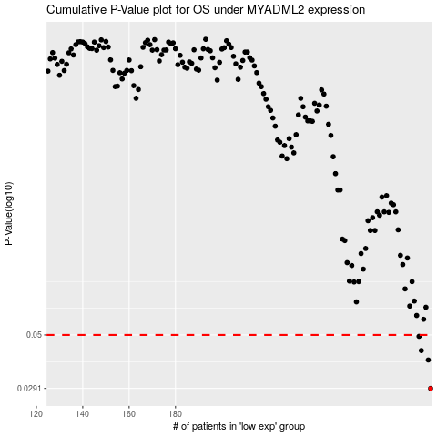

 |  |  |  |  |  | cases_OS | p_OS | rank | exp
 |  |  |  |  |  | 290 | 0.0291 | 59 | -0.21103538735
 |  |  |  |  |  | 289 | 0.0388 | 301 | -0.21311699505
 |  |  |  |  |  | 286 | 0.0427 | 199 | -0.21789504391
 |  |  |  |  |  | 285 | 0.0493 | 351 | -0.21979040644
 |  |  |  |  |  |  | cases_RFS | p_RFS | rank | exp
 |  |  |  |  |  |  | 289 | 0.0291 | 301 | -0.21311699505
 |  |  |  |  |  |  | 288 | 0.0388 | 270 | -0.21457404564
 |  |  |  |  |  |  | 285 | 0.0427 | 351 | -0.21979040644
 |  |  |  |  |  |  | 284 | 0.0493 | 300 | -0.21980910576

