MYBBP1A _multivariate
Reported by Tex Li-Hsing Chi. tex@gate.sinica.edu.tw 2019-08-17

Table 2. The clinicopathological features of HNSCC cohort and MYBBP1A expression. (Chi square test)
Cutoff at 0.057 (49.8%)
 |  | MYBBP1A expression |  | MYBBP1A expression |  | (Optimised)
 | Features | Low | (%) | High | (%) | Case no | P-value | Remark | Matthews
Gender | Female | 147 | 35.4 | 159 | 38.3 | 415 | 0.2523 | 0 | 0
2 | Male | 60 | 14.5 | 49 | 11.8
Age at diagnosis | <=65y | 142 | 34.2 | 132 | 31.8 | 415 | 0.3167 | 0 | 0
4 | >65y | 65 | 15.7 | 76 | 18.3
Clinical T Status | T1+T2 | 84 | 20.2 | 65 | 15.7 | 415 | 0.0603 | 0 | 0
6 | T3+T4 | 123 | 29.6 | 143 | 34.5
Clinical N Status | N0 | 103 | 24.8 | 113 | 27.2 | 415 | 0.4047 | 0 | 0
8 | N1-3 | 104 | 25.1 | 95 | 22.9
Clinical M Status | M0 | 206 | 49.6 | 206 | 49.6 | 415 | 1 | 0 | 0
10 | M1 | 1 | 0.2 | 2 | 0.5
Clinical Stage | Stage I+II | 53 | 12.8 | 49 | 11.8 | 415 | 0.7113 | 0 | 0
12 | Stage III+IV | 154 | 37.1 | 159 | 38.3
Surgical Margin status | Negative | 153 | 36.9 | 165 | 39.8 | 415 | 0.2036 | 0 | 0
14 | Positive | 54 | 13 | 43 | 10.4
Tobacco Exposure | Low | 85 | 20.5 | 76 | 18.3 | 415 | 0.3655 | 0 | 0
16 | High | 122 | 29.4 | 132 | 31.8

Table 3. Univariate/Multivariate Cox's proportional hazards regression analyses on OS time of MYBBP1A gene expression in HNSCC

 |  | Univariate |  |  |  | Multivariate
 | Features | HR | CI95%(L) | CI95%(H) | P-value | HR | CI95%(L) | CI95%(H) | P-value
1 | Female | 1 |  |  |  | 1
Gender | Male | 1.157 | 0.843 | 1.587 | 0.367 | 1.257 | 0.895 | 1.767 | 0.187
11 | <=65y | 1 |  |  |  | 1
Age at diagnosis | >65y | 1.329 | 0.99 | 1.784 | 0.058 | 1.393 | 1.024 | 1.894 | 0.035
12 | T1+T2 | 1 |  |  |  | 1
Clinical T Status | T3+T4 | 1.409 | 1.028 | 1.931 | 0.033 | 2.08 | 1.097 | 3.945 | 0.025
13 | N0 | 1 |  |  |  | 1
Clinical N Status | N1-3 | 1.185 | 0.89 | 1.577 | 0.246 | 1.264 | 0.885 | 1.804 | 0.197
14 | M0 | 1 |  |  |  | 1
Clinical M Status | M1 | 4.097 | 1.009 | 16.644 | 0.049 | 8.828 | 1.922 | 40.541 | 0.005
15 | Stage I+II | 1 |  |  |  | 1
Clinical Stage | Stage III+IV | 1.245 | 0.882 | 1.759 | 0.213 | 0.526 | 0.245 | 1.132 | 0.101
16 | Negative | 1 |  |  |  | 1
Surgical Margin status | Positive | 1.591 | 1.155 | 2.191 | 0.004 | 1.725 | 1.246 | 2.388 | 0.001
17 | Low | 1 |  |  |  | 1
Tobacco Exposure | High | 1.364 | 1.008 | 1.844 | 0.044 | 1.469 | 1.064 | 2.029 | 0.019
18 | Low | 1 |  |  |  | 1
RNAseq(z-score) | High | 1.244 | 0.932 | 1.66 | 0.138 | 1.301 | 0.966 | 1.752 | 0.084

Table 4. Univariate/Multivariate Cox's proportional hazards regression analyses on RFS time of MYBBP1A gene expression in HNSCC

 |  | Univariate |  |  |  | Multivariate
 | Features | HR | CI95%(L) | CI95%(H) | P-value | HR | CI95%(L) | CI95%(H) | P-value
1 | Female | 1 |  |  |  | 1
Gender | Male | 1.157 | 0.843 | 1.587 | 0.367 | 1.257 | 0.895 | 1.767 | 0.187
11 | <=65y | 1 |  |  |  | 1
Age at diagnosis | >65y | 1.329 | 0.99 | 1.784 | 0.058 | 1.393 | 1.024 | 1.894 | 0.035
12 | T1+T2 | 1 |  |  |  | 1
Clinical T Status | T3+T4 | 1.409 | 1.028 | 1.931 | 0.033 | 2.08 | 1.097 | 3.945 | 0.025
13 | N0 | 1 |  |  |  | 1
Clinical N Status | N1-3 | 1.185 | 0.89 | 1.577 | 0.246 | 1.264 | 0.885 | 1.804 | 0.197
14 | M0 | 1 |  |  |  | 1
Clinical M Status | M1 | 4.097 | 1.009 | 16.644 | 0.049 | 8.828 | 1.922 | 40.541 | 0.005
15 | Stage I+II | 1 |  |  |  | 1
Clinical Stage | Stage III+IV | 1.245 | 0.882 | 1.759 | 0.213 | 0.526 | 0.245 | 1.132 | 0.101
16 | Negative | 1 |  |  |  | 1
Surgical Margin status | Positive | 1.591 | 1.155 | 2.191 | 0.004 | 1.725 | 1.246 | 2.388 | 0.001
17 | Low | 1 |  |  |  | 1
Tobacco Exposure | High | 1.364 | 1.008 | 1.844 | 0.044 | 1.469 | 1.064 | 2.029 | 0.019
18 | Low | 1 |  |  |  | 1
RNAseq(z-score) | High | 1.244 | 0.932 | 1.66 | 0.138 | 1.301 | 0.966 | 1.752 | 0.084

Kaplan-Meier survival estimate: Cutoff at 0.057 (49.8%)



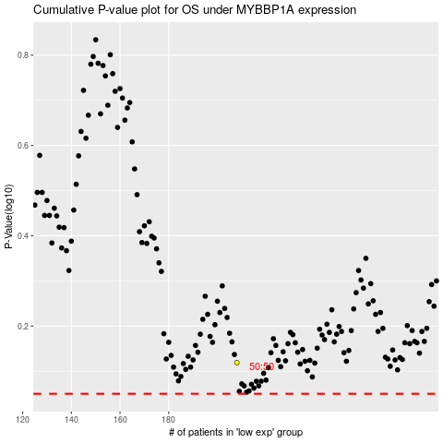

 |  |  |  |  |  | cases_OS | p_OS | rank | exp
 |  |  |  |  |  |  | cases_RFS | p_RFS | rank | exp

