MYBL2 _multivariate
Reported by Tex Li-Hsing Chi. tex@gate.sinica.edu.tw 2019-08-17

Table 2. The clinicopathological features of HNSCC cohort and MYBL2 expression. (Chi square test)
Cutoff at -0.122 (49.8%)
 |  | MYBL2 expression |  | MYBL2 expression |  | (Optimised)
 | Features | Low | (%) | High | (%) | Case no | P-value | Remark | Matthews
Gender | Female | 140 | 33.7 | 166 | 40 | 415 | 0.0068 | 1 | 0
2 | Male | 67 | 16.1 | 42 | 10.1
Age at diagnosis | <=65y | 135 | 32.5 | 139 | 33.5 | 415 | 0.8084 | 0 | 0
4 | >65y | 72 | 17.3 | 69 | 16.6
Clinical T Status | T1+T2 | 77 | 18.6 | 72 | 17.3 | 415 | 0.6556 | 0 | 0
6 | T3+T4 | 130 | 31.3 | 136 | 32.8
Clinical N Status | N0 | 117 | 28.2 | 99 | 23.9 | 415 | 0.0852 | 1 | 0
8 | N1-3 | 90 | 21.7 | 109 | 26.3
Clinical M Status | M0 | 207 | 49.9 | 205 | 49.4 | 415 | 0.2482 | 0 | 0
10 | M1 | 0 | 0 | 3 | 0.7
Clinical Stage | Stage I+II | 56 | 13.5 | 46 | 11.1 | 415 | 0.2918 | 0 | 0
12 | Stage III+IV | 151 | 36.4 | 162 | 39
Surgical Margin status | Negative | 160 | 38.6 | 158 | 38.1 | 415 | 0.8167 | 0 | 0
14 | Positive | 47 | 11.3 | 50 | 12
Tobacco Exposure | Low | 93 | 22.4 | 68 | 16.4 | 415 | 0.0118 | 1 | 0
16 | High | 114 | 27.5 | 140 | 33.7

Table 3. Univariate/Multivariate Cox's proportional hazards regression analyses on OS time of MYBL2 gene expression in HNSCC

 |  | Univariate |  |  |  | Multivariate
 | Features | HR | CI95%(L) | CI95%(H) | P-value | HR | CI95%(L) | CI95%(H) | P-value
1 | Female | 1 |  |  |  | 1
Gender | Male | 1.157 | 0.843 | 1.587 | 0.367 | 1.198 | 0.855 | 1.679 | 0.294
11 | <=65y | 1 |  |  |  | 1
Age at diagnosis | >65y | 1.329 | 0.99 | 1.784 | 0.058 | 1.394 | 1.024 | 1.898 | 0.035
12 | T1+T2 | 1 |  |  |  | 1
Clinical T Status | T3+T4 | 1.409 | 1.028 | 1.931 | 0.033 | 2.204 | 1.166 | 4.168 | 0.015
13 | N0 | 1 |  |  |  | 1
Clinical N Status | N1-3 | 1.185 | 0.89 | 1.577 | 0.246 | 1.242 | 0.87 | 1.773 | 0.232
14 | M0 | 1 |  |  |  | 1
Clinical M Status | M1 | 4.097 | 1.009 | 16.644 | 0.049 | 9.489 | 2.057 | 43.769 | 0.004
15 | Stage I+II | 1 |  |  |  | 1
Clinical Stage | Stage III+IV | 1.245 | 0.882 | 1.759 | 0.213 | 0.505 | 0.235 | 1.084 | 0.08
16 | Negative | 1 |  |  |  | 1
Surgical Margin status | Positive | 1.591 | 1.155 | 2.191 | 0.004 | 1.672 | 1.21 | 2.31 | 0.002
17 | Low | 1 |  |  |  | 1
Tobacco Exposure | High | 1.364 | 1.008 | 1.844 | 0.044 | 1.455 | 1.055 | 2.007 | 0.022
18 | Low | 1 |  |  |  | 1
RNAseq(z-score) | High | 1.052 | 0.79 | 1.401 | 0.727 | 0.981 | 0.73 | 1.319 | 0.901

Table 4. Univariate/Multivariate Cox's proportional hazards regression analyses on RFS time of MYBL2 gene expression in HNSCC

 |  | Univariate |  |  |  | Multivariate
 | Features | HR | CI95%(L) | CI95%(H) | P-value | HR | CI95%(L) | CI95%(H) | P-value
1 | Female | 1 |  |  |  | 1
Gender | Male | 1.157 | 0.843 | 1.587 | 0.367 | 1.198 | 0.855 | 1.679 | 0.294
11 | <=65y | 1 |  |  |  | 1
Age at diagnosis | >65y | 1.329 | 0.99 | 1.784 | 0.058 | 1.394 | 1.024 | 1.898 | 0.035
12 | T1+T2 | 1 |  |  |  | 1
Clinical T Status | T3+T4 | 1.409 | 1.028 | 1.931 | 0.033 | 2.204 | 1.166 | 4.168 | 0.015
13 | N0 | 1 |  |  |  | 1
Clinical N Status | N1-3 | 1.185 | 0.89 | 1.577 | 0.246 | 1.242 | 0.87 | 1.773 | 0.232
14 | M0 | 1 |  |  |  | 1
Clinical M Status | M1 | 4.097 | 1.009 | 16.644 | 0.049 | 9.489 | 2.057 | 43.769 | 0.004
15 | Stage I+II | 1 |  |  |  | 1
Clinical Stage | Stage III+IV | 1.245 | 0.882 | 1.759 | 0.213 | 0.505 | 0.235 | 1.084 | 0.08
16 | Negative | 1 |  |  |  | 1
Surgical Margin status | Positive | 1.591 | 1.155 | 2.191 | 0.004 | 1.672 | 1.21 | 2.31 | 0.002
17 | Low | 1 |  |  |  | 1
Tobacco Exposure | High | 1.364 | 1.008 | 1.844 | 0.044 | 1.455 | 1.055 | 2.007 | 0.022
18 | Low | 1 |  |  |  | 1
RNAseq(z-score) | High | 1.052 | 0.79 | 1.401 | 0.727 | 0.981 | 0.73 | 1.319 | 0.901

Kaplan-Meier survival estimate: Cutoff at -0.122 (49.8%)



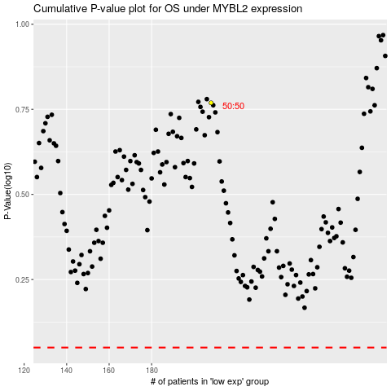

 |  |  |  |  |  | cases_OS | p_OS | rank | exp
 |  |  |  |  |  |  | cases_RFS | p_RFS | rank | exp

