MYBPC2 _multivariate
Reported by Tex Li-Hsing Chi. tex@gate.sinica.edu.tw 2019-08-17

Table 2. The clinicopathological features of HNSCC cohort and MYBPC2 expression. (Chi square test)
Cutoff at -0.226 (50.0%)
 |  | MYBPC2 expression |  | MYBPC2 expression |  | (Optimised)
 | Features | Low | (%) | High | (%) | Case no | P-value | Remark | Matthews
Gender | Female | 158 | 38.1 | 148 | 35.7 | 415 | 0.2774 | 0 | 0
2 | Male | 49 | 11.8 | 60 | 14.5
Age at diagnosis | <=65y | 128 | 30.8 | 146 | 35.2 | 415 | 0.0904 | 0 | 0
4 | >65y | 79 | 19 | 62 | 14.9
Clinical T Status | T1+T2 | 60 | 14.5 | 89 | 21.4 | 415 | 0.0047 | 1 | 0
6 | T3+T4 | 147 | 35.4 | 119 | 28.7
Clinical N Status | N0 | 114 | 27.5 | 102 | 24.6 | 415 | 0.2576 | 1 | 0
8 | N1-3 | 93 | 22.4 | 106 | 25.5
Clinical M Status | M0 | 204 | 49.2 | 208 | 50.1 | 415 | 0.1232 | 0 | 0
10 | M1 | 3 | 0.7 | 0 | 0
Clinical Stage | Stage I+II | 39 | 9.4 | 63 | 15.2 | 415 | 0.0095 | 1 | 0
12 | Stage III+IV | 168 | 40.5 | 145 | 34.9
Surgical Margin status | Negative | 158 | 38.1 | 160 | 38.6 | 415 | 0.9081 | 0 | 0
14 | Positive | 49 | 11.8 | 48 | 11.6
Tobacco Exposure | Low | 77 | 18.6 | 84 | 20.2 | 415 | 0.5459 | 0 | 0
16 | High | 130 | 31.3 | 124 | 29.9

Table 3. Univariate/Multivariate Cox's proportional hazards regression analyses on OS time of MYBPC2 gene expression in HNSCC

 |  | Univariate |  |  |  | Multivariate
 | Features | HR | CI95%(L) | CI95%(H) | P-value | HR | CI95%(L) | CI95%(H) | P-value
1 | Female | 1 |  |  |  | 1
Gender | Male | 1.157 | 0.843 | 1.587 | 0.367 | 1.162 | 0.83 | 1.627 | 0.382
11 | <=65y | 1 |  |  |  | 1
Age at diagnosis | >65y | 1.329 | 0.99 | 1.784 | 0.058 | 1.409 | 1.035 | 1.918 | 0.029
12 | T1+T2 | 1 |  |  |  | 1
Clinical T Status | T3+T4 | 1.409 | 1.028 | 1.931 | 0.033 | 2.24 | 1.182 | 4.244 | 0.013
13 | N0 | 1 |  |  |  | 1
Clinical N Status | N1-3 | 1.185 | 0.89 | 1.577 | 0.246 | 1.199 | 0.839 | 1.715 | 0.319
14 | M0 | 1 |  |  |  | 1
Clinical M Status | M1 | 4.097 | 1.009 | 16.644 | 0.049 | 10.882 | 2.348 | 50.43 | 0.002
15 | Stage I+II | 1 |  |  |  | 1
Clinical Stage | Stage III+IV | 1.245 | 0.882 | 1.759 | 0.213 | 0.522 | 0.243 | 1.122 | 0.096
16 | Negative | 1 |  |  |  | 1
Surgical Margin status | Positive | 1.591 | 1.155 | 2.191 | 0.004 | 1.681 | 1.217 | 2.323 | 0.002
17 | Low | 1 |  |  |  | 1
Tobacco Exposure | High | 1.364 | 1.008 | 1.844 | 0.044 | 1.468 | 1.065 | 2.023 | 0.019
18 | Low | 1 |  |  |  | 1
RNAseq(z-score) | High | 1.202 | 0.898 | 1.609 | 0.216 | 1.289 | 0.953 | 1.744 | 0.099

Table 4. Univariate/Multivariate Cox's proportional hazards regression analyses on RFS time of MYBPC2 gene expression in HNSCC

 |  | Univariate |  |  |  | Multivariate
 | Features | HR | CI95%(L) | CI95%(H) | P-value | HR | CI95%(L) | CI95%(H) | P-value
1 | Female | 1 |  |  |  | 1
Gender | Male | 1.157 | 0.843 | 1.587 | 0.367 | 1.162 | 0.83 | 1.627 | 0.382
11 | <=65y | 1 |  |  |  | 1
Age at diagnosis | >65y | 1.329 | 0.99 | 1.784 | 0.058 | 1.409 | 1.035 | 1.918 | 0.029
12 | T1+T2 | 1 |  |  |  | 1
Clinical T Status | T3+T4 | 1.409 | 1.028 | 1.931 | 0.033 | 2.24 | 1.182 | 4.244 | 0.013
13 | N0 | 1 |  |  |  | 1
Clinical N Status | N1-3 | 1.185 | 0.89 | 1.577 | 0.246 | 1.199 | 0.839 | 1.715 | 0.319
14 | M0 | 1 |  |  |  | 1
Clinical M Status | M1 | 4.097 | 1.009 | 16.644 | 0.049 | 10.882 | 2.348 | 50.43 | 0.002
15 | Stage I+II | 1 |  |  |  | 1
Clinical Stage | Stage III+IV | 1.245 | 0.882 | 1.759 | 0.213 | 0.522 | 0.243 | 1.122 | 0.096
16 | Negative | 1 |  |  |  | 1
Surgical Margin status | Positive | 1.591 | 1.155 | 2.191 | 0.004 | 1.681 | 1.217 | 2.323 | 0.002
17 | Low | 1 |  |  |  | 1
Tobacco Exposure | High | 1.364 | 1.008 | 1.844 | 0.044 | 1.468 | 1.065 | 2.023 | 0.019
18 | Low | 1 |  |  |  | 1
RNAseq(z-score) | High | 1.202 | 0.898 | 1.609 | 0.216 | 1.289 | 0.953 | 1.744 | 0.099

Kaplan-Meier survival estimate: Cutoff at -0.226 (50.0%)



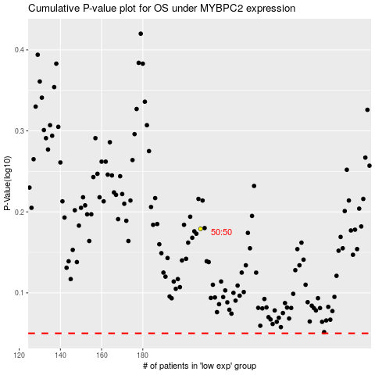

 |  |  |  |  |  | cases_OS | p_OS | rank | exp
 |  |  |  |  |  |  | cases_RFS | p_RFS | rank | exp

