MYBPHL _multivariate
Reported by Tex Li-Hsing Chi. tex@gate.sinica.edu.tw 2019-08-17

Table 2. The clinicopathological features of HNSCC cohort and MYBPHL expression. (Chi square test)
Cutoff at -0.269 (50.0%)
 |  | MYBPHL expression |  | MYBPHL expression |  | (Optimised)
 | Features | Low | (%) | High | (%) | Case no | P-value | Remark | Matthews
Gender | Female | 159 | 38.3 | 147 | 35.4 | 415 | 0.1905 | 0 | 0
2 | Male | 48 | 11.6 | 61 | 14.7
Age at diagnosis | <=65y | 141 | 34 | 133 | 32 | 415 | 0.4272 | 0 | 0
4 | >65y | 66 | 15.9 | 75 | 18.1
Clinical T Status | T1+T2 | 69 | 16.6 | 80 | 19.3 | 415 | 0.3239 | 0 | 0
6 | T3+T4 | 138 | 33.3 | 128 | 30.8
Clinical N Status | N0 | 98 | 23.6 | 118 | 28.4 | 415 | 0.0694 | 0 | 0
8 | N1-3 | 109 | 26.3 | 90 | 21.7
Clinical M Status | M0 | 205 | 49.4 | 207 | 49.9 | 415 | 0.6232 | 0 | 0
10 | M1 | 2 | 0.5 | 1 | 0.2
Clinical Stage | Stage I+II | 45 | 10.8 | 57 | 13.7 | 415 | 0.2202 | 0 | 0
12 | Stage III+IV | 162 | 39 | 151 | 36.4
Surgical Margin status | Negative | 163 | 39.3 | 155 | 37.3 | 415 | 0.3537 | 0 | 0
14 | Positive | 44 | 10.6 | 53 | 12.8
Tobacco Exposure | Low | 68 | 16.4 | 93 | 22.4 | 415 | 0.0156 | 1 | 0
16 | High | 139 | 33.5 | 115 | 27.7

Table 3. Univariate/Multivariate Cox's proportional hazards regression analyses on OS time of MYBPHL gene expression in HNSCC

 |  | Univariate |  |  |  | Multivariate
 | Features | HR | CI95%(L) | CI95%(H) | P-value | HR | CI95%(L) | CI95%(H) | P-value
1 | Female | 1 |  |  |  | 1
Gender | Male | 1.157 | 0.843 | 1.587 | 0.367 | 1.226 | 0.875 | 1.717 | 0.237
11 | <=65y | 1 |  |  |  | 1
Age at diagnosis | >65y | 1.329 | 0.99 | 1.784 | 0.058 | 1.406 | 1.033 | 1.914 | 0.03
12 | T1+T2 | 1 |  |  |  | 1
Clinical T Status | T3+T4 | 1.409 | 1.028 | 1.931 | 0.033 | 2.199 | 1.163 | 4.159 | 0.015
13 | N0 | 1 |  |  |  | 1
Clinical N Status | N1-3 | 1.185 | 0.89 | 1.577 | 0.246 | 1.232 | 0.863 | 1.759 | 0.25
14 | M0 | 1 |  |  |  | 1
Clinical M Status | M1 | 4.097 | 1.009 | 16.644 | 0.049 | 9.368 | 2.044 | 42.948 | 0.004
15 | Stage I+II | 1 |  |  |  | 1
Clinical Stage | Stage III+IV | 1.245 | 0.882 | 1.759 | 0.213 | 0.502 | 0.234 | 1.079 | 0.078
16 | Negative | 1 |  |  |  | 1
Surgical Margin status | Positive | 1.591 | 1.155 | 2.191 | 0.004 | 1.695 | 1.224 | 2.346 | 0.001
17 | Low | 1 |  |  |  | 1
Tobacco Exposure | High | 1.364 | 1.008 | 1.844 | 0.044 | 1.449 | 1.051 | 1.997 | 0.024
18 | Low | 1 |  |  |  | 1
RNAseq(z-score) | High | 0.921 | 0.691 | 1.228 | 0.576 | 0.88 | 0.654 | 1.184 | 0.399

Table 4. Univariate/Multivariate Cox's proportional hazards regression analyses on RFS time of MYBPHL gene expression in HNSCC

 |  | Univariate |  |  |  | Multivariate
 | Features | HR | CI95%(L) | CI95%(H) | P-value | HR | CI95%(L) | CI95%(H) | P-value
1 | Female | 1 |  |  |  | 1
Gender | Male | 1.157 | 0.843 | 1.587 | 0.367 | 1.226 | 0.875 | 1.717 | 0.237
11 | <=65y | 1 |  |  |  | 1
Age at diagnosis | >65y | 1.329 | 0.99 | 1.784 | 0.058 | 1.406 | 1.033 | 1.914 | 0.03
12 | T1+T2 | 1 |  |  |  | 1
Clinical T Status | T3+T4 | 1.409 | 1.028 | 1.931 | 0.033 | 2.199 | 1.163 | 4.159 | 0.015
13 | N0 | 1 |  |  |  | 1
Clinical N Status | N1-3 | 1.185 | 0.89 | 1.577 | 0.246 | 1.232 | 0.863 | 1.759 | 0.25
14 | M0 | 1 |  |  |  | 1
Clinical M Status | M1 | 4.097 | 1.009 | 16.644 | 0.049 | 9.368 | 2.044 | 42.948 | 0.004
15 | Stage I+II | 1 |  |  |  | 1
Clinical Stage | Stage III+IV | 1.245 | 0.882 | 1.759 | 0.213 | 0.502 | 0.234 | 1.079 | 0.078
16 | Negative | 1 |  |  |  | 1
Surgical Margin status | Positive | 1.591 | 1.155 | 2.191 | 0.004 | 1.695 | 1.224 | 2.346 | 0.001
17 | Low | 1 |  |  |  | 1
Tobacco Exposure | High | 1.364 | 1.008 | 1.844 | 0.044 | 1.449 | 1.051 | 1.997 | 0.024
18 | Low | 1 |  |  |  | 1
RNAseq(z-score) | High | 0.921 | 0.691 | 1.228 | 0.576 | 0.88 | 0.654 | 1.184 | 0.399

Kaplan-Meier survival estimate: Cutoff at -0.269 (50.0%)



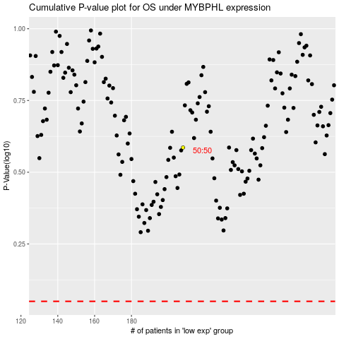

 |  |  |  |  |  | cases_OS | p_OS | rank | exp
 |  |  |  |  |  |  | cases_RFS | p_RFS | rank | exp

