MYCT1 _multivariate
Reported by Tex Li-Hsing Chi. tex@gate.sinica.edu.tw 2019-08-17

Table 2. The clinicopathological features of HNSCC cohort and MYCT1 expression. (Chi square test)
Cutoff at -0.454 (38.6%)
 |  | MYCT1 expression |  | MYCT1 expression |  | (Optimised)
 | Features | Low | (%) | High | (%) | Case no | P-value | Remark | Matthews
Gender | Female | 125 | 30.1 | 181 | 43.6 | 415 | 0.1349 | 0 | 0
2 | Male | 35 | 8.4 | 74 | 17.8
Age at diagnosis | <=65y | 101 | 24.3 | 173 | 41.7 | 415 | 0.3782 | 0 | 0
4 | >65y | 59 | 14.2 | 82 | 19.8
Clinical T Status | T1+T2 | 51 | 12.3 | 98 | 23.6 | 415 | 0.2113 | 0 | 0
6 | T3+T4 | 109 | 26.3 | 157 | 37.8
Clinical N Status | N0 | 81 | 19.5 | 135 | 32.5 | 415 | 0.7198 | 0 | 0
8 | N1-3 | 79 | 19 | 120 | 28.9
Clinical M Status | M0 | 158 | 38.1 | 254 | 61.2 | 415 | 0.5619 | 0 | 0
10 | M1 | 2 | 0.5 | 1 | 0.2
Clinical Stage | Stage I+II | 31 | 7.5 | 71 | 17.1 | 415 | 0.0668 | 0 | 0
12 | Stage III+IV | 129 | 31.1 | 184 | 44.3
Surgical Margin status | Negative | 121 | 29.2 | 197 | 47.5 | 415 | 0.7217 | 0 | 0
14 | Positive | 39 | 9.4 | 58 | 14
Tobacco Exposure | Low | 56 | 13.5 | 105 | 25.3 | 415 | 0.2161 | 0 | 0
16 | High | 104 | 25.1 | 150 | 36.1

Table 3. Univariate/Multivariate Cox's proportional hazards regression analyses on OS time of MYCT1 gene expression in HNSCC

 |  | Univariate |  |  |  | Multivariate
 | Features | HR | CI95%(L) | CI95%(H) | P-value | HR | CI95%(L) | CI95%(H) | P-value
1 | Female | 1 |  |  |  | 1
Gender | Male | 1.157 | 0.843 | 1.587 | 0.367 | 1.22 | 0.872 | 1.707 | 0.245
11 | <=65y | 1 |  |  |  | 1
Age at diagnosis | >65y | 1.329 | 0.99 | 1.784 | 0.058 | 1.347 | 0.99 | 1.834 | 0.058
12 | T1+T2 | 1 |  |  |  | 1
Clinical T Status | T3+T4 | 1.409 | 1.028 | 1.931 | 0.033 | 2.268 | 1.198 | 4.296 | 0.012
13 | N0 | 1 |  |  |  | 1
Clinical N Status | N1-3 | 1.185 | 0.89 | 1.577 | 0.246 | 1.246 | 0.873 | 1.778 | 0.225
14 | M0 | 1 |  |  |  | 1
Clinical M Status | M1 | 4.097 | 1.009 | 16.644 | 0.049 | 9.268 | 2.02 | 42.519 | 0.004
15 | Stage I+II | 1 |  |  |  | 1
Clinical Stage | Stage III+IV | 1.245 | 0.882 | 1.759 | 0.213 | 0.472 | 0.219 | 1.018 | 0.055
16 | Negative | 1 |  |  |  | 1
Surgical Margin status | Positive | 1.591 | 1.155 | 2.191 | 0.004 | 1.67 | 1.208 | 2.309 | 0.002
17 | Low | 1 |  |  |  | 1
Tobacco Exposure | High | 1.364 | 1.008 | 1.844 | 0.044 | 1.408 | 1.019 | 1.944 | 0.038
18 | Low | 1 |  |  |  | 1
RNAseq(z-score) | High | 0.739 | 0.553 | 0.987 | 0.041 | 0.78 | 0.579 | 1.052 | 0.103

Table 4. Univariate/Multivariate Cox's proportional hazards regression analyses on RFS time of MYCT1 gene expression in HNSCC

 |  | Univariate |  |  |  | Multivariate
 | Features | HR | CI95%(L) | CI95%(H) | P-value | HR | CI95%(L) | CI95%(H) | P-value
1 | Female | 1 |  |  |  | 1
Gender | Male | 1.157 | 0.843 | 1.587 | 0.367 | 1.22 | 0.872 | 1.707 | 0.245
11 | <=65y | 1 |  |  |  | 1
Age at diagnosis | >65y | 1.329 | 0.99 | 1.784 | 0.058 | 1.347 | 0.99 | 1.834 | 0.058
12 | T1+T2 | 1 |  |  |  | 1
Clinical T Status | T3+T4 | 1.409 | 1.028 | 1.931 | 0.033 | 2.268 | 1.198 | 4.296 | 0.012
13 | N0 | 1 |  |  |  | 1
Clinical N Status | N1-3 | 1.185 | 0.89 | 1.577 | 0.246 | 1.246 | 0.873 | 1.778 | 0.225
14 | M0 | 1 |  |  |  | 1
Clinical M Status | M1 | 4.097 | 1.009 | 16.644 | 0.049 | 9.268 | 2.02 | 42.519 | 0.004
15 | Stage I+II | 1 |  |  |  | 1
Clinical Stage | Stage III+IV | 1.245 | 0.882 | 1.759 | 0.213 | 0.472 | 0.219 | 1.018 | 0.055
16 | Negative | 1 |  |  |  | 1
Surgical Margin status | Positive | 1.591 | 1.155 | 2.191 | 0.004 | 1.67 | 1.208 | 2.309 | 0.002
17 | Low | 1 |  |  |  | 1
Tobacco Exposure | High | 1.364 | 1.008 | 1.844 | 0.044 | 1.408 | 1.019 | 1.944 | 0.038
18 | Low | 1 |  |  |  | 1
RNAseq(z-score) | High | 0.739 | 0.553 | 0.987 | 0.041 | 0.78 | 0.579 | 1.052 | 0.103

Kaplan-Meier survival estimate: Cutoff at -0.454 (38.6%)



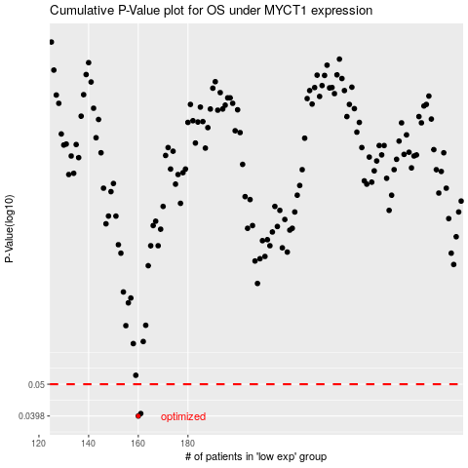

 |  |  |  |  |  | cases_OS | p_OS | rank | exp
 |  |  |  |  |  | 160 | 0.0398 | 291 | -0.4535576935
 |  |  |  |  |  | 161 | 0.0405 | 175 | -0.45337946538
 |  |  |  |  |  |  | cases_RFS | p_RFS | rank | exp
 |  |  |  |  |  |  | 159 | 0.0398 | 88 | -0.45359309497
 |  |  |  |  |  |  | 160 | 0.0405 | 291 | -0.4535576935

