MYH10 _multivariate
Reported by Tex Li-Hsing Chi. tex@gate.sinica.edu.tw 2019-08-17

Table 2. The clinicopathological features of HNSCC cohort and MYH10 expression. (Chi square test)
Cutoff at 0.019 (49.8%)
 |  | MYH10 expression |  | MYH10 expression |  | (Optimised)
 | Features | Low | (%) | High | (%) | Case no | P-value | Remark | Matthews
Gender | Female | 154 | 37.1 | 152 | 36.6 | 415 | 0.8463 | 0 | 0
2 | Male | 53 | 12.8 | 56 | 13.5
Age at diagnosis | <=65y | 138 | 33.3 | 136 | 32.8 | 415 | 0.8634 | 0 | 0
4 | >65y | 69 | 16.6 | 72 | 17.3
Clinical T Status | T1+T2 | 80 | 19.3 | 69 | 16.6 | 415 | 0.2891 | 0 | 0
6 | T3+T4 | 127 | 30.6 | 139 | 33.5
Clinical N Status | N0 | 98 | 23.6 | 118 | 28.4 | 415 | 0.0694 | 0 | 0
8 | N1-3 | 109 | 26.3 | 90 | 21.7
Clinical M Status | M0 | 205 | 49.4 | 207 | 49.9 | 415 | 0.6232 | 0 | 0
10 | M1 | 2 | 0.5 | 1 | 0.2
Clinical Stage | Stage I+II | 52 | 12.5 | 50 | 12 | 415 | 0.8871 | 0 | 0
12 | Stage III+IV | 155 | 37.3 | 158 | 38.1
Surgical Margin status | Negative | 151 | 36.4 | 167 | 40.2 | 415 | 0.0828 | 0 | 0
14 | Positive | 56 | 13.5 | 41 | 9.9
Tobacco Exposure | Low | 76 | 18.3 | 85 | 20.5 | 415 | 0.4207 | 0 | 0
16 | High | 131 | 31.6 | 123 | 29.6

Table 3. Univariate/Multivariate Cox's proportional hazards regression analyses on OS time of MYH10 gene expression in HNSCC

 |  | Univariate |  |  |  | Multivariate
 | Features | HR | CI95%(L) | CI95%(H) | P-value | HR | CI95%(L) | CI95%(H) | P-value
1 | Female | 1 |  |  |  | 1
Gender | Male | 1.157 | 0.843 | 1.587 | 0.367 | 1.217 | 0.87 | 1.701 | 0.251
11 | <=65y | 1 |  |  |  | 1
Age at diagnosis | >65y | 1.329 | 0.99 | 1.784 | 0.058 | 1.394 | 1.025 | 1.895 | 0.034
12 | T1+T2 | 1 |  |  |  | 1
Clinical T Status | T3+T4 | 1.409 | 1.028 | 1.931 | 0.033 | 2.187 | 1.157 | 4.136 | 0.016
13 | N0 | 1 |  |  |  | 1
Clinical N Status | N1-3 | 1.185 | 0.89 | 1.577 | 0.246 | 1.271 | 0.889 | 1.818 | 0.188
14 | M0 | 1 |  |  |  | 1
Clinical M Status | M1 | 4.097 | 1.009 | 16.644 | 0.049 | 9.509 | 2.074 | 43.594 | 0.004
15 | Stage I+II | 1 |  |  |  | 1
Clinical Stage | Stage III+IV | 1.245 | 0.882 | 1.759 | 0.213 | 0.503 | 0.234 | 1.08 | 0.078
16 | Negative | 1 |  |  |  | 1
Surgical Margin status | Positive | 1.591 | 1.155 | 2.191 | 0.004 | 1.731 | 1.245 | 2.407 | 0.001
17 | Low | 1 |  |  |  | 1
Tobacco Exposure | High | 1.364 | 1.008 | 1.844 | 0.044 | 1.45 | 1.052 | 1.999 | 0.023
18 | Low | 1 |  |  |  | 1
RNAseq(z-score) | High | 1.076 | 0.807 | 1.436 | 0.618 | 1.187 | 0.882 | 1.598 | 0.259

Table 4. Univariate/Multivariate Cox's proportional hazards regression analyses on RFS time of MYH10 gene expression in HNSCC

 |  | Univariate |  |  |  | Multivariate
 | Features | HR | CI95%(L) | CI95%(H) | P-value | HR | CI95%(L) | CI95%(H) | P-value
1 | Female | 1 |  |  |  | 1
Gender | Male | 1.157 | 0.843 | 1.587 | 0.367 | 1.217 | 0.87 | 1.701 | 0.251
11 | <=65y | 1 |  |  |  | 1
Age at diagnosis | >65y | 1.329 | 0.99 | 1.784 | 0.058 | 1.394 | 1.025 | 1.895 | 0.034
12 | T1+T2 | 1 |  |  |  | 1
Clinical T Status | T3+T4 | 1.409 | 1.028 | 1.931 | 0.033 | 2.187 | 1.157 | 4.136 | 0.016
13 | N0 | 1 |  |  |  | 1
Clinical N Status | N1-3 | 1.185 | 0.89 | 1.577 | 0.246 | 1.271 | 0.889 | 1.818 | 0.188
14 | M0 | 1 |  |  |  | 1
Clinical M Status | M1 | 4.097 | 1.009 | 16.644 | 0.049 | 9.509 | 2.074 | 43.594 | 0.004
15 | Stage I+II | 1 |  |  |  | 1
Clinical Stage | Stage III+IV | 1.245 | 0.882 | 1.759 | 0.213 | 0.503 | 0.234 | 1.08 | 0.078
16 | Negative | 1 |  |  |  | 1
Surgical Margin status | Positive | 1.591 | 1.155 | 2.191 | 0.004 | 1.731 | 1.245 | 2.407 | 0.001
17 | Low | 1 |  |  |  | 1
Tobacco Exposure | High | 1.364 | 1.008 | 1.844 | 0.044 | 1.45 | 1.052 | 1.999 | 0.023
18 | Low | 1 |  |  |  | 1
RNAseq(z-score) | High | 1.076 | 0.807 | 1.436 | 0.618 | 1.187 | 0.882 | 1.598 | 0.259

Kaplan-Meier survival estimate: Cutoff at 0.019 (49.8%)



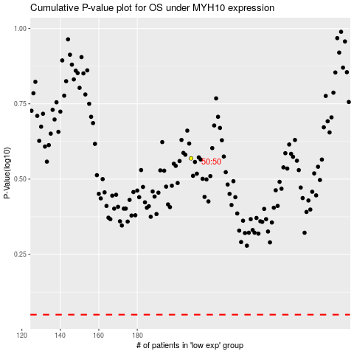

 |  |  |  |  |  | cases_OS | p_OS | rank | exp
 |  |  |  |  |  |  | cases_RFS | p_RFS | rank | exp

