MYH13 _multivariate
Reported by Tex Li-Hsing Chi. tex@gate.sinica.edu.tw 2019-08-17

Table 2. The clinicopathological features of HNSCC cohort and MYH13 expression. (Chi square test)
Cutoff at -0.172 (50.0%)
 |  | MYH13 expression |  | MYH13 expression |  | (Optimised)
 | Features | Low | (%) | High | (%) | Case no | P-value | Remark | Matthews
Gender | Female | 157 | 37.8 | 149 | 35.9 | 415 | 0.3881 | 0 | 0
2 | Male | 50 | 12 | 59 | 14.2
Age at diagnosis | <=65y | 126 | 30.4 | 148 | 35.7 | 415 | 0.035 | 1 | 0
4 | >65y | 81 | 19.5 | 60 | 14.5
Clinical T Status | T1+T2 | 62 | 14.9 | 87 | 21 | 415 | 0.0156 | 1 | 0
6 | T3+T4 | 145 | 34.9 | 121 | 29.2
Clinical N Status | N0 | 102 | 24.6 | 114 | 27.5 | 415 | 0.3031 | 0 | 0
8 | N1-3 | 105 | 25.3 | 94 | 22.7
Clinical M Status | M0 | 205 | 49.4 | 207 | 49.9 | 415 | 0.6232 | 0 | 0
10 | M1 | 2 | 0.5 | 1 | 0.2
Clinical Stage | Stage I+II | 36 | 8.7 | 66 | 15.9 | 415 | 0.001 | 1 | 0
12 | Stage III+IV | 171 | 41.2 | 142 | 34.2
Surgical Margin status | Negative | 160 | 38.6 | 158 | 38.1 | 415 | 0.8167 | 0 | 0
14 | Positive | 47 | 11.3 | 50 | 12
Tobacco Exposure | Low | 81 | 19.5 | 80 | 19.3 | 415 | 0.9199 | 0 | 0
16 | High | 126 | 30.4 | 128 | 30.8

Table 3. Univariate/Multivariate Cox's proportional hazards regression analyses on OS time of MYH13 gene expression in HNSCC

 |  | Univariate |  |  |  | Multivariate
 | Features | HR | CI95%(L) | CI95%(H) | P-value | HR | CI95%(L) | CI95%(H) | P-value
1 | Female | 1 |  |  |  | 1
Gender | Male | 1.157 | 0.843 | 1.587 | 0.367 | 1.189 | 0.85 | 1.662 | 0.313
11 | <=65y | 1 |  |  |  | 1
Age at diagnosis | >65y | 1.329 | 0.99 | 1.784 | 0.058 | 1.409 | 1.035 | 1.917 | 0.029
12 | T1+T2 | 1 |  |  |  | 1
Clinical T Status | T3+T4 | 1.409 | 1.028 | 1.931 | 0.033 | 2.164 | 1.143 | 4.095 | 0.018
13 | N0 | 1 |  |  |  | 1
Clinical N Status | N1-3 | 1.185 | 0.89 | 1.577 | 0.246 | 1.238 | 0.867 | 1.766 | 0.24
14 | M0 | 1 |  |  |  | 1
Clinical M Status | M1 | 4.097 | 1.009 | 16.644 | 0.049 | 9.286 | 2.025 | 42.57 | 0.004
15 | Stage I+II | 1 |  |  |  | 1
Clinical Stage | Stage III+IV | 1.245 | 0.882 | 1.759 | 0.213 | 0.526 | 0.244 | 1.135 | 0.101
16 | Negative | 1 |  |  |  | 1
Surgical Margin status | Positive | 1.591 | 1.155 | 2.191 | 0.004 | 1.652 | 1.195 | 2.285 | 0.002
17 | Low | 1 |  |  |  | 1
Tobacco Exposure | High | 1.364 | 1.008 | 1.844 | 0.044 | 1.456 | 1.057 | 2.007 | 0.022
18 | Low | 1 |  |  |  | 1
RNAseq(z-score) | High | 1.126 | 0.844 | 1.501 | 0.42 | 1.143 | 0.851 | 1.534 | 0.374

Table 4. Univariate/Multivariate Cox's proportional hazards regression analyses on RFS time of MYH13 gene expression in HNSCC

 |  | Univariate |  |  |  | Multivariate
 | Features | HR | CI95%(L) | CI95%(H) | P-value | HR | CI95%(L) | CI95%(H) | P-value
1 | Female | 1 |  |  |  | 1
Gender | Male | 1.157 | 0.843 | 1.587 | 0.367 | 1.189 | 0.85 | 1.662 | 0.313
11 | <=65y | 1 |  |  |  | 1
Age at diagnosis | >65y | 1.329 | 0.99 | 1.784 | 0.058 | 1.409 | 1.035 | 1.917 | 0.029
12 | T1+T2 | 1 |  |  |  | 1
Clinical T Status | T3+T4 | 1.409 | 1.028 | 1.931 | 0.033 | 2.164 | 1.143 | 4.095 | 0.018
13 | N0 | 1 |  |  |  | 1
Clinical N Status | N1-3 | 1.185 | 0.89 | 1.577 | 0.246 | 1.238 | 0.867 | 1.766 | 0.24
14 | M0 | 1 |  |  |  | 1
Clinical M Status | M1 | 4.097 | 1.009 | 16.644 | 0.049 | 9.286 | 2.025 | 42.57 | 0.004
15 | Stage I+II | 1 |  |  |  | 1
Clinical Stage | Stage III+IV | 1.245 | 0.882 | 1.759 | 0.213 | 0.526 | 0.244 | 1.135 | 0.101
16 | Negative | 1 |  |  |  | 1
Surgical Margin status | Positive | 1.591 | 1.155 | 2.191 | 0.004 | 1.652 | 1.195 | 2.285 | 0.002
17 | Low | 1 |  |  |  | 1
Tobacco Exposure | High | 1.364 | 1.008 | 1.844 | 0.044 | 1.456 | 1.057 | 2.007 | 0.022
18 | Low | 1 |  |  |  | 1
RNAseq(z-score) | High | 1.126 | 0.844 | 1.501 | 0.42 | 1.143 | 0.851 | 1.534 | 0.374

Kaplan-Meier survival estimate: Cutoff at -0.172 (50.0%)



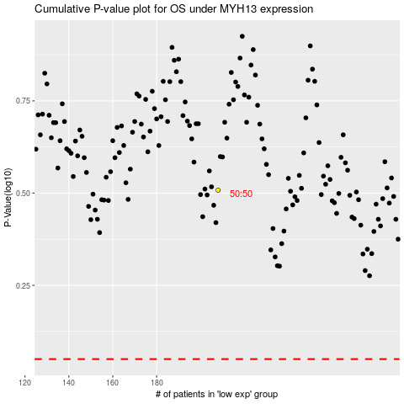

 |  |  |  |  |  | cases_OS | p_OS | rank | exp
 |  |  |  |  |  |  | cases_RFS | p_RFS | rank | exp

