MYH15 _multivariate
Reported by Tex Li-Hsing Chi. tex@gate.sinica.edu.tw 2019-08-17

Table 2. The clinicopathological features of HNSCC cohort and MYH15 expression. (Chi square test)
Cutoff at -0.109 (49.8%)
 |  | MYH15 expression |  | MYH15 expression |  | (Optimised)
 | Features | Low | (%) | High | (%) | Case no | P-value | Remark | Matthews
Gender | Female | 152 | 36.6 | 154 | 37.1 | 415 | 0.9766 | 0 | 0
2 | Male | 55 | 13.3 | 54 | 13
Age at diagnosis | <=65y | 129 | 31.1 | 145 | 34.9 | 415 | 0.1372 | 0 | 0
4 | >65y | 78 | 18.8 | 63 | 15.2
Clinical T Status | T1+T2 | 64 | 15.4 | 85 | 20.5 | 415 | 0.0445 | 1 | 0
6 | T3+T4 | 143 | 34.5 | 123 | 29.6
Clinical N Status | N0 | 110 | 26.5 | 106 | 25.5 | 415 | 0.7294 | 0 | 0
8 | N1-3 | 97 | 23.4 | 102 | 24.6
Clinical M Status | M0 | 205 | 49.4 | 207 | 49.9 | 415 | 0.6232 | 0 | 0
10 | M1 | 2 | 0.5 | 1 | 0.2
Clinical Stage | Stage I+II | 44 | 10.6 | 58 | 14 | 415 | 0.1459 | 0 | 0
12 | Stage III+IV | 163 | 39.3 | 150 | 36.1
Surgical Margin status | Negative | 161 | 38.8 | 157 | 37.8 | 415 | 0.6429 | 0 | 0
14 | Positive | 46 | 11.1 | 51 | 12.3
Tobacco Exposure | Low | 73 | 17.6 | 88 | 21.2 | 415 | 0.1587 | 0 | 0
16 | High | 134 | 32.3 | 120 | 28.9

Table 3. Univariate/Multivariate Cox's proportional hazards regression analyses on OS time of MYH15 gene expression in HNSCC

 |  | Univariate |  |  |  | Multivariate
 | Features | HR | CI95%(L) | CI95%(H) | P-value | HR | CI95%(L) | CI95%(H) | P-value
1 | Female | 1 |  |  |  | 1
Gender | Male | 1.157 | 0.843 | 1.587 | 0.367 | 1.233 | 0.881 | 1.726 | 0.222
11 | <=65y | 1 |  |  |  | 1
Age at diagnosis | >65y | 1.329 | 0.99 | 1.784 | 0.058 | 1.421 | 1.044 | 1.934 | 0.026
12 | T1+T2 | 1 |  |  |  | 1
Clinical T Status | T3+T4 | 1.409 | 1.028 | 1.931 | 0.033 | 2.26 | 1.194 | 4.279 | 0.012
13 | N0 | 1 |  |  |  | 1
Clinical N Status | N1-3 | 1.185 | 0.89 | 1.577 | 0.246 | 1.204 | 0.842 | 1.722 | 0.308
14 | M0 | 1 |  |  |  | 1
Clinical M Status | M1 | 4.097 | 1.009 | 16.644 | 0.049 | 9.97 | 2.169 | 45.82 | 0.003
15 | Stage I+II | 1 |  |  |  | 1
Clinical Stage | Stage III+IV | 1.245 | 0.882 | 1.759 | 0.213 | 0.519 | 0.241 | 1.115 | 0.093
16 | Negative | 1 |  |  |  | 1
Surgical Margin status | Positive | 1.591 | 1.155 | 2.191 | 0.004 | 1.697 | 1.227 | 2.348 | 0.001
17 | Low | 1 |  |  |  | 1
Tobacco Exposure | High | 1.364 | 1.008 | 1.844 | 0.044 | 1.489 | 1.078 | 2.056 | 0.016
18 | Low | 1 |  |  |  | 1
RNAseq(z-score) | High | 1.119 | 0.84 | 1.49 | 0.441 | 1.273 | 0.949 | 1.708 | 0.108

Table 4. Univariate/Multivariate Cox's proportional hazards regression analyses on RFS time of MYH15 gene expression in HNSCC

 |  | Univariate |  |  |  | Multivariate
 | Features | HR | CI95%(L) | CI95%(H) | P-value | HR | CI95%(L) | CI95%(H) | P-value
1 | Female | 1 |  |  |  | 1
Gender | Male | 1.157 | 0.843 | 1.587 | 0.367 | 1.233 | 0.881 | 1.726 | 0.222
11 | <=65y | 1 |  |  |  | 1
Age at diagnosis | >65y | 1.329 | 0.99 | 1.784 | 0.058 | 1.421 | 1.044 | 1.934 | 0.026
12 | T1+T2 | 1 |  |  |  | 1
Clinical T Status | T3+T4 | 1.409 | 1.028 | 1.931 | 0.033 | 2.26 | 1.194 | 4.279 | 0.012
13 | N0 | 1 |  |  |  | 1
Clinical N Status | N1-3 | 1.185 | 0.89 | 1.577 | 0.246 | 1.204 | 0.842 | 1.722 | 0.308
14 | M0 | 1 |  |  |  | 1
Clinical M Status | M1 | 4.097 | 1.009 | 16.644 | 0.049 | 9.97 | 2.169 | 45.82 | 0.003
15 | Stage I+II | 1 |  |  |  | 1
Clinical Stage | Stage III+IV | 1.245 | 0.882 | 1.759 | 0.213 | 0.519 | 0.241 | 1.115 | 0.093
16 | Negative | 1 |  |  |  | 1
Surgical Margin status | Positive | 1.591 | 1.155 | 2.191 | 0.004 | 1.697 | 1.227 | 2.348 | 0.001
17 | Low | 1 |  |  |  | 1
Tobacco Exposure | High | 1.364 | 1.008 | 1.844 | 0.044 | 1.489 | 1.078 | 2.056 | 0.016
18 | Low | 1 |  |  |  | 1
RNAseq(z-score) | High | 1.119 | 0.84 | 1.49 | 0.441 | 1.273 | 0.949 | 1.708 | 0.108

Kaplan-Meier survival estimate: Cutoff at -0.109 (49.8%)



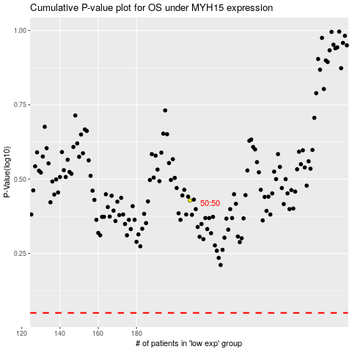

 |  |  |  |  |  | cases_OS | p_OS | rank | exp
 |  |  |  |  |  |  | cases_RFS | p_RFS | rank | exp

