MYH3 _multivariate
Reported by Tex Li-Hsing Chi. tex@gate.sinica.edu.tw 2019-08-17

Table 2. The clinicopathological features of HNSCC cohort and MYH3 expression. (Chi square test)
Cutoff at -0.308 (50.0%)
 |  | MYH3 expression |  | MYH3 expression |  | (Optimised)
 | Features | Low | (%) | High | (%) | Case no | P-value | Remark | Matthews
Gender | Female | 155 | 37.3 | 151 | 36.4 | 415 | 0.6768 | 0 | 0
2 | Male | 52 | 12.5 | 57 | 13.7
Age at diagnosis | <=65y | 126 | 30.4 | 148 | 35.7 | 415 | 0.035 | 1 | 0
4 | >65y | 81 | 19.5 | 60 | 14.5
Clinical T Status | T1+T2 | 63 | 15.2 | 86 | 20.7 | 415 | 0.0268 | 1 | 0
6 | T3+T4 | 144 | 34.7 | 122 | 29.4
Clinical N Status | N0 | 109 | 26.3 | 107 | 25.8 | 415 | 0.8812 | 0 | 0
8 | N1-3 | 98 | 23.6 | 101 | 24.3
Clinical M Status | M0 | 205 | 49.4 | 207 | 49.9 | 415 | 0.6232 | 0 | 0
10 | M1 | 2 | 0.5 | 1 | 0.2
Clinical Stage | Stage I+II | 41 | 9.9 | 61 | 14.7 | 415 | 0.0325 | 1 | 0
12 | Stage III+IV | 166 | 40 | 147 | 35.4
Surgical Margin status | Negative | 154 | 37.1 | 164 | 39.5 | 415 | 0.2984 | 0 | 0
14 | Positive | 53 | 12.8 | 44 | 10.6
Tobacco Exposure | Low | 80 | 19.3 | 81 | 19.5 | 415 | 1 | 0 | 0
16 | High | 127 | 30.6 | 127 | 30.6

Table 3. Univariate/Multivariate Cox's proportional hazards regression analyses on OS time of MYH3 gene expression in HNSCC

 |  | Univariate |  |  |  | Multivariate
 | Features | HR | CI95%(L) | CI95%(H) | P-value | HR | CI95%(L) | CI95%(H) | P-value
1 | Female | 1 |  |  |  | 1
Gender | Male | 1.157 | 0.843 | 1.587 | 0.367 | 1.166 | 0.832 | 1.633 | 0.373
11 | <=65y | 1 |  |  |  | 1
Age at diagnosis | >65y | 1.329 | 0.99 | 1.784 | 0.058 | 1.426 | 1.048 | 1.942 | 0.024
12 | T1+T2 | 1 |  |  |  | 1
Clinical T Status | T3+T4 | 1.409 | 1.028 | 1.931 | 0.033 | 2.197 | 1.161 | 4.158 | 0.016
13 | N0 | 1 |  |  |  | 1
Clinical N Status | N1-3 | 1.185 | 0.89 | 1.577 | 0.246 | 1.221 | 0.855 | 1.743 | 0.272
14 | M0 | 1 |  |  |  | 1
Clinical M Status | M1 | 4.097 | 1.009 | 16.644 | 0.049 | 10.139 | 2.207 | 46.569 | 0.003
15 | Stage I+II | 1 |  |  |  | 1
Clinical Stage | Stage III+IV | 1.245 | 0.882 | 1.759 | 0.213 | 0.524 | 0.244 | 1.127 | 0.098
16 | Negative | 1 |  |  |  | 1
Surgical Margin status | Positive | 1.591 | 1.155 | 2.191 | 0.004 | 1.686 | 1.221 | 2.33 | 0.002
17 | Low | 1 |  |  |  | 1
Tobacco Exposure | High | 1.364 | 1.008 | 1.844 | 0.044 | 1.44 | 1.045 | 1.986 | 0.026
18 | Low | 1 |  |  |  | 1
RNAseq(z-score) | High | 1.268 | 0.95 | 1.692 | 0.107 | 1.332 | 0.993 | 1.787 | 0.056

Table 4. Univariate/Multivariate Cox's proportional hazards regression analyses on RFS time of MYH3 gene expression in HNSCC

 |  | Univariate |  |  |  | Multivariate
 | Features | HR | CI95%(L) | CI95%(H) | P-value | HR | CI95%(L) | CI95%(H) | P-value
1 | Female | 1 |  |  |  | 1
Gender | Male | 1.157 | 0.843 | 1.587 | 0.367 | 1.166 | 0.832 | 1.633 | 0.373
11 | <=65y | 1 |  |  |  | 1
Age at diagnosis | >65y | 1.329 | 0.99 | 1.784 | 0.058 | 1.426 | 1.048 | 1.942 | 0.024
12 | T1+T2 | 1 |  |  |  | 1
Clinical T Status | T3+T4 | 1.409 | 1.028 | 1.931 | 0.033 | 2.197 | 1.161 | 4.158 | 0.016
13 | N0 | 1 |  |  |  | 1
Clinical N Status | N1-3 | 1.185 | 0.89 | 1.577 | 0.246 | 1.221 | 0.855 | 1.743 | 0.272
14 | M0 | 1 |  |  |  | 1
Clinical M Status | M1 | 4.097 | 1.009 | 16.644 | 0.049 | 10.139 | 2.207 | 46.569 | 0.003
15 | Stage I+II | 1 |  |  |  | 1
Clinical Stage | Stage III+IV | 1.245 | 0.882 | 1.759 | 0.213 | 0.524 | 0.244 | 1.127 | 0.098
16 | Negative | 1 |  |  |  | 1
Surgical Margin status | Positive | 1.591 | 1.155 | 2.191 | 0.004 | 1.686 | 1.221 | 2.33 | 0.002
17 | Low | 1 |  |  |  | 1
Tobacco Exposure | High | 1.364 | 1.008 | 1.844 | 0.044 | 1.44 | 1.045 | 1.986 | 0.026
18 | Low | 1 |  |  |  | 1
RNAseq(z-score) | High | 1.268 | 0.95 | 1.692 | 0.107 | 1.332 | 0.993 | 1.787 | 0.056

Kaplan-Meier survival estimate: Cutoff at -0.308 (50.0%)



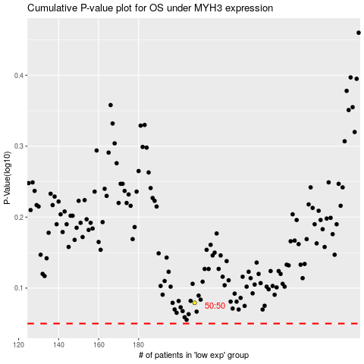

 |  |  |  |  |  | cases_OS | p_OS | rank | exp
 |  |  |  |  |  |  | cases_RFS | p_RFS | rank | exp

