MYH6 _multivariate
Reported by Tex Li-Hsing Chi. tex@gate.sinica.edu.tw 2019-08-17

Table 2. The clinicopathological features of HNSCC cohort and MYH6 expression. (Chi square test)
Cutoff at -0.171 (50.0%)
 |  | MYH6 expression |  | MYH6 expression |  | (Optimised)
 | Features | Low | (%) | High | (%) | Case no | P-value | Remark | Matthews
Gender | Female | 160 | 38.6 | 146 | 35.2 | 415 | 0.1254 | 0 | 0
2 | Male | 47 | 11.3 | 62 | 14.9
Age at diagnosis | <=65y | 128 | 30.8 | 146 | 35.2 | 415 | 0.0904 | 0 | 0
4 | >65y | 79 | 19 | 62 | 14.9
Clinical T Status | T1+T2 | 62 | 14.9 | 87 | 21 | 415 | 0.0156 | 1 | 0
6 | T3+T4 | 145 | 34.9 | 121 | 29.2
Clinical N Status | N0 | 109 | 26.3 | 107 | 25.8 | 415 | 0.8812 | 0 | 0
8 | N1-3 | 98 | 23.6 | 101 | 24.3
Clinical M Status | M0 | 204 | 49.2 | 208 | 50.1 | 415 | 0.1232 | 0 | 0
10 | M1 | 3 | 0.7 | 0 | 0
Clinical Stage | Stage I+II | 39 | 9.4 | 63 | 15.2 | 415 | 0.0095 | 1 | 0
12 | Stage III+IV | 168 | 40.5 | 145 | 34.9
Surgical Margin status | Negative | 151 | 36.4 | 167 | 40.2 | 415 | 0.0828 | 0 | 0
14 | Positive | 56 | 13.5 | 41 | 9.9
Tobacco Exposure | Low | 79 | 19 | 82 | 19.8 | 415 | 0.8405 | 0 | 0
16 | High | 128 | 30.8 | 126 | 30.4

Table 3. Univariate/Multivariate Cox's proportional hazards regression analyses on OS time of MYH6 gene expression in HNSCC

 |  | Univariate |  |  |  | Multivariate
 | Features | HR | CI95%(L) | CI95%(H) | P-value | HR | CI95%(L) | CI95%(H) | P-value
1 | Female | 1 |  |  |  | 1
Gender | Male | 1.157 | 0.843 | 1.587 | 0.367 | 1.184 | 0.846 | 1.655 | 0.325
11 | <=65y | 1 |  |  |  | 1
Age at diagnosis | >65y | 1.329 | 0.99 | 1.784 | 0.058 | 1.414 | 1.039 | 1.925 | 0.028
12 | T1+T2 | 1 |  |  |  | 1
Clinical T Status | T3+T4 | 1.409 | 1.028 | 1.931 | 0.033 | 2.203 | 1.165 | 4.166 | 0.015
13 | N0 | 1 |  |  |  | 1
Clinical N Status | N1-3 | 1.185 | 0.89 | 1.577 | 0.246 | 1.222 | 0.855 | 1.745 | 0.271
14 | M0 | 1 |  |  |  | 1
Clinical M Status | M1 | 4.097 | 1.009 | 16.644 | 0.049 | 10.435 | 2.258 | 48.222 | 0.003
15 | Stage I+II | 1 |  |  |  | 1
Clinical Stage | Stage III+IV | 1.245 | 0.882 | 1.759 | 0.213 | 0.524 | 0.244 | 1.127 | 0.098
16 | Negative | 1 |  |  |  | 1
Surgical Margin status | Positive | 1.591 | 1.155 | 2.191 | 0.004 | 1.7 | 1.229 | 2.351 | 0.001
17 | Low | 1 |  |  |  | 1
Tobacco Exposure | High | 1.364 | 1.008 | 1.844 | 0.044 | 1.443 | 1.048 | 1.987 | 0.025
18 | Low | 1 |  |  |  | 1
RNAseq(z-score) | High | 1.138 | 0.853 | 1.519 | 0.38 | 1.227 | 0.912 | 1.651 | 0.176

Table 4. Univariate/Multivariate Cox's proportional hazards regression analyses on RFS time of MYH6 gene expression in HNSCC

 |  | Univariate |  |  |  | Multivariate
 | Features | HR | CI95%(L) | CI95%(H) | P-value | HR | CI95%(L) | CI95%(H) | P-value
1 | Female | 1 |  |  |  | 1
Gender | Male | 1.157 | 0.843 | 1.587 | 0.367 | 1.184 | 0.846 | 1.655 | 0.325
11 | <=65y | 1 |  |  |  | 1
Age at diagnosis | >65y | 1.329 | 0.99 | 1.784 | 0.058 | 1.414 | 1.039 | 1.925 | 0.028
12 | T1+T2 | 1 |  |  |  | 1
Clinical T Status | T3+T4 | 1.409 | 1.028 | 1.931 | 0.033 | 2.203 | 1.165 | 4.166 | 0.015
13 | N0 | 1 |  |  |  | 1
Clinical N Status | N1-3 | 1.185 | 0.89 | 1.577 | 0.246 | 1.222 | 0.855 | 1.745 | 0.271
14 | M0 | 1 |  |  |  | 1
Clinical M Status | M1 | 4.097 | 1.009 | 16.644 | 0.049 | 10.435 | 2.258 | 48.222 | 0.003
15 | Stage I+II | 1 |  |  |  | 1
Clinical Stage | Stage III+IV | 1.245 | 0.882 | 1.759 | 0.213 | 0.524 | 0.244 | 1.127 | 0.098
16 | Negative | 1 |  |  |  | 1
Surgical Margin status | Positive | 1.591 | 1.155 | 2.191 | 0.004 | 1.7 | 1.229 | 2.351 | 0.001
17 | Low | 1 |  |  |  | 1
Tobacco Exposure | High | 1.364 | 1.008 | 1.844 | 0.044 | 1.443 | 1.048 | 1.987 | 0.025
18 | Low | 1 |  |  |  | 1
RNAseq(z-score) | High | 1.138 | 0.853 | 1.519 | 0.38 | 1.227 | 0.912 | 1.651 | 0.176

Kaplan-Meier survival estimate: Cutoff at -0.171 (50.0%)



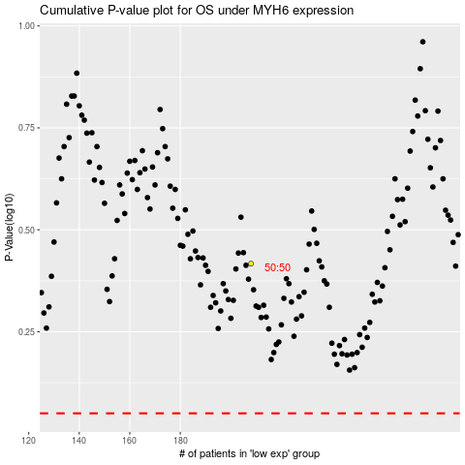

 |  |  |  |  |  | cases_OS | p_OS | rank | exp
 |  |  |  |  |  |  | cases_RFS | p_RFS | rank | exp

