MYH7B _multivariate
Reported by Tex Li-Hsing Chi. tex@gate.sinica.edu.tw 2019-08-17

Table 2. The clinicopathological features of HNSCC cohort and MYH7B expression. (Chi square test)
Cutoff at -0.11 (50.0%)
 |  | MYH7B expression |  | MYH7B expression |  | (Optimised)
 | Features | Low | (%) | High | (%) | Case no | P-value | Remark | Matthews
Gender | Female | 149 | 35.9 | 157 | 37.8 | 415 | 0.4848 | 0 | 0
2 | Male | 58 | 14 | 51 | 12.3
Age at diagnosis | <=65y | 127 | 30.6 | 147 | 35.4 | 415 | 0.0573 | 0 | 0
4 | >65y | 80 | 19.3 | 61 | 14.7
Clinical T Status | T1+T2 | 68 | 16.4 | 81 | 19.5 | 415 | 0.2336 | 0 | 0
6 | T3+T4 | 139 | 33.5 | 127 | 30.6
Clinical N Status | N0 | 109 | 26.3 | 107 | 25.8 | 415 | 0.8812 | 0 | 0
8 | N1-3 | 98 | 23.6 | 101 | 24.3
Clinical M Status | M0 | 205 | 49.4 | 207 | 49.9 | 415 | 0.6232 | 0 | 0
10 | M1 | 2 | 0.5 | 1 | 0.2
Clinical Stage | Stage I+II | 49 | 11.8 | 53 | 12.8 | 415 | 0.7535 | 0 | 0
12 | Stage III+IV | 158 | 38.1 | 155 | 37.3
Surgical Margin status | Negative | 158 | 38.1 | 160 | 38.6 | 415 | 0.9081 | 0 | 0
14 | Positive | 49 | 11.8 | 48 | 11.6
Tobacco Exposure | Low | 85 | 20.5 | 76 | 18.3 | 415 | 0.3655 | 0 | 0
16 | High | 122 | 29.4 | 132 | 31.8

Table 3. Univariate/Multivariate Cox's proportional hazards regression analyses on OS time of MYH7B gene expression in HNSCC

 |  | Univariate |  |  |  | Multivariate
 | Features | HR | CI95%(L) | CI95%(H) | P-value | HR | CI95%(L) | CI95%(H) | P-value
1 | Female | 1 |  |  |  | 1
Gender | Male | 1.157 | 0.843 | 1.587 | 0.367 | 1.199 | 0.858 | 1.675 | 0.288
11 | <=65y | 1 |  |  |  | 1
Age at diagnosis | >65y | 1.329 | 0.99 | 1.784 | 0.058 | 1.386 | 1.019 | 1.886 | 0.038
12 | T1+T2 | 1 |  |  |  | 1
Clinical T Status | T3+T4 | 1.409 | 1.028 | 1.931 | 0.033 | 2.195 | 1.161 | 4.152 | 0.016
13 | N0 | 1 |  |  |  | 1
Clinical N Status | N1-3 | 1.185 | 0.89 | 1.577 | 0.246 | 1.239 | 0.869 | 1.768 | 0.236
14 | M0 | 1 |  |  |  | 1
Clinical M Status | M1 | 4.097 | 1.009 | 16.644 | 0.049 | 9.329 | 2.034 | 42.796 | 0.004
15 | Stage I+II | 1 |  |  |  | 1
Clinical Stage | Stage III+IV | 1.245 | 0.882 | 1.759 | 0.213 | 0.509 | 0.237 | 1.094 | 0.084
16 | Negative | 1 |  |  |  | 1
Surgical Margin status | Positive | 1.591 | 1.155 | 2.191 | 0.004 | 1.671 | 1.209 | 2.308 | 0.002
17 | Low | 1 |  |  |  | 1
Tobacco Exposure | High | 1.364 | 1.008 | 1.844 | 0.044 | 1.46 | 1.058 | 2.015 | 0.021
18 | Low | 1 |  |  |  | 1
RNAseq(z-score) | High | 0.933 | 0.701 | 1.243 | 0.636 | 0.952 | 0.711 | 1.274 | 0.741

Table 4. Univariate/Multivariate Cox's proportional hazards regression analyses on RFS time of MYH7B gene expression in HNSCC

 |  | Univariate |  |  |  | Multivariate
 | Features | HR | CI95%(L) | CI95%(H) | P-value | HR | CI95%(L) | CI95%(H) | P-value
1 | Female | 1 |  |  |  | 1
Gender | Male | 1.157 | 0.843 | 1.587 | 0.367 | 1.199 | 0.858 | 1.675 | 0.288
11 | <=65y | 1 |  |  |  | 1
Age at diagnosis | >65y | 1.329 | 0.99 | 1.784 | 0.058 | 1.386 | 1.019 | 1.886 | 0.038
12 | T1+T2 | 1 |  |  |  | 1
Clinical T Status | T3+T4 | 1.409 | 1.028 | 1.931 | 0.033 | 2.195 | 1.161 | 4.152 | 0.016
13 | N0 | 1 |  |  |  | 1
Clinical N Status | N1-3 | 1.185 | 0.89 | 1.577 | 0.246 | 1.239 | 0.869 | 1.768 | 0.236
14 | M0 | 1 |  |  |  | 1
Clinical M Status | M1 | 4.097 | 1.009 | 16.644 | 0.049 | 9.329 | 2.034 | 42.796 | 0.004
15 | Stage I+II | 1 |  |  |  | 1
Clinical Stage | Stage III+IV | 1.245 | 0.882 | 1.759 | 0.213 | 0.509 | 0.237 | 1.094 | 0.084
16 | Negative | 1 |  |  |  | 1
Surgical Margin status | Positive | 1.591 | 1.155 | 2.191 | 0.004 | 1.671 | 1.209 | 2.308 | 0.002
17 | Low | 1 |  |  |  | 1
Tobacco Exposure | High | 1.364 | 1.008 | 1.844 | 0.044 | 1.46 | 1.058 | 2.015 | 0.021
18 | Low | 1 |  |  |  | 1
RNAseq(z-score) | High | 0.933 | 0.701 | 1.243 | 0.636 | 0.952 | 0.711 | 1.274 | 0.741

Kaplan-Meier survival estimate: Cutoff at -0.11 (50.0%)



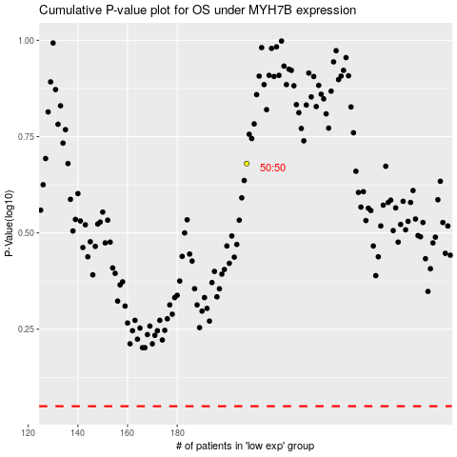

 |  |  |  |  |  | cases_OS | p_OS | rank | exp
 |  |  |  |  |  |  | cases_RFS | p_RFS | rank | exp

