MYL12A _multivariate
Reported by Tex Li-Hsing Chi. tex@gate.sinica.edu.tw 2019-08-17

Table 2. The clinicopathological features of HNSCC cohort and MYL12A expression. (Chi square test)
Cutoff at -0.168 (50.0%)
 |  | MYL12A expression |  | MYL12A expression |  | (Optimised)
 | Features | Low | (%) | High | (%) | Case no | P-value | Remark | Matthews
Gender | Female | 154 | 37.1 | 152 | 36.6 | 415 | 0.8463 | 0 | 0
2 | Male | 53 | 12.8 | 56 | 13.5
Age at diagnosis | <=65y | 134 | 32.3 | 140 | 33.7 | 415 | 0.6529 | 0 | 0
4 | >65y | 73 | 17.6 | 68 | 16.4
Clinical T Status | T1+T2 | 77 | 18.6 | 72 | 17.3 | 415 | 0.6556 | 0 | 0
6 | T3+T4 | 130 | 31.3 | 136 | 32.8
Clinical N Status | N0 | 106 | 25.5 | 110 | 26.5 | 415 | 0.8075 | 0 | 0
8 | N1-3 | 101 | 24.3 | 98 | 23.6
Clinical M Status | M0 | 206 | 49.6 | 206 | 49.6 | 415 | 1 | 0 | 0
10 | M1 | 1 | 0.2 | 2 | 0.5
Clinical Stage | Stage I+II | 54 | 13 | 48 | 11.6 | 415 | 0.5498 | 0 | 0
12 | Stage III+IV | 153 | 36.9 | 160 | 38.6
Surgical Margin status | Negative | 157 | 37.8 | 161 | 38.8 | 415 | 0.729 | 0 | 0
14 | Positive | 50 | 12 | 47 | 11.3
Tobacco Exposure | Low | 75 | 18.1 | 86 | 20.7 | 415 | 0.3141 | 0 | 0
16 | High | 132 | 31.8 | 122 | 29.4

Table 3. Univariate/Multivariate Cox's proportional hazards regression analyses on OS time of MYL12A gene expression in HNSCC

 |  | Univariate |  |  |  | Multivariate
 | Features | HR | CI95%(L) | CI95%(H) | P-value | HR | CI95%(L) | CI95%(H) | P-value
1 | Female | 1 |  |  |  | 1
Gender | Male | 1.157 | 0.843 | 1.587 | 0.367 | 1.206 | 0.863 | 1.687 | 0.272
11 | <=65y | 1 |  |  |  | 1
Age at diagnosis | >65y | 1.329 | 0.99 | 1.784 | 0.058 | 1.388 | 1.021 | 1.887 | 0.037
12 | T1+T2 | 1 |  |  |  | 1
Clinical T Status | T3+T4 | 1.409 | 1.028 | 1.931 | 0.033 | 2.204 | 1.165 | 4.166 | 0.015
13 | N0 | 1 |  |  |  | 1
Clinical N Status | N1-3 | 1.185 | 0.89 | 1.577 | 0.246 | 1.237 | 0.866 | 1.765 | 0.242
14 | M0 | 1 |  |  |  | 1
Clinical M Status | M1 | 4.097 | 1.009 | 16.644 | 0.049 | 9.573 | 2.082 | 44.028 | 0.004
15 | Stage I+II | 1 |  |  |  | 1
Clinical Stage | Stage III+IV | 1.245 | 0.882 | 1.759 | 0.213 | 0.506 | 0.236 | 1.086 | 0.081
16 | Negative | 1 |  |  |  | 1
Surgical Margin status | Positive | 1.591 | 1.155 | 2.191 | 0.004 | 1.67 | 1.209 | 2.308 | 0.002
17 | Low | 1 |  |  |  | 1
Tobacco Exposure | High | 1.364 | 1.008 | 1.844 | 0.044 | 1.45 | 1.052 | 1.998 | 0.023
18 | Low | 1 |  |  |  | 1
RNAseq(z-score) | High | 0.936 | 0.702 | 1.248 | 0.653 | 0.95 | 0.711 | 1.27 | 0.729

Table 4. Univariate/Multivariate Cox's proportional hazards regression analyses on RFS time of MYL12A gene expression in HNSCC

 |  | Univariate |  |  |  | Multivariate
 | Features | HR | CI95%(L) | CI95%(H) | P-value | HR | CI95%(L) | CI95%(H) | P-value
1 | Female | 1 |  |  |  | 1
Gender | Male | 1.157 | 0.843 | 1.587 | 0.367 | 1.206 | 0.863 | 1.687 | 0.272
11 | <=65y | 1 |  |  |  | 1
Age at diagnosis | >65y | 1.329 | 0.99 | 1.784 | 0.058 | 1.388 | 1.021 | 1.887 | 0.037
12 | T1+T2 | 1 |  |  |  | 1
Clinical T Status | T3+T4 | 1.409 | 1.028 | 1.931 | 0.033 | 2.204 | 1.165 | 4.166 | 0.015
13 | N0 | 1 |  |  |  | 1
Clinical N Status | N1-3 | 1.185 | 0.89 | 1.577 | 0.246 | 1.237 | 0.866 | 1.765 | 0.242
14 | M0 | 1 |  |  |  | 1
Clinical M Status | M1 | 4.097 | 1.009 | 16.644 | 0.049 | 9.573 | 2.082 | 44.028 | 0.004
15 | Stage I+II | 1 |  |  |  | 1
Clinical Stage | Stage III+IV | 1.245 | 0.882 | 1.759 | 0.213 | 0.506 | 0.236 | 1.086 | 0.081
16 | Negative | 1 |  |  |  | 1
Surgical Margin status | Positive | 1.591 | 1.155 | 2.191 | 0.004 | 1.67 | 1.209 | 2.308 | 0.002
17 | Low | 1 |  |  |  | 1
Tobacco Exposure | High | 1.364 | 1.008 | 1.844 | 0.044 | 1.45 | 1.052 | 1.998 | 0.023
18 | Low | 1 |  |  |  | 1
RNAseq(z-score) | High | 0.936 | 0.702 | 1.248 | 0.653 | 0.95 | 0.711 | 1.27 | 0.729

Kaplan-Meier survival estimate: Cutoff at -0.168 (50.0%)



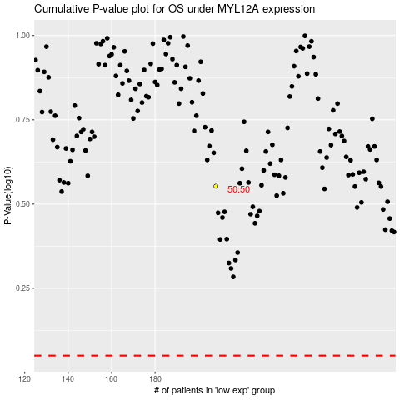

 |  |  |  |  |  | cases_OS | p_OS | rank | exp
 |  |  |  |  |  |  | cases_RFS | p_RFS | rank | exp

