MYL3 _multivariate
Reported by Tex Li-Hsing Chi. tex@gate.sinica.edu.tw 2019-08-17

Table 2. The clinicopathological features of HNSCC cohort and MYL3 expression. (Chi square test)
Cutoff at -0.165 (33.1%)
 |  | MYL3 expression |  | MYL3 expression |  | (Optimised)
 | Features | Low | (%) | High | (%) | Case no | P-value | Remark | Matthews
Gender | Female | 109 | 26.3 | 197 | 47.5 | 415 | 0.0759 | 0 | 0
2 | Male | 28 | 6.7 | 81 | 19.5
Age at diagnosis | <=65y | 92 | 22.2 | 182 | 43.9 | 415 | 0.8175 | 0 | 0
4 | >65y | 45 | 10.8 | 96 | 23.1
Clinical T Status | T1+T2 | 44 | 10.6 | 105 | 25.3 | 415 | 0.3077 | 0 | 0
6 | T3+T4 | 93 | 22.4 | 173 | 41.7
Clinical N Status | N0 | 67 | 16.1 | 149 | 35.9 | 415 | 0.4265 | 0 | 0
8 | N1-3 | 70 | 16.9 | 129 | 31.1
Clinical M Status | M0 | 134 | 32.3 | 278 | 67 | 415 | 0.0354 | 1 | 0
10 | M1 | 3 | 0.7 | 0 | 0
Clinical Stage | Stage I+II | 25 | 6 | 77 | 18.6 | 415 | 0.0476 | 1 | 0
12 | Stage III+IV | 112 | 27 | 201 | 48.4
Surgical Margin status | Negative | 100 | 24.1 | 218 | 52.5 | 415 | 0.2204 | 0 | 0
14 | Positive | 37 | 8.9 | 60 | 14.5
Tobacco Exposure | Low | 55 | 13.3 | 106 | 25.5 | 415 | 0.7481 | 0 | 0
16 | High | 82 | 19.8 | 172 | 41.4

Table 3. Univariate/Multivariate Cox's proportional hazards regression analyses on OS time of MYL3 gene expression in HNSCC

 |  | Univariate |  |  |  | Multivariate
 | Features | HR | CI95%(L) | CI95%(H) | P-value | HR | CI95%(L) | CI95%(H) | P-value
1 | Female | 1 |  |  |  | 1
Gender | Male | 1.157 | 0.843 | 1.587 | 0.367 | 1.138 | 0.813 | 1.592 | 0.451
11 | <=65y | 1 |  |  |  | 1
Age at diagnosis | >65y | 1.329 | 0.99 | 1.784 | 0.058 | 1.378 | 1.012 | 1.875 | 0.042
12 | T1+T2 | 1 |  |  |  | 1
Clinical T Status | T3+T4 | 1.409 | 1.028 | 1.931 | 0.033 | 2.185 | 1.154 | 4.135 | 0.016
13 | N0 | 1 |  |  |  | 1
Clinical N Status | N1-3 | 1.185 | 0.89 | 1.577 | 0.246 | 1.249 | 0.875 | 1.784 | 0.22
14 | M0 | 1 |  |  |  | 1
Clinical M Status | M1 | 4.097 | 1.009 | 16.644 | 0.049 | 12.323 | 2.64 | 57.517 | 0.001
15 | Stage I+II | 1 |  |  |  | 1
Clinical Stage | Stage III+IV | 1.245 | 0.882 | 1.759 | 0.213 | 0.535 | 0.249 | 1.15 | 0.109
16 | Negative | 1 |  |  |  | 1
Surgical Margin status | Positive | 1.591 | 1.155 | 2.191 | 0.004 | 1.732 | 1.252 | 2.395 | 0.001
17 | Low | 1 |  |  |  | 1
Tobacco Exposure | High | 1.364 | 1.008 | 1.844 | 0.044 | 1.42 | 1.03 | 1.957 | 0.032
18 | Low | 1 |  |  |  | 1
RNAseq(z-score) | High | 1.445 | 1.034 | 2.019 | 0.031 | 1.543 | 1.09 | 2.183 | 0.014

Table 4. Univariate/Multivariate Cox's proportional hazards regression analyses on RFS time of MYL3 gene expression in HNSCC

 |  | Univariate |  |  |  | Multivariate
 | Features | HR | CI95%(L) | CI95%(H) | P-value | HR | CI95%(L) | CI95%(H) | P-value
1 | Female | 1 |  |  |  | 1
Gender | Male | 1.157 | 0.843 | 1.587 | 0.367 | 1.138 | 0.813 | 1.592 | 0.451
11 | <=65y | 1 |  |  |  | 1
Age at diagnosis | >65y | 1.329 | 0.99 | 1.784 | 0.058 | 1.378 | 1.012 | 1.875 | 0.042
12 | T1+T2 | 1 |  |  |  | 1
Clinical T Status | T3+T4 | 1.409 | 1.028 | 1.931 | 0.033 | 2.185 | 1.154 | 4.135 | 0.016
13 | N0 | 1 |  |  |  | 1
Clinical N Status | N1-3 | 1.185 | 0.89 | 1.577 | 0.246 | 1.249 | 0.875 | 1.784 | 0.22
14 | M0 | 1 |  |  |  | 1
Clinical M Status | M1 | 4.097 | 1.009 | 16.644 | 0.049 | 12.323 | 2.64 | 57.517 | 0.001
15 | Stage I+II | 1 |  |  |  | 1
Clinical Stage | Stage III+IV | 1.245 | 0.882 | 1.759 | 0.213 | 0.535 | 0.249 | 1.15 | 0.109
16 | Negative | 1 |  |  |  | 1
Surgical Margin status | Positive | 1.591 | 1.155 | 2.191 | 0.004 | 1.732 | 1.252 | 2.395 | 0.001
17 | Low | 1 |  |  |  | 1
Tobacco Exposure | High | 1.364 | 1.008 | 1.844 | 0.044 | 1.42 | 1.03 | 1.957 | 0.032
18 | Low | 1 |  |  |  | 1
RNAseq(z-score) | High | 1.445 | 1.034 | 2.019 | 0.031 | 1.543 | 1.09 | 2.183 | 0.014

Kaplan-Meier survival estimate: Cutoff at -0.165 (33.1%)

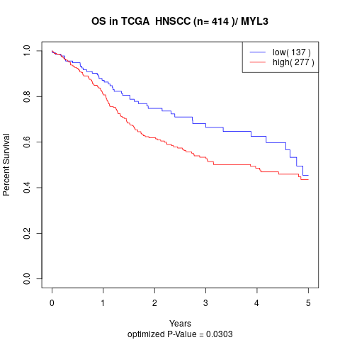

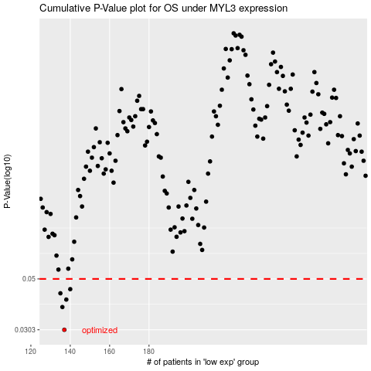

 |  |  |  |  |  | cases_OS | p_OS | rank | exp
 |  |  |  |  |  | 137 | 0.0303 | 137 | -0.16522388071
 |  |  |  |  |  | 136 | 0.0379 | 6 | -0.16522482462
 |  |  |  |  |  | 138 | 0.0408 | 97 | -0.16520681768
 |  |  |  |  |  | 135 | 0.0434 | 101 | -0.16522983462
 |  |  |  |  |  | 140 | 0.0452 | 69 | -0.16519222334
 |  |  |  |  |  |  | cases_RFS | p_RFS | rank | exp
 |  |  |  |  |  |  | 136 | 0.0303 | 6 | -0.16522482462
 |  |  |  |  |  |  | 135 | 0.0379 | 101 | -0.16522983462
 |  |  |  |  |  |  | 137 | 0.0408 | 137 | -0.16522388071
 |  |  |  |  |  |  | 134 | 0.0434 | 105 | -0.16523295679
 |  |  |  |  |  |  | 139 | 0.0452 | 365 | -0.16519469204

