MYL5 _multivariate
Reported by Tex Li-Hsing Chi. tex@gate.sinica.edu.tw 2019-08-17

Table 2. The clinicopathological features of HNSCC cohort and MYL5 expression. (Chi square test)
Cutoff at -0.355 (50.0%)
 |  | MYL5 expression |  | MYL5 expression |  | (Optimised)
 | Features | Low | (%) | High | (%) | Case no | P-value | Remark | Matthews
Gender | Female | 160 | 38.6 | 146 | 35.2 | 415 | 0.1254 | 0 | 0
2 | Male | 47 | 11.3 | 62 | 14.9
Age at diagnosis | <=65y | 141 | 34 | 133 | 32 | 415 | 0.4272 | 0 | 0
4 | >65y | 66 | 15.9 | 75 | 18.1
Clinical T Status | T1+T2 | 70 | 16.9 | 79 | 19 | 415 | 0.4343 | 0 | 0
6 | T3+T4 | 137 | 33 | 129 | 31.1
Clinical N Status | N0 | 103 | 24.8 | 113 | 27.2 | 415 | 0.4047 | 0 | 0
8 | N1-3 | 104 | 25.1 | 95 | 22.9
Clinical M Status | M0 | 207 | 49.9 | 205 | 49.4 | 415 | 0.2482 | 0 | 0
10 | M1 | 0 | 0 | 3 | 0.7
Clinical Stage | Stage I+II | 49 | 11.8 | 53 | 12.8 | 415 | 0.7535 | 0 | 0
12 | Stage III+IV | 158 | 38.1 | 155 | 37.3
Surgical Margin status | Negative | 163 | 39.3 | 155 | 37.3 | 415 | 0.3537 | 0 | 0
14 | Positive | 44 | 10.6 | 53 | 12.8
Tobacco Exposure | Low | 71 | 17.1 | 90 | 21.7 | 415 | 0.0698 | 0 | 0
16 | High | 136 | 32.8 | 118 | 28.4

Table 3. Univariate/Multivariate Cox's proportional hazards regression analyses on OS time of MYL5 gene expression in HNSCC

 |  | Univariate |  |  |  | Multivariate
 | Features | HR | CI95%(L) | CI95%(H) | P-value | HR | CI95%(L) | CI95%(H) | P-value
1 | Female | 1 |  |  |  | 1
Gender | Male | 1.157 | 0.843 | 1.587 | 0.367 | 1.214 | 0.867 | 1.7 | 0.259
11 | <=65y | 1 |  |  |  | 1
Age at diagnosis | >65y | 1.329 | 0.99 | 1.784 | 0.058 | 1.397 | 1.027 | 1.9 | 0.033
12 | T1+T2 | 1 |  |  |  | 1
Clinical T Status | T3+T4 | 1.409 | 1.028 | 1.931 | 0.033 | 2.189 | 1.158 | 4.14 | 0.016
13 | N0 | 1 |  |  |  | 1
Clinical N Status | N1-3 | 1.185 | 0.89 | 1.577 | 0.246 | 1.236 | 0.866 | 1.765 | 0.242
14 | M0 | 1 |  |  |  | 1
Clinical M Status | M1 | 4.097 | 1.009 | 16.644 | 0.049 | 9.792 | 2.12 | 45.24 | 0.003
15 | Stage I+II | 1 |  |  |  | 1
Clinical Stage | Stage III+IV | 1.245 | 0.882 | 1.759 | 0.213 | 0.507 | 0.236 | 1.089 | 0.082
16 | Negative | 1 |  |  |  | 1
Surgical Margin status | Positive | 1.591 | 1.155 | 2.191 | 0.004 | 1.677 | 1.214 | 2.318 | 0.002
17 | Low | 1 |  |  |  | 1
Tobacco Exposure | High | 1.364 | 1.008 | 1.844 | 0.044 | 1.454 | 1.055 | 2.005 | 0.022
18 | Low | 1 |  |  |  | 1
RNAseq(z-score) | High | 0.946 | 0.709 | 1.263 | 0.707 | 0.925 | 0.69 | 1.241 | 0.604

Table 4. Univariate/Multivariate Cox's proportional hazards regression analyses on RFS time of MYL5 gene expression in HNSCC

 |  | Univariate |  |  |  | Multivariate
 | Features | HR | CI95%(L) | CI95%(H) | P-value | HR | CI95%(L) | CI95%(H) | P-value
1 | Female | 1 |  |  |  | 1
Gender | Male | 1.157 | 0.843 | 1.587 | 0.367 | 1.214 | 0.867 | 1.7 | 0.259
11 | <=65y | 1 |  |  |  | 1
Age at diagnosis | >65y | 1.329 | 0.99 | 1.784 | 0.058 | 1.397 | 1.027 | 1.9 | 0.033
12 | T1+T2 | 1 |  |  |  | 1
Clinical T Status | T3+T4 | 1.409 | 1.028 | 1.931 | 0.033 | 2.189 | 1.158 | 4.14 | 0.016
13 | N0 | 1 |  |  |  | 1
Clinical N Status | N1-3 | 1.185 | 0.89 | 1.577 | 0.246 | 1.236 | 0.866 | 1.765 | 0.242
14 | M0 | 1 |  |  |  | 1
Clinical M Status | M1 | 4.097 | 1.009 | 16.644 | 0.049 | 9.792 | 2.12 | 45.24 | 0.003
15 | Stage I+II | 1 |  |  |  | 1
Clinical Stage | Stage III+IV | 1.245 | 0.882 | 1.759 | 0.213 | 0.507 | 0.236 | 1.089 | 0.082
16 | Negative | 1 |  |  |  | 1
Surgical Margin status | Positive | 1.591 | 1.155 | 2.191 | 0.004 | 1.677 | 1.214 | 2.318 | 0.002
17 | Low | 1 |  |  |  | 1
Tobacco Exposure | High | 1.364 | 1.008 | 1.844 | 0.044 | 1.454 | 1.055 | 2.005 | 0.022
18 | Low | 1 |  |  |  | 1
RNAseq(z-score) | High | 0.946 | 0.709 | 1.263 | 0.707 | 0.925 | 0.69 | 1.241 | 0.604

Kaplan-Meier survival estimate: Cutoff at -0.355 (50.0%)



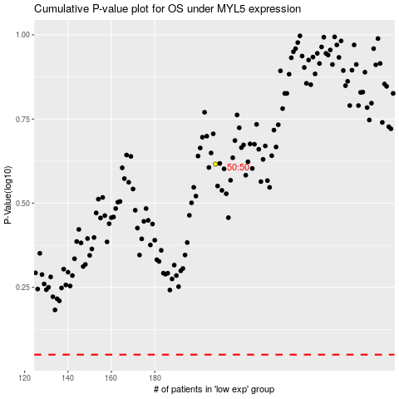

 |  |  |  |  |  | cases_OS | p_OS | rank | exp
 |  |  |  |  |  |  | cases_RFS | p_RFS | rank | exp

