MYL6 _multivariate
Reported by Tex Li-Hsing Chi. tex@gate.sinica.edu.tw 2019-08-17

Table 2. The clinicopathological features of HNSCC cohort and MYL6 expression. (Chi square test)
Cutoff at -0.28 (50.0%)
 |  | MYL6 expression |  | MYL6 expression |  | (Optimised)
 | Features | Low | (%) | High | (%) | Case no | P-value | Remark | Matthews
Gender | Female | 160 | 38.6 | 146 | 35.2 | 415 | 0.1254 | 0 | 0
2 | Male | 47 | 11.3 | 62 | 14.9
Age at diagnosis | <=65y | 140 | 33.7 | 134 | 32.3 | 415 | 0.5574 | 0 | 0
4 | >65y | 67 | 16.1 | 74 | 17.8
Clinical T Status | T1+T2 | 76 | 18.3 | 73 | 17.6 | 415 | 0.8092 | 0 | 0
6 | T3+T4 | 131 | 31.6 | 135 | 32.5
Clinical N Status | N0 | 102 | 24.6 | 114 | 27.5 | 415 | 0.3031 | 0 | 0
8 | N1-3 | 105 | 25.3 | 94 | 22.7
Clinical M Status | M0 | 207 | 49.9 | 205 | 49.4 | 415 | 0.2482 | 0 | 0
10 | M1 | 0 | 0 | 3 | 0.7
Clinical Stage | Stage I+II | 51 | 12.3 | 51 | 12.3 | 415 | 1 | 0 | 0
12 | Stage III+IV | 156 | 37.6 | 157 | 37.8
Surgical Margin status | Negative | 163 | 39.3 | 155 | 37.3 | 415 | 0.3537 | 0 | 0
14 | Positive | 44 | 10.6 | 53 | 12.8
Tobacco Exposure | Low | 74 | 17.8 | 87 | 21 | 415 | 0.227 | 0 | 0
16 | High | 133 | 32 | 121 | 29.2

Table 3. Univariate/Multivariate Cox's proportional hazards regression analyses on OS time of MYL6 gene expression in HNSCC

 |  | Univariate |  |  |  | Multivariate
 | Features | HR | CI95%(L) | CI95%(H) | P-value | HR | CI95%(L) | CI95%(H) | P-value
1 | Female | 1 |  |  |  | 1
Gender | Male | 1.157 | 0.843 | 1.587 | 0.367 | 1.22 | 0.869 | 1.713 | 0.25
11 | <=65y | 1 |  |  |  | 1
Age at diagnosis | >65y | 1.329 | 0.99 | 1.784 | 0.058 | 1.391 | 1.023 | 1.891 | 0.035
12 | T1+T2 | 1 |  |  |  | 1
Clinical T Status | T3+T4 | 1.409 | 1.028 | 1.931 | 0.033 | 2.206 | 1.167 | 4.171 | 0.015
13 | N0 | 1 |  |  |  | 1
Clinical N Status | N1-3 | 1.185 | 0.89 | 1.577 | 0.246 | 1.23 | 0.861 | 1.758 | 0.255
14 | M0 | 1 |  |  |  | 1
Clinical M Status | M1 | 4.097 | 1.009 | 16.644 | 0.049 | 9.876 | 2.13 | 45.8 | 0.003
15 | Stage I+II | 1 |  |  |  | 1
Clinical Stage | Stage III+IV | 1.245 | 0.882 | 1.759 | 0.213 | 0.506 | 0.236 | 1.087 | 0.081
16 | Negative | 1 |  |  |  | 1
Surgical Margin status | Positive | 1.591 | 1.155 | 2.191 | 0.004 | 1.681 | 1.216 | 2.324 | 0.002
17 | Low | 1 |  |  |  | 1
Tobacco Exposure | High | 1.364 | 1.008 | 1.844 | 0.044 | 1.462 | 1.06 | 2.016 | 0.021
18 | Low | 1 |  |  |  | 1
RNAseq(z-score) | High | 0.993 | 0.745 | 1.323 | 0.961 | 0.925 | 0.689 | 1.243 | 0.607

Table 4. Univariate/Multivariate Cox's proportional hazards regression analyses on RFS time of MYL6 gene expression in HNSCC

 |  | Univariate |  |  |  | Multivariate
 | Features | HR | CI95%(L) | CI95%(H) | P-value | HR | CI95%(L) | CI95%(H) | P-value
1 | Female | 1 |  |  |  | 1
Gender | Male | 1.157 | 0.843 | 1.587 | 0.367 | 1.22 | 0.869 | 1.713 | 0.25
11 | <=65y | 1 |  |  |  | 1
Age at diagnosis | >65y | 1.329 | 0.99 | 1.784 | 0.058 | 1.391 | 1.023 | 1.891 | 0.035
12 | T1+T2 | 1 |  |  |  | 1
Clinical T Status | T3+T4 | 1.409 | 1.028 | 1.931 | 0.033 | 2.206 | 1.167 | 4.171 | 0.015
13 | N0 | 1 |  |  |  | 1
Clinical N Status | N1-3 | 1.185 | 0.89 | 1.577 | 0.246 | 1.23 | 0.861 | 1.758 | 0.255
14 | M0 | 1 |  |  |  | 1
Clinical M Status | M1 | 4.097 | 1.009 | 16.644 | 0.049 | 9.876 | 2.13 | 45.8 | 0.003
15 | Stage I+II | 1 |  |  |  | 1
Clinical Stage | Stage III+IV | 1.245 | 0.882 | 1.759 | 0.213 | 0.506 | 0.236 | 1.087 | 0.081
16 | Negative | 1 |  |  |  | 1
Surgical Margin status | Positive | 1.591 | 1.155 | 2.191 | 0.004 | 1.681 | 1.216 | 2.324 | 0.002
17 | Low | 1 |  |  |  | 1
Tobacco Exposure | High | 1.364 | 1.008 | 1.844 | 0.044 | 1.462 | 1.06 | 2.016 | 0.021
18 | Low | 1 |  |  |  | 1
RNAseq(z-score) | High | 0.993 | 0.745 | 1.323 | 0.961 | 0.925 | 0.689 | 1.243 | 0.607

Kaplan-Meier survival estimate: Cutoff at -0.28 (50.0%)



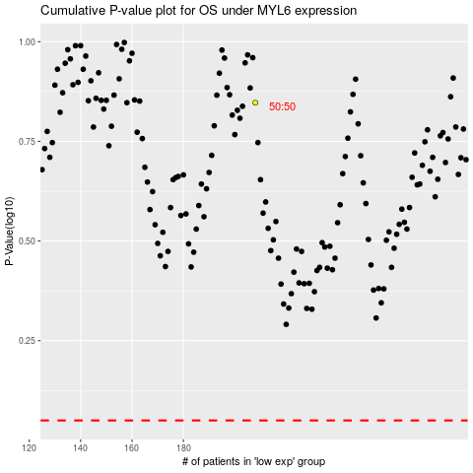

 |  |  |  |  |  | cases_OS | p_OS | rank | exp
 |  |  |  |  |  |  | cases_RFS | p_RFS | rank | exp

