MYL6B _multivariate
Reported by Tex Li-Hsing Chi. tex@gate.sinica.edu.tw 2019-08-17

Table 2. The clinicopathological features of HNSCC cohort and MYL6B expression. (Chi square test)
Cutoff at -0.275 (50.0%)
 |  | MYL6B expression |  | MYL6B expression |  | (Optimised)
 | Features | Low | (%) | High | (%) | Case no | P-value | Remark | Matthews
Gender | Female | 148 | 35.7 | 158 | 38.1 | 415 | 0.3567 | 0 | 0
2 | Male | 59 | 14.2 | 50 | 12
Age at diagnosis | <=65y | 129 | 31.1 | 145 | 34.9 | 415 | 0.1372 | 0 | 0
4 | >65y | 78 | 18.8 | 63 | 15.2
Clinical T Status | T1+T2 | 65 | 15.7 | 84 | 20.2 | 415 | 0.0711 | 0 | 0
6 | T3+T4 | 142 | 34.2 | 124 | 29.9
Clinical N Status | N0 | 121 | 29.2 | 95 | 22.9 | 415 | 0.0122 | 1 | 0
8 | N1-3 | 86 | 20.7 | 113 | 27.2
Clinical M Status | M0 | 206 | 49.6 | 206 | 49.6 | 415 | 1 | 0 | 0
10 | M1 | 1 | 0.2 | 2 | 0.5
Clinical Stage | Stage I+II | 50 | 12 | 52 | 12.5 | 415 | 0.9315 | 0 | 0
12 | Stage III+IV | 157 | 37.8 | 156 | 37.6
Surgical Margin status | Negative | 169 | 40.7 | 149 | 35.9 | 415 | 0.0201 | 1 | 0
14 | Positive | 38 | 9.2 | 59 | 14.2
Tobacco Exposure | Low | 80 | 19.3 | 81 | 19.5 | 415 | 1 | 0 | 0
16 | High | 127 | 30.6 | 127 | 30.6

Table 3. Univariate/Multivariate Cox's proportional hazards regression analyses on OS time of MYL6B gene expression in HNSCC

 |  | Univariate |  |  |  | Multivariate
 | Features | HR | CI95%(L) | CI95%(H) | P-value | HR | CI95%(L) | CI95%(H) | P-value
1 | Female | 1 |  |  |  | 1
Gender | Male | 1.157 | 0.843 | 1.587 | 0.367 | 1.201 | 0.86 | 1.678 | 0.283
11 | <=65y | 1 |  |  |  | 1
Age at diagnosis | >65y | 1.329 | 0.99 | 1.784 | 0.058 | 1.387 | 1.018 | 1.891 | 0.038
12 | T1+T2 | 1 |  |  |  | 1
Clinical T Status | T3+T4 | 1.409 | 1.028 | 1.931 | 0.033 | 2.196 | 1.16 | 4.156 | 0.016
13 | N0 | 1 |  |  |  | 1
Clinical N Status | N1-3 | 1.185 | 0.89 | 1.577 | 0.246 | 1.244 | 0.871 | 1.777 | 0.23
14 | M0 | 1 |  |  |  | 1
Clinical M Status | M1 | 4.097 | 1.009 | 16.644 | 0.049 | 9.436 | 2.058 | 43.275 | 0.004
15 | Stage I+II | 1 |  |  |  | 1
Clinical Stage | Stage III+IV | 1.245 | 0.882 | 1.759 | 0.213 | 0.505 | 0.235 | 1.085 | 0.08
16 | Negative | 1 |  |  |  | 1
Surgical Margin status | Positive | 1.591 | 1.155 | 2.191 | 0.004 | 1.677 | 1.211 | 2.323 | 0.002
17 | Low | 1 |  |  |  | 1
Tobacco Exposure | High | 1.364 | 1.008 | 1.844 | 0.044 | 1.452 | 1.054 | 2.001 | 0.022
18 | Low | 1 |  |  |  | 1
RNAseq(z-score) | High | 0.982 | 0.737 | 1.308 | 0.902 | 0.976 | 0.726 | 1.313 | 0.873

Table 4. Univariate/Multivariate Cox's proportional hazards regression analyses on RFS time of MYL6B gene expression in HNSCC

 |  | Univariate |  |  |  | Multivariate
 | Features | HR | CI95%(L) | CI95%(H) | P-value | HR | CI95%(L) | CI95%(H) | P-value
1 | Female | 1 |  |  |  | 1
Gender | Male | 1.157 | 0.843 | 1.587 | 0.367 | 1.201 | 0.86 | 1.678 | 0.283
11 | <=65y | 1 |  |  |  | 1
Age at diagnosis | >65y | 1.329 | 0.99 | 1.784 | 0.058 | 1.387 | 1.018 | 1.891 | 0.038
12 | T1+T2 | 1 |  |  |  | 1
Clinical T Status | T3+T4 | 1.409 | 1.028 | 1.931 | 0.033 | 2.196 | 1.16 | 4.156 | 0.016
13 | N0 | 1 |  |  |  | 1
Clinical N Status | N1-3 | 1.185 | 0.89 | 1.577 | 0.246 | 1.244 | 0.871 | 1.777 | 0.23
14 | M0 | 1 |  |  |  | 1
Clinical M Status | M1 | 4.097 | 1.009 | 16.644 | 0.049 | 9.436 | 2.058 | 43.275 | 0.004
15 | Stage I+II | 1 |  |  |  | 1
Clinical Stage | Stage III+IV | 1.245 | 0.882 | 1.759 | 0.213 | 0.505 | 0.235 | 1.085 | 0.08
16 | Negative | 1 |  |  |  | 1
Surgical Margin status | Positive | 1.591 | 1.155 | 2.191 | 0.004 | 1.677 | 1.211 | 2.323 | 0.002
17 | Low | 1 |  |  |  | 1
Tobacco Exposure | High | 1.364 | 1.008 | 1.844 | 0.044 | 1.452 | 1.054 | 2.001 | 0.022
18 | Low | 1 |  |  |  | 1
RNAseq(z-score) | High | 0.982 | 0.737 | 1.308 | 0.902 | 0.976 | 0.726 | 1.313 | 0.873

Kaplan-Meier survival estimate: Cutoff at -0.275 (50.0%)



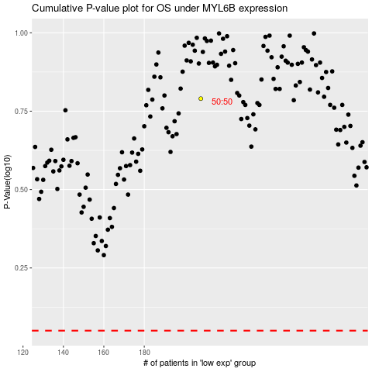

 |  |  |  |  |  | cases_OS | p_OS | rank | exp
 |  |  |  |  |  |  | cases_RFS | p_RFS | rank | exp

