MYO15A _multivariate
Reported by Tex Li-Hsing Chi. tex@gate.sinica.edu.tw 2019-08-17

Table 2. The clinicopathological features of HNSCC cohort and MYO15A expression. (Chi square test)
Cutoff at -0.214 (50.0%)
 |  | MYO15A expression |  | MYO15A expression |  | (Optimised)
 | Features | Low | (%) | High | (%) | Case no | P-value | Remark | Matthews
Gender | Female | 144 | 34.7 | 162 | 39 | 415 | 0.0697 | 0 | 0
2 | Male | 63 | 15.2 | 46 | 11.1
Age at diagnosis | <=65y | 137 | 33 | 137 | 33 | 415 | 1 | 0 | 0
4 | >65y | 70 | 16.9 | 71 | 17.1
Clinical T Status | T1+T2 | 77 | 18.6 | 72 | 17.3 | 415 | 0.6556 | 0 | 0
6 | T3+T4 | 130 | 31.3 | 136 | 32.8
Clinical N Status | N0 | 103 | 24.8 | 113 | 27.2 | 415 | 0.4047 | 0 | 0
8 | N1-3 | 104 | 25.1 | 95 | 22.9
Clinical M Status | M0 | 204 | 49.2 | 208 | 50.1 | 415 | 0.1232 | 0 | 0
10 | M1 | 3 | 0.7 | 0 | 0
Clinical Stage | Stage I+II | 52 | 12.5 | 50 | 12 | 415 | 0.8871 | 0 | 0
12 | Stage III+IV | 155 | 37.3 | 158 | 38.1
Surgical Margin status | Negative | 162 | 39 | 156 | 37.6 | 415 | 0.4867 | 0 | 0
14 | Positive | 45 | 10.8 | 52 | 12.5
Tobacco Exposure | Low | 85 | 20.5 | 76 | 18.3 | 415 | 0.3655 | 0 | 0
16 | High | 122 | 29.4 | 132 | 31.8

Table 3. Univariate/Multivariate Cox's proportional hazards regression analyses on OS time of MYO15A gene expression in HNSCC

 |  | Univariate |  |  |  | Multivariate
 | Features | HR | CI95%(L) | CI95%(H) | P-value | HR | CI95%(L) | CI95%(H) | P-value
1 | Female | 1 |  |  |  | 1
Gender | Male | 1.157 | 0.843 | 1.587 | 0.367 | 1.17 | 0.836 | 1.639 | 0.36
11 | <=65y | 1 |  |  |  | 1
Age at diagnosis | >65y | 1.329 | 0.99 | 1.784 | 0.058 | 1.388 | 1.021 | 1.888 | 0.036
12 | T1+T2 | 1 |  |  |  | 1
Clinical T Status | T3+T4 | 1.409 | 1.028 | 1.931 | 0.033 | 2.176 | 1.15 | 4.114 | 0.017
13 | N0 | 1 |  |  |  | 1
Clinical N Status | N1-3 | 1.185 | 0.89 | 1.577 | 0.246 | 1.216 | 0.851 | 1.737 | 0.283
14 | M0 | 1 |  |  |  | 1
Clinical M Status | M1 | 4.097 | 1.009 | 16.644 | 0.049 | 8.579 | 1.858 | 39.617 | 0.006
15 | Stage I+II | 1 |  |  |  | 1
Clinical Stage | Stage III+IV | 1.245 | 0.882 | 1.759 | 0.213 | 0.517 | 0.241 | 1.111 | 0.091
16 | Negative | 1 |  |  |  | 1
Surgical Margin status | Positive | 1.591 | 1.155 | 2.191 | 0.004 | 1.674 | 1.212 | 2.312 | 0.002
17 | Low | 1 |  |  |  | 1
Tobacco Exposure | High | 1.364 | 1.008 | 1.844 | 0.044 | 1.468 | 1.065 | 2.023 | 0.019
18 | Low | 1 |  |  |  | 1
RNAseq(z-score) | High | 0.817 | 0.612 | 1.09 | 0.169 | 0.844 | 0.628 | 1.134 | 0.26

Table 4. Univariate/Multivariate Cox's proportional hazards regression analyses on RFS time of MYO15A gene expression in HNSCC

 |  | Univariate |  |  |  | Multivariate
 | Features | HR | CI95%(L) | CI95%(H) | P-value | HR | CI95%(L) | CI95%(H) | P-value
1 | Female | 1 |  |  |  | 1
Gender | Male | 1.157 | 0.843 | 1.587 | 0.367 | 1.17 | 0.836 | 1.639 | 0.36
11 | <=65y | 1 |  |  |  | 1
Age at diagnosis | >65y | 1.329 | 0.99 | 1.784 | 0.058 | 1.388 | 1.021 | 1.888 | 0.036
12 | T1+T2 | 1 |  |  |  | 1
Clinical T Status | T3+T4 | 1.409 | 1.028 | 1.931 | 0.033 | 2.176 | 1.15 | 4.114 | 0.017
13 | N0 | 1 |  |  |  | 1
Clinical N Status | N1-3 | 1.185 | 0.89 | 1.577 | 0.246 | 1.216 | 0.851 | 1.737 | 0.283
14 | M0 | 1 |  |  |  | 1
Clinical M Status | M1 | 4.097 | 1.009 | 16.644 | 0.049 | 8.579 | 1.858 | 39.617 | 0.006
15 | Stage I+II | 1 |  |  |  | 1
Clinical Stage | Stage III+IV | 1.245 | 0.882 | 1.759 | 0.213 | 0.517 | 0.241 | 1.111 | 0.091
16 | Negative | 1 |  |  |  | 1
Surgical Margin status | Positive | 1.591 | 1.155 | 2.191 | 0.004 | 1.674 | 1.212 | 2.312 | 0.002
17 | Low | 1 |  |  |  | 1
Tobacco Exposure | High | 1.364 | 1.008 | 1.844 | 0.044 | 1.468 | 1.065 | 2.023 | 0.019
18 | Low | 1 |  |  |  | 1
RNAseq(z-score) | High | 0.817 | 0.612 | 1.09 | 0.169 | 0.844 | 0.628 | 1.134 | 0.26

Kaplan-Meier survival estimate: Cutoff at -0.214 (50.0%)



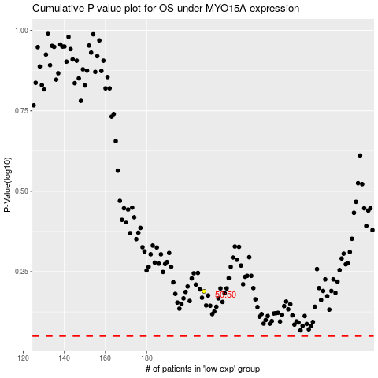

 |  |  |  |  |  | cases_OS | p_OS | rank | exp
 |  |  |  |  |  |  | cases_RFS | p_RFS | rank | exp

