MYO16 _multivariate
Reported by Tex Li-Hsing Chi. tex@gate.sinica.edu.tw 2019-08-17

Table 2. The clinicopathological features of HNSCC cohort and MYO16 expression. (Chi square test)
Cutoff at -0.24 (49.8%)
 |  | MYO16 expression |  | MYO16 expression |  | (Optimised)
 | Features | Low | (%) | High | (%) | Case no | P-value | Remark | Matthews
Gender | Female | 147 | 35.4 | 159 | 38.3 | 415 | 0.2523 | 0 | 0
2 | Male | 60 | 14.5 | 49 | 11.8
Age at diagnosis | <=65y | 126 | 30.4 | 148 | 35.7 | 415 | 0.035 | 1 | 0
4 | >65y | 81 | 19.5 | 60 | 14.5
Clinical T Status | T1+T2 | 66 | 15.9 | 83 | 20 | 415 | 0.1095 | 0 | 0
6 | T3+T4 | 141 | 34 | 125 | 30.1
Clinical N Status | N0 | 112 | 27 | 104 | 25.1 | 415 | 0.4599 | 0 | 0
8 | N1-3 | 95 | 22.9 | 104 | 25.1
Clinical M Status | M0 | 206 | 49.6 | 206 | 49.6 | 415 | 1 | 0 | 0
10 | M1 | 1 | 0.2 | 2 | 0.5
Clinical Stage | Stage I+II | 45 | 10.8 | 57 | 13.7 | 415 | 0.2202 | 0 | 0
12 | Stage III+IV | 162 | 39 | 151 | 36.4
Surgical Margin status | Negative | 159 | 38.3 | 159 | 38.3 | 415 | 1 | 0 | 0
14 | Positive | 48 | 11.6 | 49 | 11.8
Tobacco Exposure | Low | 82 | 19.8 | 79 | 19 | 415 | 0.763 | 0 | 0
16 | High | 125 | 30.1 | 129 | 31.1

Table 3. Univariate/Multivariate Cox's proportional hazards regression analyses on OS time of MYO16 gene expression in HNSCC

 |  | Univariate |  |  |  | Multivariate
 | Features | HR | CI95%(L) | CI95%(H) | P-value | HR | CI95%(L) | CI95%(H) | P-value
1 | Female | 1 |  |  |  | 1
Gender | Male | 1.157 | 0.843 | 1.587 | 0.367 | 1.202 | 0.861 | 1.68 | 0.28
11 | <=65y | 1 |  |  |  | 1
Age at diagnosis | >65y | 1.329 | 0.99 | 1.784 | 0.058 | 1.395 | 1.026 | 1.896 | 0.034
12 | T1+T2 | 1 |  |  |  | 1
Clinical T Status | T3+T4 | 1.409 | 1.028 | 1.931 | 0.033 | 2.208 | 1.168 | 4.176 | 0.015
13 | N0 | 1 |  |  |  | 1
Clinical N Status | N1-3 | 1.185 | 0.89 | 1.577 | 0.246 | 1.235 | 0.864 | 1.765 | 0.247
14 | M0 | 1 |  |  |  | 1
Clinical M Status | M1 | 4.097 | 1.009 | 16.644 | 0.049 | 9.327 | 2.032 | 42.808 | 0.004
15 | Stage I+II | 1 |  |  |  | 1
Clinical Stage | Stage III+IV | 1.245 | 0.882 | 1.759 | 0.213 | 0.507 | 0.236 | 1.09 | 0.082
16 | Negative | 1 |  |  |  | 1
Surgical Margin status | Positive | 1.591 | 1.155 | 2.191 | 0.004 | 1.668 | 1.206 | 2.305 | 0.002
17 | Low | 1 |  |  |  | 1
Tobacco Exposure | High | 1.364 | 1.008 | 1.844 | 0.044 | 1.456 | 1.056 | 2.007 | 0.022
18 | Low | 1 |  |  |  | 1
RNAseq(z-score) | High | 1.008 | 0.756 | 1.342 | 0.959 | 1.041 | 0.777 | 1.395 | 0.785

Table 4. Univariate/Multivariate Cox's proportional hazards regression analyses on RFS time of MYO16 gene expression in HNSCC

 |  | Univariate |  |  |  | Multivariate
 | Features | HR | CI95%(L) | CI95%(H) | P-value | HR | CI95%(L) | CI95%(H) | P-value
1 | Female | 1 |  |  |  | 1
Gender | Male | 1.157 | 0.843 | 1.587 | 0.367 | 1.202 | 0.861 | 1.68 | 0.28
11 | <=65y | 1 |  |  |  | 1
Age at diagnosis | >65y | 1.329 | 0.99 | 1.784 | 0.058 | 1.395 | 1.026 | 1.896 | 0.034
12 | T1+T2 | 1 |  |  |  | 1
Clinical T Status | T3+T4 | 1.409 | 1.028 | 1.931 | 0.033 | 2.208 | 1.168 | 4.176 | 0.015
13 | N0 | 1 |  |  |  | 1
Clinical N Status | N1-3 | 1.185 | 0.89 | 1.577 | 0.246 | 1.235 | 0.864 | 1.765 | 0.247
14 | M0 | 1 |  |  |  | 1
Clinical M Status | M1 | 4.097 | 1.009 | 16.644 | 0.049 | 9.327 | 2.032 | 42.808 | 0.004
15 | Stage I+II | 1 |  |  |  | 1
Clinical Stage | Stage III+IV | 1.245 | 0.882 | 1.759 | 0.213 | 0.507 | 0.236 | 1.09 | 0.082
16 | Negative | 1 |  |  |  | 1
Surgical Margin status | Positive | 1.591 | 1.155 | 2.191 | 0.004 | 1.668 | 1.206 | 2.305 | 0.002
17 | Low | 1 |  |  |  | 1
Tobacco Exposure | High | 1.364 | 1.008 | 1.844 | 0.044 | 1.456 | 1.056 | 2.007 | 0.022
18 | Low | 1 |  |  |  | 1
RNAseq(z-score) | High | 1.008 | 0.756 | 1.342 | 0.959 | 1.041 | 0.777 | 1.395 | 0.785

Kaplan-Meier survival estimate: Cutoff at -0.24 (49.8%)



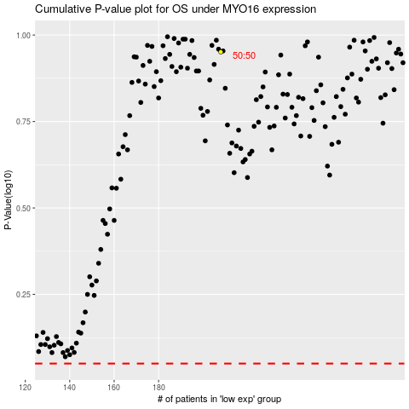

 |  |  |  |  |  | cases_OS | p_OS | rank | exp
 |  |  |  |  |  |  | cases_RFS | p_RFS | rank | exp

