MYO18A _multivariate
Reported by Tex Li-Hsing Chi. tex@gate.sinica.edu.tw 2019-08-17

Table 2. The clinicopathological features of HNSCC cohort and MYO18A expression. (Chi square test)
Cutoff at -0.2 (50.0%)
 |  | MYO18A expression |  | MYO18A expression |  | (Optimised)
 | Features | Low | (%) | High | (%) | Case no | P-value | Remark | Matthews
Gender | Female | 159 | 38.3 | 147 | 35.4 | 415 | 0.1905 | 0 | 0
2 | Male | 48 | 11.6 | 61 | 14.7
Age at diagnosis | <=65y | 144 | 34.7 | 130 | 31.3 | 415 | 0.1568 | 0 | 0
4 | >65y | 63 | 15.2 | 78 | 18.8
Clinical T Status | T1+T2 | 70 | 16.9 | 79 | 19 | 415 | 0.4343 | 0 | 0
6 | T3+T4 | 137 | 33 | 129 | 31.1
Clinical N Status | N0 | 106 | 25.5 | 110 | 26.5 | 415 | 0.8075 | 0 | 0
8 | N1-3 | 101 | 24.3 | 98 | 23.6
Clinical M Status | M0 | 205 | 49.4 | 207 | 49.9 | 415 | 0.6232 | 0 | 0
10 | M1 | 2 | 0.5 | 1 | 0.2
Clinical Stage | Stage I+II | 42 | 10.1 | 60 | 14.5 | 415 | 0.0561 | 0 | 0
12 | Stage III+IV | 165 | 39.8 | 148 | 35.7
Surgical Margin status | Negative | 155 | 37.3 | 163 | 39.3 | 415 | 0.4187 | 0 | 0
14 | Positive | 52 | 12.5 | 45 | 10.8
Tobacco Exposure | Low | 65 | 15.7 | 96 | 23.1 | 415 | 0.0025 | 1 | 0
16 | High | 142 | 34.2 | 112 | 27

Table 3. Univariate/Multivariate Cox's proportional hazards regression analyses on OS time of MYO18A gene expression in HNSCC

 |  | Univariate |  |  |  | Multivariate
 | Features | HR | CI95%(L) | CI95%(H) | P-value | HR | CI95%(L) | CI95%(H) | P-value
1 | Female | 1 |  |  |  | 1
Gender | Male | 1.157 | 0.843 | 1.587 | 0.367 | 1.194 | 0.855 | 1.669 | 0.298
11 | <=65y | 1 |  |  |  | 1
Age at diagnosis | >65y | 1.329 | 0.99 | 1.784 | 0.058 | 1.382 | 1.016 | 1.881 | 0.039
12 | T1+T2 | 1 |  |  |  | 1
Clinical T Status | T3+T4 | 1.409 | 1.028 | 1.931 | 0.033 | 2.17 | 1.147 | 4.105 | 0.017
13 | N0 | 1 |  |  |  | 1
Clinical N Status | N1-3 | 1.185 | 0.89 | 1.577 | 0.246 | 1.236 | 0.867 | 1.764 | 0.242
14 | M0 | 1 |  |  |  | 1
Clinical M Status | M1 | 4.097 | 1.009 | 16.644 | 0.049 | 9.37 | 2.044 | 42.946 | 0.004
15 | Stage I+II | 1 |  |  |  | 1
Clinical Stage | Stage III+IV | 1.245 | 0.882 | 1.759 | 0.213 | 0.524 | 0.243 | 1.13 | 0.099
16 | Negative | 1 |  |  |  | 1
Surgical Margin status | Positive | 1.591 | 1.155 | 2.191 | 0.004 | 1.677 | 1.214 | 2.317 | 0.002
17 | Low | 1 |  |  |  | 1
Tobacco Exposure | High | 1.364 | 1.008 | 1.844 | 0.044 | 1.478 | 1.07 | 2.04 | 0.018
18 | Low | 1 |  |  |  | 1
RNAseq(z-score) | High | 1.117 | 0.839 | 1.489 | 0.448 | 1.154 | 0.861 | 1.547 | 0.339

Table 4. Univariate/Multivariate Cox's proportional hazards regression analyses on RFS time of MYO18A gene expression in HNSCC

 |  | Univariate |  |  |  | Multivariate
 | Features | HR | CI95%(L) | CI95%(H) | P-value | HR | CI95%(L) | CI95%(H) | P-value
1 | Female | 1 |  |  |  | 1
Gender | Male | 1.157 | 0.843 | 1.587 | 0.367 | 1.194 | 0.855 | 1.669 | 0.298
11 | <=65y | 1 |  |  |  | 1
Age at diagnosis | >65y | 1.329 | 0.99 | 1.784 | 0.058 | 1.382 | 1.016 | 1.881 | 0.039
12 | T1+T2 | 1 |  |  |  | 1
Clinical T Status | T3+T4 | 1.409 | 1.028 | 1.931 | 0.033 | 2.17 | 1.147 | 4.105 | 0.017
13 | N0 | 1 |  |  |  | 1
Clinical N Status | N1-3 | 1.185 | 0.89 | 1.577 | 0.246 | 1.236 | 0.867 | 1.764 | 0.242
14 | M0 | 1 |  |  |  | 1
Clinical M Status | M1 | 4.097 | 1.009 | 16.644 | 0.049 | 9.37 | 2.044 | 42.946 | 0.004
15 | Stage I+II | 1 |  |  |  | 1
Clinical Stage | Stage III+IV | 1.245 | 0.882 | 1.759 | 0.213 | 0.524 | 0.243 | 1.13 | 0.099
16 | Negative | 1 |  |  |  | 1
Surgical Margin status | Positive | 1.591 | 1.155 | 2.191 | 0.004 | 1.677 | 1.214 | 2.317 | 0.002
17 | Low | 1 |  |  |  | 1
Tobacco Exposure | High | 1.364 | 1.008 | 1.844 | 0.044 | 1.478 | 1.07 | 2.04 | 0.018
18 | Low | 1 |  |  |  | 1
RNAseq(z-score) | High | 1.117 | 0.839 | 1.489 | 0.448 | 1.154 | 0.861 | 1.547 | 0.339

Kaplan-Meier survival estimate: Cutoff at -0.2 (50.0%)

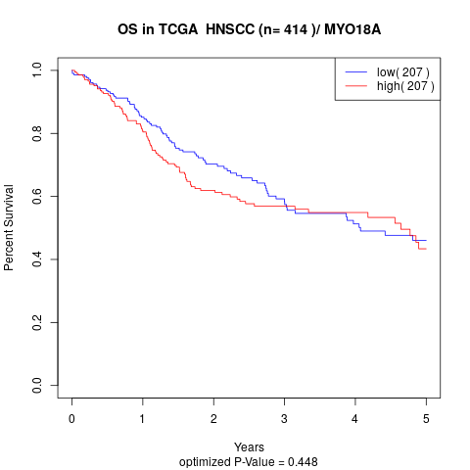

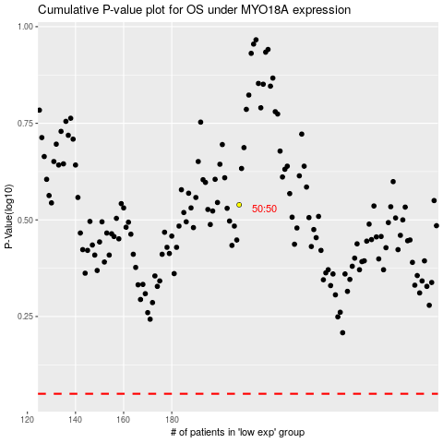

 |  |  |  |  |  | cases_OS | p_OS | rank | exp
 |  |  |  |  |  |  | cases_RFS | p_RFS | rank | exp

