MYO19 _multivariate
Reported by Tex Li-Hsing Chi. tex@gate.sinica.edu.tw 2019-08-17

Table 2. The clinicopathological features of HNSCC cohort and MYO19 expression. (Chi square test)
Cutoff at 0.011 (50.0%)
 |  | MYO19 expression |  | MYO19 expression |  | (Optimised)
 | Features | Low | (%) | High | (%) | Case no | P-value | Remark | Matthews
Gender | Female | 146 | 35.2 | 160 | 38.6 | 415 | 0.1714 | 0 | 0
2 | Male | 61 | 14.7 | 48 | 11.6
Age at diagnosis | <=65y | 138 | 33.3 | 136 | 32.8 | 415 | 0.8634 | 0 | 0
4 | >65y | 69 | 16.6 | 72 | 17.3
Clinical T Status | T1+T2 | 73 | 17.6 | 76 | 18.3 | 415 | 0.8666 | 0 | 0
6 | T3+T4 | 134 | 32.3 | 132 | 31.8
Clinical N Status | N0 | 104 | 25.1 | 112 | 27 | 415 | 0.5243 | 0 | 0
8 | N1-3 | 103 | 24.8 | 96 | 23.1
Clinical M Status | M0 | 206 | 49.6 | 206 | 49.6 | 415 | 1 | 0 | 0
10 | M1 | 1 | 0.2 | 2 | 0.5
Clinical Stage | Stage I+II | 49 | 11.8 | 53 | 12.8 | 415 | 0.7535 | 0 | 0
12 | Stage III+IV | 158 | 38.1 | 155 | 37.3
Surgical Margin status | Negative | 164 | 39.5 | 154 | 37.1 | 415 | 0.2462 | 0 | 0
14 | Positive | 43 | 10.4 | 54 | 13
Tobacco Exposure | Low | 84 | 20.2 | 77 | 18.6 | 415 | 0.4816 | 0 | 0
16 | High | 123 | 29.6 | 131 | 31.6

Table 3. Univariate/Multivariate Cox's proportional hazards regression analyses on OS time of MYO19 gene expression in HNSCC

 |  | Univariate |  |  |  | Multivariate
 | Features | HR | CI95%(L) | CI95%(H) | P-value | HR | CI95%(L) | CI95%(H) | P-value
1 | Female | 1 |  |  |  | 1
Gender | Male | 1.157 | 0.843 | 1.587 | 0.367 | 1.191 | 0.852 | 1.664 | 0.307
11 | <=65y | 1 |  |  |  | 1
Age at diagnosis | >65y | 1.329 | 0.99 | 1.784 | 0.058 | 1.406 | 1.034 | 1.912 | 0.03
12 | T1+T2 | 1 |  |  |  | 1
Clinical T Status | T3+T4 | 1.409 | 1.028 | 1.931 | 0.033 | 2.184 | 1.155 | 4.13 | 0.016
13 | N0 | 1 |  |  |  | 1
Clinical N Status | N1-3 | 1.185 | 0.89 | 1.577 | 0.246 | 1.231 | 0.862 | 1.757 | 0.253
14 | M0 | 1 |  |  |  | 1
Clinical M Status | M1 | 4.097 | 1.009 | 16.644 | 0.049 | 9.438 | 2.059 | 43.257 | 0.004
15 | Stage I+II | 1 |  |  |  | 1
Clinical Stage | Stage III+IV | 1.245 | 0.882 | 1.759 | 0.213 | 0.513 | 0.239 | 1.103 | 0.088
16 | Negative | 1 |  |  |  | 1
Surgical Margin status | Positive | 1.591 | 1.155 | 2.191 | 0.004 | 1.676 | 1.213 | 2.315 | 0.002
17 | Low | 1 |  |  |  | 1
Tobacco Exposure | High | 1.364 | 1.008 | 1.844 | 0.044 | 1.46 | 1.06 | 2.011 | 0.021
18 | Low | 1 |  |  |  | 1
RNAseq(z-score) | High | 0.933 | 0.698 | 1.247 | 0.638 | 0.889 | 0.663 | 1.193 | 0.434

Table 4. Univariate/Multivariate Cox's proportional hazards regression analyses on RFS time of MYO19 gene expression in HNSCC

 |  | Univariate |  |  |  | Multivariate
 | Features | HR | CI95%(L) | CI95%(H) | P-value | HR | CI95%(L) | CI95%(H) | P-value
1 | Female | 1 |  |  |  | 1
Gender | Male | 1.157 | 0.843 | 1.587 | 0.367 | 1.191 | 0.852 | 1.664 | 0.307
11 | <=65y | 1 |  |  |  | 1
Age at diagnosis | >65y | 1.329 | 0.99 | 1.784 | 0.058 | 1.406 | 1.034 | 1.912 | 0.03
12 | T1+T2 | 1 |  |  |  | 1
Clinical T Status | T3+T4 | 1.409 | 1.028 | 1.931 | 0.033 | 2.184 | 1.155 | 4.13 | 0.016
13 | N0 | 1 |  |  |  | 1
Clinical N Status | N1-3 | 1.185 | 0.89 | 1.577 | 0.246 | 1.231 | 0.862 | 1.757 | 0.253
14 | M0 | 1 |  |  |  | 1
Clinical M Status | M1 | 4.097 | 1.009 | 16.644 | 0.049 | 9.438 | 2.059 | 43.257 | 0.004
15 | Stage I+II | 1 |  |  |  | 1
Clinical Stage | Stage III+IV | 1.245 | 0.882 | 1.759 | 0.213 | 0.513 | 0.239 | 1.103 | 0.088
16 | Negative | 1 |  |  |  | 1
Surgical Margin status | Positive | 1.591 | 1.155 | 2.191 | 0.004 | 1.676 | 1.213 | 2.315 | 0.002
17 | Low | 1 |  |  |  | 1
Tobacco Exposure | High | 1.364 | 1.008 | 1.844 | 0.044 | 1.46 | 1.06 | 2.011 | 0.021
18 | Low | 1 |  |  |  | 1
RNAseq(z-score) | High | 0.933 | 0.698 | 1.247 | 0.638 | 0.889 | 0.663 | 1.193 | 0.434

Kaplan-Meier survival estimate: Cutoff at 0.011 (50.0%)



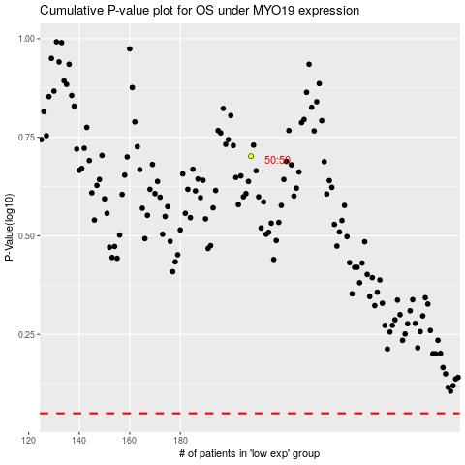

 |  |  |  |  |  | cases_OS | p_OS | rank | exp
 |  |  |  |  |  |  | cases_RFS | p_RFS | rank | exp

