MYO1C _multivariate
Reported by Tex Li-Hsing Chi. tex@gate.sinica.edu.tw 2019-08-17

Table 2. The clinicopathological features of HNSCC cohort and MYO1C expression. (Chi square test)
Cutoff at 0.042 (50.0%)
 |  | MYO1C expression |  | MYO1C expression |  | (Optimised)
 | Features | Low | (%) | High | (%) | Case no | P-value | Remark | Matthews
Gender | Female | 162 | 39 | 144 | 34.7 | 415 | 0.0479 | 1 | 0
2 | Male | 45 | 10.8 | 64 | 15.4
Age at diagnosis | <=65y | 141 | 34 | 133 | 32 | 415 | 0.4272 | 0 | 0
4 | >65y | 66 | 15.9 | 75 | 18.1
Clinical T Status | T1+T2 | 81 | 19.5 | 68 | 16.4 | 415 | 0.206 | 0 | 0
6 | T3+T4 | 126 | 30.4 | 140 | 33.7
Clinical N Status | N0 | 100 | 24.1 | 116 | 28 | 415 | 0.1548 | 0 | 0
8 | N1-3 | 107 | 25.8 | 92 | 22.2
Clinical M Status | M0 | 205 | 49.4 | 207 | 49.9 | 415 | 0.6232 | 0 | 0
10 | M1 | 2 | 0.5 | 1 | 0.2
Clinical Stage | Stage I+II | 50 | 12 | 52 | 12.5 | 415 | 0.9315 | 0 | 0
12 | Stage III+IV | 157 | 37.8 | 156 | 37.6
Surgical Margin status | Negative | 151 | 36.4 | 167 | 40.2 | 415 | 0.0828 | 0 | 0
14 | Positive | 56 | 13.5 | 41 | 9.9
Tobacco Exposure | Low | 76 | 18.3 | 85 | 20.5 | 415 | 0.4207 | 0 | 0
16 | High | 131 | 31.6 | 123 | 29.6

Table 3. Univariate/Multivariate Cox's proportional hazards regression analyses on OS time of MYO1C gene expression in HNSCC

 |  | Univariate |  |  |  | Multivariate
 | Features | HR | CI95%(L) | CI95%(H) | P-value | HR | CI95%(L) | CI95%(H) | P-value
1 | Female | 1 |  |  |  | 1
Gender | Male | 1.157 | 0.843 | 1.587 | 0.367 | 1.19 | 0.851 | 1.665 | 0.309
11 | <=65y | 1 |  |  |  | 1
Age at diagnosis | >65y | 1.329 | 0.99 | 1.784 | 0.058 | 1.397 | 1.027 | 1.9 | 0.033
12 | T1+T2 | 1 |  |  |  | 1
Clinical T Status | T3+T4 | 1.409 | 1.028 | 1.931 | 0.033 | 2.177 | 1.15 | 4.12 | 0.017
13 | N0 | 1 |  |  |  | 1
Clinical N Status | N1-3 | 1.185 | 0.89 | 1.577 | 0.246 | 1.256 | 0.879 | 1.795 | 0.212
14 | M0 | 1 |  |  |  | 1
Clinical M Status | M1 | 4.097 | 1.009 | 16.644 | 0.049 | 9.387 | 2.048 | 43.03 | 0.004
15 | Stage I+II | 1 |  |  |  | 1
Clinical Stage | Stage III+IV | 1.245 | 0.882 | 1.759 | 0.213 | 0.507 | 0.236 | 1.088 | 0.081
16 | Negative | 1 |  |  |  | 1
Surgical Margin status | Positive | 1.591 | 1.155 | 2.191 | 0.004 | 1.703 | 1.226 | 2.365 | 0.001
17 | Low | 1 |  |  |  | 1
Tobacco Exposure | High | 1.364 | 1.008 | 1.844 | 0.044 | 1.467 | 1.062 | 2.024 | 0.02
18 | Low | 1 |  |  |  | 1
RNAseq(z-score) | High | 1.024 | 0.767 | 1.368 | 0.87 | 1.104 | 0.819 | 1.488 | 0.517

Table 4. Univariate/Multivariate Cox's proportional hazards regression analyses on RFS time of MYO1C gene expression in HNSCC

 |  | Univariate |  |  |  | Multivariate
 | Features | HR | CI95%(L) | CI95%(H) | P-value | HR | CI95%(L) | CI95%(H) | P-value
1 | Female | 1 |  |  |  | 1
Gender | Male | 1.157 | 0.843 | 1.587 | 0.367 | 1.19 | 0.851 | 1.665 | 0.309
11 | <=65y | 1 |  |  |  | 1
Age at diagnosis | >65y | 1.329 | 0.99 | 1.784 | 0.058 | 1.397 | 1.027 | 1.9 | 0.033
12 | T1+T2 | 1 |  |  |  | 1
Clinical T Status | T3+T4 | 1.409 | 1.028 | 1.931 | 0.033 | 2.177 | 1.15 | 4.12 | 0.017
13 | N0 | 1 |  |  |  | 1
Clinical N Status | N1-3 | 1.185 | 0.89 | 1.577 | 0.246 | 1.256 | 0.879 | 1.795 | 0.212
14 | M0 | 1 |  |  |  | 1
Clinical M Status | M1 | 4.097 | 1.009 | 16.644 | 0.049 | 9.387 | 2.048 | 43.03 | 0.004
15 | Stage I+II | 1 |  |  |  | 1
Clinical Stage | Stage III+IV | 1.245 | 0.882 | 1.759 | 0.213 | 0.507 | 0.236 | 1.088 | 0.081
16 | Negative | 1 |  |  |  | 1
Surgical Margin status | Positive | 1.591 | 1.155 | 2.191 | 0.004 | 1.703 | 1.226 | 2.365 | 0.001
17 | Low | 1 |  |  |  | 1
Tobacco Exposure | High | 1.364 | 1.008 | 1.844 | 0.044 | 1.467 | 1.062 | 2.024 | 0.02
18 | Low | 1 |  |  |  | 1
RNAseq(z-score) | High | 1.024 | 0.767 | 1.368 | 0.87 | 1.104 | 0.819 | 1.488 | 0.517

Kaplan-Meier survival estimate: Cutoff at 0.042 (50.0%)



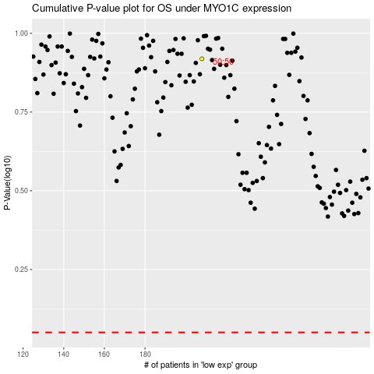

 |  |  |  |  |  | cases_OS | p_OS | rank | exp
 |  |  |  |  |  |  | cases_RFS | p_RFS | rank | exp

