MYO1D _multivariate
Reported by Tex Li-Hsing Chi. tex@gate.sinica.edu.tw 2019-08-17

Table 2. The clinicopathological features of HNSCC cohort and MYO1D expression. (Chi square test)
Cutoff at -0.03 (50.0%)
 |  | MYO1D expression |  | MYO1D expression |  | (Optimised)
 | Features | Low | (%) | High | (%) | Case no | P-value | Remark | Matthews
Gender | Female | 158 | 38.1 | 148 | 35.7 | 415 | 0.2774 | 0 | 0
2 | Male | 49 | 11.8 | 60 | 14.5
Age at diagnosis | <=65y | 140 | 33.7 | 134 | 32.3 | 415 | 0.5574 | 0 | 0
4 | >65y | 67 | 16.1 | 74 | 17.8
Clinical T Status | T1+T2 | 84 | 20.2 | 65 | 15.7 | 415 | 0.0603 | 0 | 0
6 | T3+T4 | 123 | 29.6 | 143 | 34.5
Clinical N Status | N0 | 103 | 24.8 | 113 | 27.2 | 415 | 0.4047 | 0 | 0
8 | N1-3 | 104 | 25.1 | 95 | 22.9
Clinical M Status | M0 | 205 | 49.4 | 207 | 49.9 | 415 | 0.6232 | 0 | 0
10 | M1 | 2 | 0.5 | 1 | 0.2
Clinical Stage | Stage I+II | 53 | 12.8 | 49 | 11.8 | 415 | 0.7113 | 0 | 0
12 | Stage III+IV | 154 | 37.1 | 159 | 38.3
Surgical Margin status | Negative | 148 | 35.7 | 170 | 41 | 415 | 0.015 | 1 | 0
14 | Positive | 59 | 14.2 | 38 | 9.2
Tobacco Exposure | Low | 78 | 18.8 | 83 | 20 | 415 | 0.6873 | 0 | 0
16 | High | 129 | 31.1 | 125 | 30.1

Table 3. Univariate/Multivariate Cox's proportional hazards regression analyses on OS time of MYO1D gene expression in HNSCC

 |  | Univariate |  |  |  | Multivariate
 | Features | HR | CI95%(L) | CI95%(H) | P-value | HR | CI95%(L) | CI95%(H) | P-value
1 | Female | 1 |  |  |  | 1
Gender | Male | 1.157 | 0.843 | 1.587 | 0.367 | 1.202 | 0.861 | 1.68 | 0.28
11 | <=65y | 1 |  |  |  | 1
Age at diagnosis | >65y | 1.329 | 0.99 | 1.784 | 0.058 | 1.394 | 1.025 | 1.896 | 0.034
12 | T1+T2 | 1 |  |  |  | 1
Clinical T Status | T3+T4 | 1.409 | 1.028 | 1.931 | 0.033 | 2.182 | 1.153 | 4.131 | 0.017
13 | N0 | 1 |  |  |  | 1
Clinical N Status | N1-3 | 1.185 | 0.89 | 1.577 | 0.246 | 1.249 | 0.874 | 1.785 | 0.222
14 | M0 | 1 |  |  |  | 1
Clinical M Status | M1 | 4.097 | 1.009 | 16.644 | 0.049 | 9.403 | 2.051 | 43.104 | 0.004
15 | Stage I+II | 1 |  |  |  | 1
Clinical Stage | Stage III+IV | 1.245 | 0.882 | 1.759 | 0.213 | 0.504 | 0.235 | 1.081 | 0.078
16 | Negative | 1 |  |  |  | 1
Surgical Margin status | Positive | 1.591 | 1.155 | 2.191 | 0.004 | 1.689 | 1.218 | 2.342 | 0.002
17 | Low | 1 |  |  |  | 1
Tobacco Exposure | High | 1.364 | 1.008 | 1.844 | 0.044 | 1.46 | 1.058 | 2.014 | 0.021
18 | Low | 1 |  |  |  | 1
RNAseq(z-score) | High | 1.027 | 0.771 | 1.37 | 0.854 | 1.067 | 0.795 | 1.432 | 0.666

Table 4. Univariate/Multivariate Cox's proportional hazards regression analyses on RFS time of MYO1D gene expression in HNSCC

 |  | Univariate |  |  |  | Multivariate
 | Features | HR | CI95%(L) | CI95%(H) | P-value | HR | CI95%(L) | CI95%(H) | P-value
1 | Female | 1 |  |  |  | 1
Gender | Male | 1.157 | 0.843 | 1.587 | 0.367 | 1.202 | 0.861 | 1.68 | 0.28
11 | <=65y | 1 |  |  |  | 1
Age at diagnosis | >65y | 1.329 | 0.99 | 1.784 | 0.058 | 1.394 | 1.025 | 1.896 | 0.034
12 | T1+T2 | 1 |  |  |  | 1
Clinical T Status | T3+T4 | 1.409 | 1.028 | 1.931 | 0.033 | 2.182 | 1.153 | 4.131 | 0.017
13 | N0 | 1 |  |  |  | 1
Clinical N Status | N1-3 | 1.185 | 0.89 | 1.577 | 0.246 | 1.249 | 0.874 | 1.785 | 0.222
14 | M0 | 1 |  |  |  | 1
Clinical M Status | M1 | 4.097 | 1.009 | 16.644 | 0.049 | 9.403 | 2.051 | 43.104 | 0.004
15 | Stage I+II | 1 |  |  |  | 1
Clinical Stage | Stage III+IV | 1.245 | 0.882 | 1.759 | 0.213 | 0.504 | 0.235 | 1.081 | 0.078
16 | Negative | 1 |  |  |  | 1
Surgical Margin status | Positive | 1.591 | 1.155 | 2.191 | 0.004 | 1.689 | 1.218 | 2.342 | 0.002
17 | Low | 1 |  |  |  | 1
Tobacco Exposure | High | 1.364 | 1.008 | 1.844 | 0.044 | 1.46 | 1.058 | 2.014 | 0.021
18 | Low | 1 |  |  |  | 1
RNAseq(z-score) | High | 1.027 | 0.771 | 1.37 | 0.854 | 1.067 | 0.795 | 1.432 | 0.666

Kaplan-Meier survival estimate: Cutoff at -0.03 (50.0%)



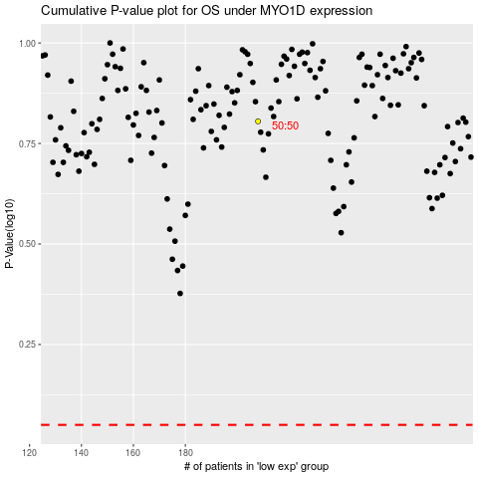

 |  |  |  |  |  | cases_OS | p_OS | rank | exp
 |  |  |  |  |  |  | cases_RFS | p_RFS | rank | exp

