MYO3A _multivariate
Reported by Tex Li-Hsing Chi. tex@gate.sinica.edu.tw 2019-08-17

Table 2. The clinicopathological features of HNSCC cohort and MYO3A expression. (Chi square test)
Cutoff at -0.417 (58.7%)
 |  | MYO3A expression |  | MYO3A expression |  | (Optimised)
 | Features | Low | (%) | High | (%) | Case no | P-value | Remark | Matthews
Gender | Female | 162 | 39 | 144 | 34.7 | 415 | 1e-04 | 1 | 0
2 | Male | 82 | 19.8 | 27 | 6.5
Age at diagnosis | <=65y | 150 | 36.1 | 124 | 29.9 | 415 | 0.0256 | 1 | 0
4 | >65y | 94 | 22.7 | 47 | 11.3
Clinical T Status | T1+T2 | 89 | 21.4 | 60 | 14.5 | 415 | 0.8524 | 0 | 0
6 | T3+T4 | 155 | 37.3 | 111 | 26.7
Clinical N Status | N0 | 131 | 31.6 | 85 | 20.5 | 415 | 0.4844 | 0 | 0
8 | N1-3 | 113 | 27.2 | 86 | 20.7
Clinical M Status | M0 | 241 | 58.1 | 171 | 41.2 | 415 | 0.2715 | 0 | 0
10 | M1 | 3 | 0.7 | 0 | 0
Clinical Stage | Stage I+II | 66 | 15.9 | 36 | 8.7 | 415 | 0.2003 | 0 | 0
12 | Stage III+IV | 178 | 42.9 | 135 | 32.5
Surgical Margin status | Negative | 188 | 45.3 | 130 | 31.3 | 415 | 0.8147 | 0 | 0
14 | Positive | 56 | 13.5 | 41 | 9.9
Tobacco Exposure | Low | 112 | 27 | 49 | 11.8 | 415 | 5e-04 | 1 | 0
16 | High | 132 | 31.8 | 122 | 29.4

Table 3. Univariate/Multivariate Cox's proportional hazards regression analyses on OS time of MYO3A gene expression in HNSCC

 |  | Univariate |  |  |  | Multivariate
 | Features | HR | CI95%(L) | CI95%(H) | P-value | HR | CI95%(L) | CI95%(H) | P-value
1 | Female | 1 |  |  |  | 1
Gender | Male | 1.157 | 0.843 | 1.587 | 0.367 | 1.144 | 0.815 | 1.607 | 0.437
11 | <=65y | 1 |  |  |  | 1
Age at diagnosis | >65y | 1.329 | 0.99 | 1.784 | 0.058 | 1.385 | 1.019 | 1.882 | 0.038
12 | T1+T2 | 1 |  |  |  | 1
Clinical T Status | T3+T4 | 1.409 | 1.028 | 1.931 | 0.033 | 2.103 | 1.111 | 3.982 | 0.022
13 | N0 | 1 |  |  |  | 1
Clinical N Status | N1-3 | 1.185 | 0.89 | 1.577 | 0.246 | 1.231 | 0.863 | 1.756 | 0.252
14 | M0 | 1 |  |  |  | 1
Clinical M Status | M1 | 4.097 | 1.009 | 16.644 | 0.049 | 7.888 | 1.705 | 36.483 | 0.008
15 | Stage I+II | 1 |  |  |  | 1
Clinical Stage | Stage III+IV | 1.245 | 0.882 | 1.759 | 0.213 | 0.552 | 0.256 | 1.193 | 0.131
16 | Negative | 1 |  |  |  | 1
Surgical Margin status | Positive | 1.591 | 1.155 | 2.191 | 0.004 | 1.645 | 1.191 | 2.272 | 0.003
17 | Low | 1 |  |  |  | 1
Tobacco Exposure | High | 1.364 | 1.008 | 1.844 | 0.044 | 1.52 | 1.098 | 2.105 | 0.012
18 | Low | 1 |  |  |  | 1
RNAseq(z-score) | High | 0.744 | 0.553 | 1 | 0.05 | 0.741 | 0.543 | 1.011 | 0.059

Table 4. Univariate/Multivariate Cox's proportional hazards regression analyses on RFS time of MYO3A gene expression in HNSCC

 |  | Univariate |  |  |  | Multivariate
 | Features | HR | CI95%(L) | CI95%(H) | P-value | HR | CI95%(L) | CI95%(H) | P-value
1 | Female | 1 |  |  |  | 1
Gender | Male | 1.157 | 0.843 | 1.587 | 0.367 | 1.144 | 0.815 | 1.607 | 0.437
11 | <=65y | 1 |  |  |  | 1
Age at diagnosis | >65y | 1.329 | 0.99 | 1.784 | 0.058 | 1.385 | 1.019 | 1.882 | 0.038
12 | T1+T2 | 1 |  |  |  | 1
Clinical T Status | T3+T4 | 1.409 | 1.028 | 1.931 | 0.033 | 2.103 | 1.111 | 3.982 | 0.022
13 | N0 | 1 |  |  |  | 1
Clinical N Status | N1-3 | 1.185 | 0.89 | 1.577 | 0.246 | 1.231 | 0.863 | 1.756 | 0.252
14 | M0 | 1 |  |  |  | 1
Clinical M Status | M1 | 4.097 | 1.009 | 16.644 | 0.049 | 7.888 | 1.705 | 36.483 | 0.008
15 | Stage I+II | 1 |  |  |  | 1
Clinical Stage | Stage III+IV | 1.245 | 0.882 | 1.759 | 0.213 | 0.552 | 0.256 | 1.193 | 0.131
16 | Negative | 1 |  |  |  | 1
Surgical Margin status | Positive | 1.591 | 1.155 | 2.191 | 0.004 | 1.645 | 1.191 | 2.272 | 0.003
17 | Low | 1 |  |  |  | 1
Tobacco Exposure | High | 1.364 | 1.008 | 1.844 | 0.044 | 1.52 | 1.098 | 2.105 | 0.012
18 | Low | 1 |  |  |  | 1
RNAseq(z-score) | High | 0.744 | 0.553 | 1 | 0.05 | 0.741 | 0.543 | 1.011 | 0.059

Kaplan-Meier survival estimate: Cutoff at -0.417 (58.7%)



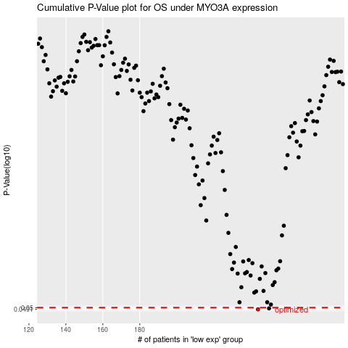

 |  |  |  |  |  | cases_OS | p_OS | rank | exp
 |  |  |  |  |  | 244 | 0.0491 | 131 | -0.4168146863
 |  |  |  |  |  | 250 | 0.0496 | 27 | -0.41457933414
 |  |  |  |  |  |  | cases_RFS | p_RFS | rank | exp
 |  |  |  |  |  |  | 243 | 0.0491 | 90 | -0.41851729291
 |  |  |  |  |  |  | 249 | 0.0496 | 279 | -0.41468599794

