MYO6 _multivariate
Reported by Tex Li-Hsing Chi. tex@gate.sinica.edu.tw 2019-08-17

Table 2. The clinicopathological features of HNSCC cohort and MYO6 expression. (Chi square test)
Cutoff at -0.256 (50.0%)
 |  | MYO6 expression |  | MYO6 expression |  | (Optimised)
 | Features | Low | (%) | High | (%) | Case no | P-value | Remark | Matthews
Gender | Female | 157 | 37.8 | 149 | 35.9 | 415 | 0.3881 | 0 | 0
2 | Male | 50 | 12 | 59 | 14.2
Age at diagnosis | <=65y | 138 | 33.3 | 136 | 32.8 | 415 | 0.8634 | 0 | 0
4 | >65y | 69 | 16.6 | 72 | 17.3
Clinical T Status | T1+T2 | 77 | 18.6 | 72 | 17.3 | 415 | 0.6556 | 0 | 0
6 | T3+T4 | 130 | 31.3 | 136 | 32.8
Clinical N Status | N0 | 114 | 27.5 | 102 | 24.6 | 415 | 0.2576 | 1 | 0
8 | N1-3 | 93 | 22.4 | 106 | 25.5
Clinical M Status | M0 | 205 | 49.4 | 207 | 49.9 | 415 | 0.6232 | 0 | 0
10 | M1 | 2 | 0.5 | 1 | 0.2
Clinical Stage | Stage I+II | 57 | 13.7 | 45 | 10.8 | 415 | 0.1998 | 0 | 0
12 | Stage III+IV | 150 | 36.1 | 163 | 39.3
Surgical Margin status | Negative | 159 | 38.3 | 159 | 38.3 | 415 | 1 | 0 | 0
14 | Positive | 48 | 11.6 | 49 | 11.8
Tobacco Exposure | Low | 80 | 19.3 | 81 | 19.5 | 415 | 1 | 0 | 0
16 | High | 127 | 30.6 | 127 | 30.6

Table 3. Univariate/Multivariate Cox's proportional hazards regression analyses on OS time of MYO6 gene expression in HNSCC

 |  | Univariate |  |  |  | Multivariate
 | Features | HR | CI95%(L) | CI95%(H) | P-value | HR | CI95%(L) | CI95%(H) | P-value
1 | Female | 1 |  |  |  | 1
Gender | Male | 1.157 | 0.843 | 1.587 | 0.367 | 1.206 | 0.863 | 1.685 | 0.274
11 | <=65y | 1 |  |  |  | 1
Age at diagnosis | >65y | 1.329 | 0.99 | 1.784 | 0.058 | 1.391 | 1.024 | 1.891 | 0.035
12 | T1+T2 | 1 |  |  |  | 1
Clinical T Status | T3+T4 | 1.409 | 1.028 | 1.931 | 0.033 | 2.143 | 1.132 | 4.06 | 0.019
13 | N0 | 1 |  |  |  | 1
Clinical N Status | N1-3 | 1.185 | 0.89 | 1.577 | 0.246 | 1.249 | 0.875 | 1.783 | 0.22
14 | M0 | 1 |  |  |  | 1
Clinical M Status | M1 | 4.097 | 1.009 | 16.644 | 0.049 | 8.963 | 1.95 | 41.188 | 0.005
15 | Stage I+II | 1 |  |  |  | 1
Clinical Stage | Stage III+IV | 1.245 | 0.882 | 1.759 | 0.213 | 0.522 | 0.242 | 1.123 | 0.096
16 | Negative | 1 |  |  |  | 1
Surgical Margin status | Positive | 1.591 | 1.155 | 2.191 | 0.004 | 1.657 | 1.199 | 2.29 | 0.002
17 | Low | 1 |  |  |  | 1
Tobacco Exposure | High | 1.364 | 1.008 | 1.844 | 0.044 | 1.453 | 1.055 | 2.001 | 0.022
18 | Low | 1 |  |  |  | 1
RNAseq(z-score) | High | 0.834 | 0.626 | 1.112 | 0.217 | 0.859 | 0.643 | 1.148 | 0.305

Table 4. Univariate/Multivariate Cox's proportional hazards regression analyses on RFS time of MYO6 gene expression in HNSCC

 |  | Univariate |  |  |  | Multivariate
 | Features | HR | CI95%(L) | CI95%(H) | P-value | HR | CI95%(L) | CI95%(H) | P-value
1 | Female | 1 |  |  |  | 1
Gender | Male | 1.157 | 0.843 | 1.587 | 0.367 | 1.206 | 0.863 | 1.685 | 0.274
11 | <=65y | 1 |  |  |  | 1
Age at diagnosis | >65y | 1.329 | 0.99 | 1.784 | 0.058 | 1.391 | 1.024 | 1.891 | 0.035
12 | T1+T2 | 1 |  |  |  | 1
Clinical T Status | T3+T4 | 1.409 | 1.028 | 1.931 | 0.033 | 2.143 | 1.132 | 4.06 | 0.019
13 | N0 | 1 |  |  |  | 1
Clinical N Status | N1-3 | 1.185 | 0.89 | 1.577 | 0.246 | 1.249 | 0.875 | 1.783 | 0.22
14 | M0 | 1 |  |  |  | 1
Clinical M Status | M1 | 4.097 | 1.009 | 16.644 | 0.049 | 8.963 | 1.95 | 41.188 | 0.005
15 | Stage I+II | 1 |  |  |  | 1
Clinical Stage | Stage III+IV | 1.245 | 0.882 | 1.759 | 0.213 | 0.522 | 0.242 | 1.123 | 0.096
16 | Negative | 1 |  |  |  | 1
Surgical Margin status | Positive | 1.591 | 1.155 | 2.191 | 0.004 | 1.657 | 1.199 | 2.29 | 0.002
17 | Low | 1 |  |  |  | 1
Tobacco Exposure | High | 1.364 | 1.008 | 1.844 | 0.044 | 1.453 | 1.055 | 2.001 | 0.022
18 | Low | 1 |  |  |  | 1
RNAseq(z-score) | High | 0.834 | 0.626 | 1.112 | 0.217 | 0.859 | 0.643 | 1.148 | 0.305

Kaplan-Meier survival estimate: Cutoff at -0.256 (50.0%)



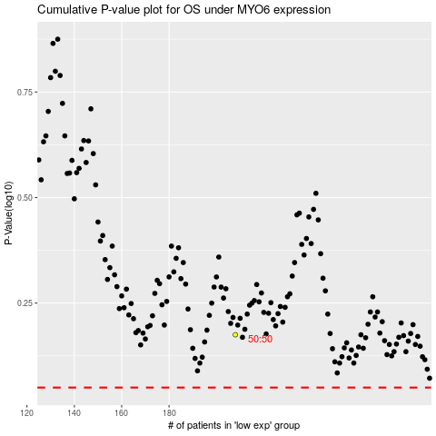

 |  |  |  |  |  | cases_OS | p_OS | rank | exp
 |  |  |  |  |  |  | cases_RFS | p_RFS | rank | exp

