MYO7B _multivariate
Reported by Tex Li-Hsing Chi. tex@gate.sinica.edu.tw 2019-08-17

Table 2. The clinicopathological features of HNSCC cohort and MYO7B expression. (Chi square test)
Cutoff at -0.288 (50.0%)
 |  | MYO7B expression |  | MYO7B expression |  | (Optimised)
 | Features | Low | (%) | High | (%) | Case no | P-value | Remark | Matthews
Gender | Female | 158 | 38.1 | 148 | 35.7 | 415 | 0.2774 | 0 | 0
2 | Male | 49 | 11.8 | 60 | 14.5
Age at diagnosis | <=65y | 129 | 31.1 | 145 | 34.9 | 415 | 0.1372 | 0 | 0
4 | >65y | 78 | 18.8 | 63 | 15.2
Clinical T Status | T1+T2 | 67 | 16.1 | 82 | 19.8 | 415 | 0.1628 | 0 | 0
6 | T3+T4 | 140 | 33.7 | 126 | 30.4
Clinical N Status | N0 | 102 | 24.6 | 114 | 27.5 | 415 | 0.3031 | 0 | 0
8 | N1-3 | 105 | 25.3 | 94 | 22.7
Clinical M Status | M0 | 205 | 49.4 | 207 | 49.9 | 415 | 0.6232 | 0 | 0
10 | M1 | 2 | 0.5 | 1 | 0.2
Clinical Stage | Stage I+II | 40 | 9.6 | 62 | 14.9 | 415 | 0.018 | 1 | 0
12 | Stage III+IV | 167 | 40.2 | 146 | 35.2
Surgical Margin status | Negative | 156 | 37.6 | 162 | 39 | 415 | 0.5636 | 0 | 0
14 | Positive | 51 | 12.3 | 46 | 11.1
Tobacco Exposure | Low | 70 | 16.9 | 91 | 21.9 | 415 | 0.0439 | 1 | 0
16 | High | 137 | 33 | 117 | 28.2

Table 3. Univariate/Multivariate Cox's proportional hazards regression analyses on OS time of MYO7B gene expression in HNSCC

 |  | Univariate |  |  |  | Multivariate
 | Features | HR | CI95%(L) | CI95%(H) | P-value | HR | CI95%(L) | CI95%(H) | P-value
1 | Female | 1 |  |  |  | 1
Gender | Male | 1.157 | 0.843 | 1.587 | 0.367 | 1.178 | 0.841 | 1.65 | 0.341
11 | <=65y | 1 |  |  |  | 1
Age at diagnosis | >65y | 1.329 | 0.99 | 1.784 | 0.058 | 1.423 | 1.044 | 1.939 | 0.026
12 | T1+T2 | 1 |  |  |  | 1
Clinical T Status | T3+T4 | 1.409 | 1.028 | 1.931 | 0.033 | 2.158 | 1.139 | 4.086 | 0.018
13 | N0 | 1 |  |  |  | 1
Clinical N Status | N1-3 | 1.185 | 0.89 | 1.577 | 0.246 | 1.241 | 0.87 | 1.771 | 0.233
14 | M0 | 1 |  |  |  | 1
Clinical M Status | M1 | 4.097 | 1.009 | 16.644 | 0.049 | 9.328 | 2.035 | 42.751 | 0.004
15 | Stage I+II | 1 |  |  |  | 1
Clinical Stage | Stage III+IV | 1.245 | 0.882 | 1.759 | 0.213 | 0.525 | 0.244 | 1.133 | 0.101
16 | Negative | 1 |  |  |  | 1
Surgical Margin status | Positive | 1.591 | 1.155 | 2.191 | 0.004 | 1.669 | 1.208 | 2.306 | 0.002
17 | Low | 1 |  |  |  | 1
Tobacco Exposure | High | 1.364 | 1.008 | 1.844 | 0.044 | 1.471 | 1.067 | 2.027 | 0.018
18 | Low | 1 |  |  |  | 1
RNAseq(z-score) | High | 1.074 | 0.806 | 1.43 | 0.627 | 1.167 | 0.869 | 1.568 | 0.304

Table 4. Univariate/Multivariate Cox's proportional hazards regression analyses on RFS time of MYO7B gene expression in HNSCC

 |  | Univariate |  |  |  | Multivariate
 | Features | HR | CI95%(L) | CI95%(H) | P-value | HR | CI95%(L) | CI95%(H) | P-value
1 | Female | 1 |  |  |  | 1
Gender | Male | 1.157 | 0.843 | 1.587 | 0.367 | 1.178 | 0.841 | 1.65 | 0.341
11 | <=65y | 1 |  |  |  | 1
Age at diagnosis | >65y | 1.329 | 0.99 | 1.784 | 0.058 | 1.423 | 1.044 | 1.939 | 0.026
12 | T1+T2 | 1 |  |  |  | 1
Clinical T Status | T3+T4 | 1.409 | 1.028 | 1.931 | 0.033 | 2.158 | 1.139 | 4.086 | 0.018
13 | N0 | 1 |  |  |  | 1
Clinical N Status | N1-3 | 1.185 | 0.89 | 1.577 | 0.246 | 1.241 | 0.87 | 1.771 | 0.233
14 | M0 | 1 |  |  |  | 1
Clinical M Status | M1 | 4.097 | 1.009 | 16.644 | 0.049 | 9.328 | 2.035 | 42.751 | 0.004
15 | Stage I+II | 1 |  |  |  | 1
Clinical Stage | Stage III+IV | 1.245 | 0.882 | 1.759 | 0.213 | 0.525 | 0.244 | 1.133 | 0.101
16 | Negative | 1 |  |  |  | 1
Surgical Margin status | Positive | 1.591 | 1.155 | 2.191 | 0.004 | 1.669 | 1.208 | 2.306 | 0.002
17 | Low | 1 |  |  |  | 1
Tobacco Exposure | High | 1.364 | 1.008 | 1.844 | 0.044 | 1.471 | 1.067 | 2.027 | 0.018
18 | Low | 1 |  |  |  | 1
RNAseq(z-score) | High | 1.074 | 0.806 | 1.43 | 0.627 | 1.167 | 0.869 | 1.568 | 0.304

Kaplan-Meier survival estimate: Cutoff at -0.288 (50.0%)



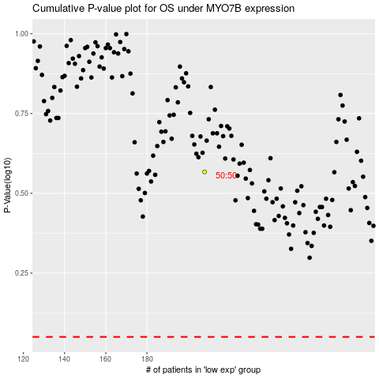

 |  |  |  |  |  | cases_OS | p_OS | rank | exp
 |  |  |  |  |  |  | cases_RFS | p_RFS | rank | exp

