MYOM1 _multivariate
Reported by Tex Li-Hsing Chi. tex@gate.sinica.edu.tw 2019-08-17

Table 2. The clinicopathological features of HNSCC cohort and MYOM1 expression. (Chi square test)
Cutoff at -0.188 (50.0%)
 |  | MYOM1 expression |  | MYOM1 expression |  | (Optimised)
 | Features | Low | (%) | High | (%) | Case no | P-value | Remark | Matthews
Gender | Female | 155 | 37.3 | 151 | 36.4 | 415 | 0.6768 | 0 | 0
2 | Male | 52 | 12.5 | 57 | 13.7
Age at diagnosis | <=65y | 123 | 29.6 | 151 | 36.4 | 415 | 0.0063 | 1 | 0
4 | >65y | 84 | 20.2 | 57 | 13.7
Clinical T Status | T1+T2 | 62 | 14.9 | 87 | 21 | 415 | 0.0156 | 1 | 0
6 | T3+T4 | 145 | 34.9 | 121 | 29.2
Clinical N Status | N0 | 111 | 26.7 | 105 | 25.3 | 415 | 0.5875 | 0 | 0
8 | N1-3 | 96 | 23.1 | 103 | 24.8
Clinical M Status | M0 | 204 | 49.2 | 208 | 50.1 | 415 | 0.1232 | 0 | 0
10 | M1 | 3 | 0.7 | 0 | 0
Clinical Stage | Stage I+II | 44 | 10.6 | 58 | 14 | 415 | 0.1459 | 0 | 0
12 | Stage III+IV | 163 | 39.3 | 150 | 36.1
Surgical Margin status | Negative | 154 | 37.1 | 164 | 39.5 | 415 | 0.2984 | 0 | 0
14 | Positive | 53 | 12.8 | 44 | 10.6
Tobacco Exposure | Low | 85 | 20.5 | 76 | 18.3 | 415 | 0.3655 | 0 | 0
16 | High | 122 | 29.4 | 132 | 31.8

Table 3. Univariate/Multivariate Cox's proportional hazards regression analyses on OS time of MYOM1 gene expression in HNSCC

 |  | Univariate |  |  |  | Multivariate
 | Features | HR | CI95%(L) | CI95%(H) | P-value | HR | CI95%(L) | CI95%(H) | P-value
1 | Female | 1 |  |  |  | 1
Gender | Male | 1.157 | 0.843 | 1.587 | 0.367 | 1.187 | 0.85 | 1.658 | 0.315
11 | <=65y | 1 |  |  |  | 1
Age at diagnosis | >65y | 1.329 | 0.99 | 1.784 | 0.058 | 1.435 | 1.052 | 1.958 | 0.023
12 | T1+T2 | 1 |  |  |  | 1
Clinical T Status | T3+T4 | 1.409 | 1.028 | 1.931 | 0.033 | 2.289 | 1.207 | 4.342 | 0.011
13 | N0 | 1 |  |  |  | 1
Clinical N Status | N1-3 | 1.185 | 0.89 | 1.577 | 0.246 | 1.238 | 0.867 | 1.767 | 0.24
14 | M0 | 1 |  |  |  | 1
Clinical M Status | M1 | 4.097 | 1.009 | 16.644 | 0.049 | 10.716 | 2.305 | 49.823 | 0.002
15 | Stage I+II | 1 |  |  |  | 1
Clinical Stage | Stage III+IV | 1.245 | 0.882 | 1.759 | 0.213 | 0.491 | 0.228 | 1.055 | 0.068
16 | Negative | 1 |  |  |  | 1
Surgical Margin status | Positive | 1.591 | 1.155 | 2.191 | 0.004 | 1.684 | 1.219 | 2.327 | 0.002
17 | Low | 1 |  |  |  | 1
Tobacco Exposure | High | 1.364 | 1.008 | 1.844 | 0.044 | 1.434 | 1.042 | 1.975 | 0.027
18 | Low | 1 |  |  |  | 1
RNAseq(z-score) | High | 1.094 | 0.821 | 1.456 | 0.54 | 1.209 | 0.9 | 1.623 | 0.207

Table 4. Univariate/Multivariate Cox's proportional hazards regression analyses on RFS time of MYOM1 gene expression in HNSCC

 |  | Univariate |  |  |  | Multivariate
 | Features | HR | CI95%(L) | CI95%(H) | P-value | HR | CI95%(L) | CI95%(H) | P-value
1 | Female | 1 |  |  |  | 1
Gender | Male | 1.157 | 0.843 | 1.587 | 0.367 | 1.187 | 0.85 | 1.658 | 0.315
11 | <=65y | 1 |  |  |  | 1
Age at diagnosis | >65y | 1.329 | 0.99 | 1.784 | 0.058 | 1.435 | 1.052 | 1.958 | 0.023
12 | T1+T2 | 1 |  |  |  | 1
Clinical T Status | T3+T4 | 1.409 | 1.028 | 1.931 | 0.033 | 2.289 | 1.207 | 4.342 | 0.011
13 | N0 | 1 |  |  |  | 1
Clinical N Status | N1-3 | 1.185 | 0.89 | 1.577 | 0.246 | 1.238 | 0.867 | 1.767 | 0.24
14 | M0 | 1 |  |  |  | 1
Clinical M Status | M1 | 4.097 | 1.009 | 16.644 | 0.049 | 10.716 | 2.305 | 49.823 | 0.002
15 | Stage I+II | 1 |  |  |  | 1
Clinical Stage | Stage III+IV | 1.245 | 0.882 | 1.759 | 0.213 | 0.491 | 0.228 | 1.055 | 0.068
16 | Negative | 1 |  |  |  | 1
Surgical Margin status | Positive | 1.591 | 1.155 | 2.191 | 0.004 | 1.684 | 1.219 | 2.327 | 0.002
17 | Low | 1 |  |  |  | 1
Tobacco Exposure | High | 1.364 | 1.008 | 1.844 | 0.044 | 1.434 | 1.042 | 1.975 | 0.027
18 | Low | 1 |  |  |  | 1
RNAseq(z-score) | High | 1.094 | 0.821 | 1.456 | 0.54 | 1.209 | 0.9 | 1.623 | 0.207

Kaplan-Meier survival estimate: Cutoff at -0.188 (50.0%)



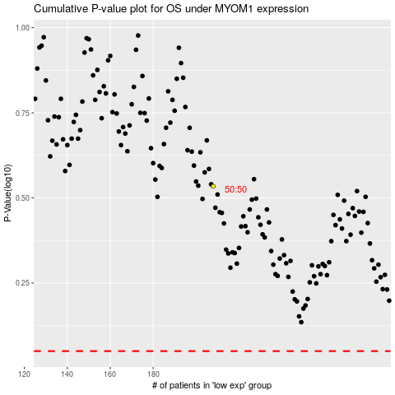

 |  |  |  |  |  | cases_OS | p_OS | rank | exp
 |  |  |  |  |  |  | cases_RFS | p_RFS | rank | exp

