MYOM2 _multivariate
Reported by Tex Li-Hsing Chi. tex@gate.sinica.edu.tw 2019-08-17

Table 2. The clinicopathological features of HNSCC cohort and MYOM2 expression. (Chi square test)
Cutoff at -0.169 (70.0%)
 |  | MYOM2 expression |  | MYOM2 expression |  | (Optimised)
 | Features | Low | (%) | High | (%) | Case no | P-value | Remark | Matthews
Gender | Female | 215 | 51.8 | 91 | 21.9 | 415 | 0.8709 | 0 | 0
2 | Male | 75 | 18.1 | 34 | 8.2
Age at diagnosis | <=65y | 190 | 45.8 | 84 | 20.2 | 415 | 0.8266 | 0 | 0
4 | >65y | 100 | 24.1 | 41 | 9.9
Clinical T Status | T1+T2 | 93 | 22.4 | 56 | 13.5 | 415 | 0.0178 | 1 | 0
6 | T3+T4 | 197 | 47.5 | 69 | 16.6
Clinical N Status | N0 | 149 | 35.9 | 67 | 16.1 | 415 | 0.7578 | 0 | 0
8 | N1-3 | 141 | 34 | 58 | 14
Clinical M Status | M0 | 287 | 69.2 | 125 | 30.1 | 415 | 0.5571 | 0 | 0
10 | M1 | 3 | 0.7 | 0 | 0
Clinical Stage | Stage I+II | 61 | 14.7 | 41 | 9.9 | 415 | 0.0151 | 1 | 0
12 | Stage III+IV | 229 | 55.2 | 84 | 20.2
Surgical Margin status | Negative | 224 | 54 | 94 | 22.7 | 415 | 0.7047 | 0 | 0
14 | Positive | 66 | 15.9 | 31 | 7.5
Tobacco Exposure | Low | 116 | 28 | 45 | 10.8 | 415 | 0.5102 | 0 | 0
16 | High | 174 | 41.9 | 80 | 19.3

Table 3. Univariate/Multivariate Cox's proportional hazards regression analyses on OS time of MYOM2 gene expression in HNSCC

 |  | Univariate |  |  |  | Multivariate
 | Features | HR | CI95%(L) | CI95%(H) | P-value | HR | CI95%(L) | CI95%(H) | P-value
1 | Female | 1 |  |  |  | 1
Gender | Male | 1.157 | 0.843 | 1.587 | 0.367 | 1.199 | 0.858 | 1.675 | 0.288
11 | <=65y | 1 |  |  |  | 1
Age at diagnosis | >65y | 1.329 | 0.99 | 1.784 | 0.058 | 1.403 | 1.032 | 1.907 | 0.031
12 | T1+T2 | 1 |  |  |  | 1
Clinical T Status | T3+T4 | 1.409 | 1.028 | 1.931 | 0.033 | 2.224 | 1.176 | 4.205 | 0.014
13 | N0 | 1 |  |  |  | 1
Clinical N Status | N1-3 | 1.185 | 0.89 | 1.577 | 0.246 | 1.217 | 0.852 | 1.736 | 0.28
14 | M0 | 1 |  |  |  | 1
Clinical M Status | M1 | 4.097 | 1.009 | 16.644 | 0.049 | 10.383 | 2.256 | 47.787 | 0.003
15 | Stage I+II | 1 |  |  |  | 1
Clinical Stage | Stage III+IV | 1.245 | 0.882 | 1.759 | 0.213 | 0.527 | 0.245 | 1.132 | 0.101
16 | Negative | 1 |  |  |  | 1
Surgical Margin status | Positive | 1.591 | 1.155 | 2.191 | 0.004 | 1.616 | 1.167 | 2.236 | 0.004
17 | Low | 1 |  |  |  | 1
Tobacco Exposure | High | 1.364 | 1.008 | 1.844 | 0.044 | 1.429 | 1.038 | 1.969 | 0.029
18 | Low | 1 |  |  |  | 1
RNAseq(z-score) | High | 1.356 | 1.002 | 1.835 | 0.049 | 1.354 | 0.994 | 1.844 | 0.054

Table 4. Univariate/Multivariate Cox's proportional hazards regression analyses on RFS time of MYOM2 gene expression in HNSCC

 |  | Univariate |  |  |  | Multivariate
 | Features | HR | CI95%(L) | CI95%(H) | P-value | HR | CI95%(L) | CI95%(H) | P-value
1 | Female | 1 |  |  |  | 1
Gender | Male | 1.157 | 0.843 | 1.587 | 0.367 | 1.199 | 0.858 | 1.675 | 0.288
11 | <=65y | 1 |  |  |  | 1
Age at diagnosis | >65y | 1.329 | 0.99 | 1.784 | 0.058 | 1.403 | 1.032 | 1.907 | 0.031
12 | T1+T2 | 1 |  |  |  | 1
Clinical T Status | T3+T4 | 1.409 | 1.028 | 1.931 | 0.033 | 2.224 | 1.176 | 4.205 | 0.014
13 | N0 | 1 |  |  |  | 1
Clinical N Status | N1-3 | 1.185 | 0.89 | 1.577 | 0.246 | 1.217 | 0.852 | 1.736 | 0.28
14 | M0 | 1 |  |  |  | 1
Clinical M Status | M1 | 4.097 | 1.009 | 16.644 | 0.049 | 10.383 | 2.256 | 47.787 | 0.003
15 | Stage I+II | 1 |  |  |  | 1
Clinical Stage | Stage III+IV | 1.245 | 0.882 | 1.759 | 0.213 | 0.527 | 0.245 | 1.132 | 0.101
16 | Negative | 1 |  |  |  | 1
Surgical Margin status | Positive | 1.591 | 1.155 | 2.191 | 0.004 | 1.616 | 1.167 | 2.236 | 0.004
17 | Low | 1 |  |  |  | 1
Tobacco Exposure | High | 1.364 | 1.008 | 1.844 | 0.044 | 1.429 | 1.038 | 1.969 | 0.029
18 | Low | 1 |  |  |  | 1
RNAseq(z-score) | High | 1.356 | 1.002 | 1.835 | 0.049 | 1.354 | 0.994 | 1.844 | 0.054

Kaplan-Meier survival estimate: Cutoff at -0.169 (70.0%)



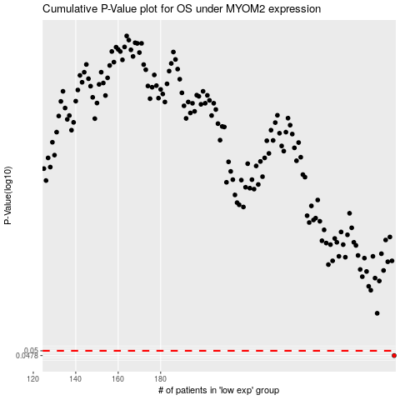

 |  |  |  |  |  | cases_OS | p_OS | rank | exp
 |  |  |  |  |  | 290 | 0.0478 | 318 | -0.16948380017
 |  |  |  |  |  |  | cases_RFS | p_RFS | rank | exp
 |  |  |  |  |  |  | 289 | 0.0478 | 271 | -0.17138793348

