MYOZ1 _multivariate
Reported by Tex Li-Hsing Chi. tex@gate.sinica.edu.tw 2019-08-17

Table 2. The clinicopathological features of HNSCC cohort and MYOZ1 expression. (Chi square test)
Cutoff at -0.179 (50.0%)
 |  | MYOZ1 expression |  | MYOZ1 expression |  | (Optimised)
 | Features | Low | (%) | High | (%) | Case no | P-value | Remark | Matthews
Gender | Female | 160 | 38.6 | 146 | 35.2 | 415 | 0.1254 | 0 | 0
2 | Male | 47 | 11.3 | 62 | 14.9
Age at diagnosis | <=65y | 126 | 30.4 | 148 | 35.7 | 415 | 0.035 | 1 | 0
4 | >65y | 81 | 19.5 | 60 | 14.5
Clinical T Status | T1+T2 | 65 | 15.7 | 84 | 20.2 | 415 | 0.0711 | 0 | 0
6 | T3+T4 | 142 | 34.2 | 124 | 29.9
Clinical N Status | N0 | 110 | 26.5 | 106 | 25.5 | 415 | 0.7294 | 0 | 0
8 | N1-3 | 97 | 23.4 | 102 | 24.6
Clinical M Status | M0 | 204 | 49.2 | 208 | 50.1 | 415 | 0.1232 | 0 | 0
10 | M1 | 3 | 0.7 | 0 | 0
Clinical Stage | Stage I+II | 44 | 10.6 | 58 | 14 | 415 | 0.1459 | 0 | 0
12 | Stage III+IV | 163 | 39.3 | 150 | 36.1
Surgical Margin status | Negative | 154 | 37.1 | 164 | 39.5 | 415 | 0.2984 | 0 | 0
14 | Positive | 53 | 12.8 | 44 | 10.6
Tobacco Exposure | Low | 83 | 20 | 78 | 18.8 | 415 | 0.6152 | 0 | 0
16 | High | 124 | 29.9 | 130 | 31.3

Table 3. Univariate/Multivariate Cox's proportional hazards regression analyses on OS time of MYOZ1 gene expression in HNSCC

 |  | Univariate |  |  |  | Multivariate
 | Features | HR | CI95%(L) | CI95%(H) | P-value | HR | CI95%(L) | CI95%(H) | P-value
1 | Female | 1 |  |  |  | 1
Gender | Male | 1.157 | 0.843 | 1.587 | 0.367 | 1.167 | 0.832 | 1.637 | 0.37
11 | <=65y | 1 |  |  |  | 1
Age at diagnosis | >65y | 1.329 | 0.99 | 1.784 | 0.058 | 1.405 | 1.033 | 1.911 | 0.03
12 | T1+T2 | 1 |  |  |  | 1
Clinical T Status | T3+T4 | 1.409 | 1.028 | 1.931 | 0.033 | 2.193 | 1.159 | 4.147 | 0.016
13 | N0 | 1 |  |  |  | 1
Clinical N Status | N1-3 | 1.185 | 0.89 | 1.577 | 0.246 | 1.225 | 0.858 | 1.75 | 0.264
14 | M0 | 1 |  |  |  | 1
Clinical M Status | M1 | 4.097 | 1.009 | 16.644 | 0.049 | 10.187 | 2.208 | 47.001 | 0.003
15 | Stage I+II | 1 |  |  |  | 1
Clinical Stage | Stage III+IV | 1.245 | 0.882 | 1.759 | 0.213 | 0.513 | 0.239 | 1.101 | 0.087
16 | Negative | 1 |  |  |  | 1
Surgical Margin status | Positive | 1.591 | 1.155 | 2.191 | 0.004 | 1.683 | 1.218 | 2.325 | 0.002
17 | Low | 1 |  |  |  | 1
Tobacco Exposure | High | 1.364 | 1.008 | 1.844 | 0.044 | 1.435 | 1.041 | 1.977 | 0.027
18 | Low | 1 |  |  |  | 1
RNAseq(z-score) | High | 1.159 | 0.869 | 1.547 | 0.315 | 1.187 | 0.882 | 1.598 | 0.257

Table 4. Univariate/Multivariate Cox's proportional hazards regression analyses on RFS time of MYOZ1 gene expression in HNSCC

 |  | Univariate |  |  |  | Multivariate
 | Features | HR | CI95%(L) | CI95%(H) | P-value | HR | CI95%(L) | CI95%(H) | P-value
1 | Female | 1 |  |  |  | 1
Gender | Male | 1.157 | 0.843 | 1.587 | 0.367 | 1.167 | 0.832 | 1.637 | 0.37
11 | <=65y | 1 |  |  |  | 1
Age at diagnosis | >65y | 1.329 | 0.99 | 1.784 | 0.058 | 1.405 | 1.033 | 1.911 | 0.03
12 | T1+T2 | 1 |  |  |  | 1
Clinical T Status | T3+T4 | 1.409 | 1.028 | 1.931 | 0.033 | 2.193 | 1.159 | 4.147 | 0.016
13 | N0 | 1 |  |  |  | 1
Clinical N Status | N1-3 | 1.185 | 0.89 | 1.577 | 0.246 | 1.225 | 0.858 | 1.75 | 0.264
14 | M0 | 1 |  |  |  | 1
Clinical M Status | M1 | 4.097 | 1.009 | 16.644 | 0.049 | 10.187 | 2.208 | 47.001 | 0.003
15 | Stage I+II | 1 |  |  |  | 1
Clinical Stage | Stage III+IV | 1.245 | 0.882 | 1.759 | 0.213 | 0.513 | 0.239 | 1.101 | 0.087
16 | Negative | 1 |  |  |  | 1
Surgical Margin status | Positive | 1.591 | 1.155 | 2.191 | 0.004 | 1.683 | 1.218 | 2.325 | 0.002
17 | Low | 1 |  |  |  | 1
Tobacco Exposure | High | 1.364 | 1.008 | 1.844 | 0.044 | 1.435 | 1.041 | 1.977 | 0.027
18 | Low | 1 |  |  |  | 1
RNAseq(z-score) | High | 1.159 | 0.869 | 1.547 | 0.315 | 1.187 | 0.882 | 1.598 | 0.257

Kaplan-Meier survival estimate: Cutoff at -0.179 (50.0%)



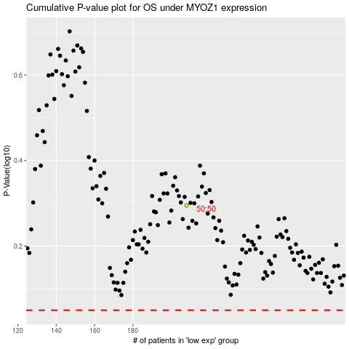

 |  |  |  |  |  | cases_OS | p_OS | rank | exp
 |  |  |  |  |  |  | cases_RFS | p_RFS | rank | exp

