MYOZ2 _multivariate
Reported by Tex Li-Hsing Chi. tex@gate.sinica.edu.tw 2019-08-17

Table 2. The clinicopathological features of HNSCC cohort and MYOZ2 expression. (Chi square test)
Cutoff at -0.247 (64.5%)
 |  | MYOZ2 expression |  | MYOZ2 expression |  | (Optimised)
 | Features | Low | (%) | High | (%) | Case no | P-value | Remark | Matthews
Gender | Female | 204 | 49.2 | 102 | 24.6 | 415 | 0.1227 | 0 | 0
2 | Male | 63 | 15.2 | 46 | 11.1
Age at diagnosis | <=65y | 166 | 40 | 108 | 26 | 415 | 0.0343 | 1 | 0
4 | >65y | 101 | 24.3 | 40 | 9.6
Clinical T Status | T1+T2 | 82 | 19.8 | 67 | 16.1 | 415 | 0.0043 | 1 | 0
6 | T3+T4 | 185 | 44.6 | 81 | 19.5
Clinical N Status | N0 | 141 | 34 | 75 | 18.1 | 415 | 0.7534 | 0 | 0
8 | N1-3 | 126 | 30.4 | 73 | 17.6
Clinical M Status | M0 | 264 | 63.6 | 148 | 35.7 | 415 | 0.5556 | 0 | 0
10 | M1 | 3 | 0.7 | 0 | 0
Clinical Stage | Stage I+II | 53 | 12.8 | 49 | 11.8 | 415 | 0.0039 | 1 | 0
12 | Stage III+IV | 214 | 51.6 | 99 | 23.9
Surgical Margin status | Negative | 204 | 49.2 | 114 | 27.5 | 415 | 0.9043 | 0 | 0
14 | Positive | 63 | 15.2 | 34 | 8.2
Tobacco Exposure | Low | 103 | 24.8 | 58 | 14 | 415 | 0.9166 | 0 | 0
16 | High | 164 | 39.5 | 90 | 21.7

Table 3. Univariate/Multivariate Cox's proportional hazards regression analyses on OS time of MYOZ2 gene expression in HNSCC

 |  | Univariate |  |  |  | Multivariate
 | Features | HR | CI95%(L) | CI95%(H) | P-value | HR | CI95%(L) | CI95%(H) | P-value
1 | Female | 1 |  |  |  | 1
Gender | Male | 1.157 | 0.843 | 1.587 | 0.367 | 1.152 | 0.825 | 1.61 | 0.406
11 | <=65y | 1 |  |  |  | 1
Age at diagnosis | >65y | 1.329 | 0.99 | 1.784 | 0.058 | 1.477 | 1.082 | 2.016 | 0.014
12 | T1+T2 | 1 |  |  |  | 1
Clinical T Status | T3+T4 | 1.409 | 1.028 | 1.931 | 0.033 | 2.179 | 1.152 | 4.123 | 0.017
13 | N0 | 1 |  |  |  | 1
Clinical N Status | N1-3 | 1.185 | 0.89 | 1.577 | 0.246 | 1.187 | 0.83 | 1.698 | 0.348
14 | M0 | 1 |  |  |  | 1
Clinical M Status | M1 | 4.097 | 1.009 | 16.644 | 0.049 | 10.852 | 2.357 | 49.961 | 0.002
15 | Stage I+II | 1 |  |  |  | 1
Clinical Stage | Stage III+IV | 1.245 | 0.882 | 1.759 | 0.213 | 0.55 | 0.255 | 1.186 | 0.127
16 | Negative | 1 |  |  |  | 1
Surgical Margin status | Positive | 1.591 | 1.155 | 2.191 | 0.004 | 1.638 | 1.186 | 2.264 | 0.003
17 | Low | 1 |  |  |  | 1
Tobacco Exposure | High | 1.364 | 1.008 | 1.844 | 0.044 | 1.439 | 1.047 | 1.98 | 0.025
18 | Low | 1 |  |  |  | 1
RNAseq(z-score) | High | 1.406 | 1.052 | 1.877 | 0.021 | 1.489 | 1.103 | 2.011 | 0.009

Table 4. Univariate/Multivariate Cox's proportional hazards regression analyses on RFS time of MYOZ2 gene expression in HNSCC

 |  | Univariate |  |  |  | Multivariate
 | Features | HR | CI95%(L) | CI95%(H) | P-value | HR | CI95%(L) | CI95%(H) | P-value
1 | Female | 1 |  |  |  | 1
Gender | Male | 1.157 | 0.843 | 1.587 | 0.367 | 1.152 | 0.825 | 1.61 | 0.406
11 | <=65y | 1 |  |  |  | 1
Age at diagnosis | >65y | 1.329 | 0.99 | 1.784 | 0.058 | 1.477 | 1.082 | 2.016 | 0.014
12 | T1+T2 | 1 |  |  |  | 1
Clinical T Status | T3+T4 | 1.409 | 1.028 | 1.931 | 0.033 | 2.179 | 1.152 | 4.123 | 0.017
13 | N0 | 1 |  |  |  | 1
Clinical N Status | N1-3 | 1.185 | 0.89 | 1.577 | 0.246 | 1.187 | 0.83 | 1.698 | 0.348
14 | M0 | 1 |  |  |  | 1
Clinical M Status | M1 | 4.097 | 1.009 | 16.644 | 0.049 | 10.852 | 2.357 | 49.961 | 0.002
15 | Stage I+II | 1 |  |  |  | 1
Clinical Stage | Stage III+IV | 1.245 | 0.882 | 1.759 | 0.213 | 0.55 | 0.255 | 1.186 | 0.127
16 | Negative | 1 |  |  |  | 1
Surgical Margin status | Positive | 1.591 | 1.155 | 2.191 | 0.004 | 1.638 | 1.186 | 2.264 | 0.003
17 | Low | 1 |  |  |  | 1
Tobacco Exposure | High | 1.364 | 1.008 | 1.844 | 0.044 | 1.439 | 1.047 | 1.98 | 0.025
18 | Low | 1 |  |  |  | 1
RNAseq(z-score) | High | 1.406 | 1.052 | 1.877 | 0.021 | 1.489 | 1.103 | 2.011 | 0.009

Kaplan-Meier survival estimate: Cutoff at -0.247 (64.5%)

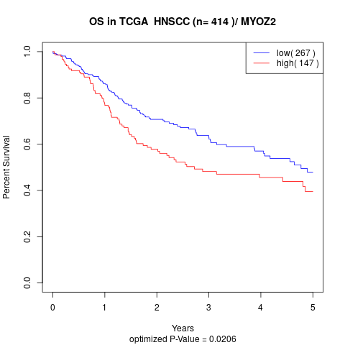

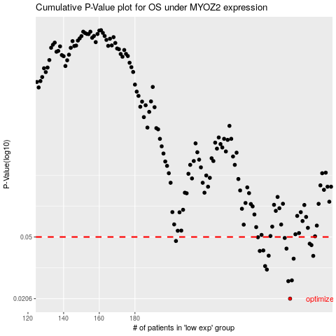

 |  |  |  |  |  | cases_OS | p_OS | rank | exp
 |  |  |  |  |  | 267 | 0.0206 | 92 | -0.24660167224
 |  |  |  |  |  | 266 | 0.0265 | 14 | -0.2466334502
 |  |  |  |  |  | 268 | 0.0268 | 67 | -0.24614446898
 |  |  |  |  |  | 254 | 0.0313 | 4 | -0.25201806671
 |  |  |  |  |  | 253 | 0.0329 | 27 | -0.25291084425
 |  |  |  |  |  | 269 | 0.0366 | 155 | -0.24549992553
 |  |  |  |  |  | 280 | 0.0381 | 302 | -0.23628698043
 |  |  |  |  |  | 255 | 0.0382 | 138 | -0.25187398447
 |  |  |  |  |  | 250 | 0.0409 | 325 | -0.25356304104
 |  |  |  |  |  | 252 | 0.0412 | 34 | -0.25312014618
 |  |  |  |  |  | 265 | 0.0423 | 184 | -0.24672229537
 |  |  |  |  |  | 279 | 0.0445 | 269 | -0.23762914152
 |  |  |  |  |  | 278 | 0.0454 | 13 | -0.2387425346
 |  |  |  |  |  | 203 | 0.0472 | 153 | -0.26397023831
 |  |  |  |  |  | 264 | 0.0493 | 336 | -0.24721593513
 |  |  |  |  |  | 249 | 0.0498 | 160 | -0.25408546397
 |  |  |  |  |  |  | cases_RFS | p_RFS | rank | exp
 |  |  |  |  |  |  | 266 | 0.0206 | 14 | -0.2466334502
 |  |  |  |  |  |  | 265 | 0.0265 | 184 | -0.24672229537
 |  |  |  |  |  |  | 267 | 0.0268 | 92 | -0.24660167224
 |  |  |  |  |  |  | 253 | 0.0313 | 27 | -0.25291084425
 |  |  |  |  |  |  | 252 | 0.0329 | 34 | -0.25312014618
 |  |  |  |  |  |  | 268 | 0.0366 | 67 | -0.24614446898
 |  |  |  |  |  |  | 279 | 0.0381 | 269 | -0.23762914152
 |  |  |  |  |  |  | 254 | 0.0382 | 4 | -0.25201806671
 |  |  |  |  |  |  | 249 | 0.0409 | 160 | -0.25408546397
 |  |  |  |  |  |  | 251 | 0.0412 | 169 | -0.25344424805
 |  |  |  |  |  |  | 264 | 0.0423 | 336 | -0.24721593513
 |  |  |  |  |  |  | 278 | 0.0445 | 13 | -0.2387425346
 |  |  |  |  |  |  | 277 | 0.0454 | 347 | -0.23973197702
 |  |  |  |  |  |  | 202 | 0.0472 | 193 | -0.26407272638
 |  |  |  |  |  |  | 263 | 0.0493 | 177 | -0.24752256745
 |  |  |  |  |  |  | 248 | 0.0498 | 96 | -0.25432787487

