MYOZ3 _multivariate
Reported by Tex Li-Hsing Chi. tex@gate.sinica.edu.tw 2019-08-17

Table 2. The clinicopathological features of HNSCC cohort and MYOZ3 expression. (Chi square test)
Cutoff at -0.19 (50.0%)
 |  | MYOZ3 expression |  | MYOZ3 expression |  | (Optimised)
 | Features | Low | (%) | High | (%) | Case no | P-value | Remark | Matthews
Gender | Female | 149 | 35.9 | 157 | 37.8 | 415 | 0.4848 | 0 | 0
2 | Male | 58 | 14 | 51 | 12.3
Age at diagnosis | <=65y | 130 | 31.3 | 144 | 34.7 | 415 | 0.2009 | 0 | 0
4 | >65y | 77 | 18.6 | 64 | 15.4
Clinical T Status | T1+T2 | 63 | 15.2 | 86 | 20.7 | 415 | 0.0268 | 1 | 0
6 | T3+T4 | 144 | 34.7 | 122 | 29.4
Clinical N Status | N0 | 107 | 25.8 | 109 | 26.3 | 415 | 0.9624 | 0 | 0
8 | N1-3 | 100 | 24.1 | 99 | 23.9
Clinical M Status | M0 | 204 | 49.2 | 208 | 50.1 | 415 | 0.1232 | 0 | 0
10 | M1 | 3 | 0.7 | 0 | 0
Clinical Stage | Stage I+II | 39 | 9.4 | 63 | 15.2 | 415 | 0.0095 | 1 | 0
12 | Stage III+IV | 168 | 40.5 | 145 | 34.9
Surgical Margin status | Negative | 156 | 37.6 | 162 | 39 | 415 | 0.5636 | 0 | 0
14 | Positive | 51 | 12.3 | 46 | 11.1
Tobacco Exposure | Low | 86 | 20.7 | 75 | 18.1 | 415 | 0.2687 | 0 | 0
16 | High | 121 | 29.2 | 133 | 32

Table 3. Univariate/Multivariate Cox's proportional hazards regression analyses on OS time of MYOZ3 gene expression in HNSCC

 |  | Univariate |  |  |  | Multivariate
 | Features | HR | CI95%(L) | CI95%(H) | P-value | HR | CI95%(L) | CI95%(H) | P-value
1 | Female | 1 |  |  |  | 1
Gender | Male | 1.157 | 0.843 | 1.587 | 0.367 | 1.207 | 0.864 | 1.686 | 0.27
11 | <=65y | 1 |  |  |  | 1
Age at diagnosis | >65y | 1.329 | 0.99 | 1.784 | 0.058 | 1.397 | 1.027 | 1.899 | 0.033
12 | T1+T2 | 1 |  |  |  | 1
Clinical T Status | T3+T4 | 1.409 | 1.028 | 1.931 | 0.033 | 2.198 | 1.162 | 4.156 | 0.015
13 | N0 | 1 |  |  |  | 1
Clinical N Status | N1-3 | 1.185 | 0.89 | 1.577 | 0.246 | 1.232 | 0.863 | 1.76 | 0.25
14 | M0 | 1 |  |  |  | 1
Clinical M Status | M1 | 4.097 | 1.009 | 16.644 | 0.049 | 9.893 | 2.143 | 45.663 | 0.003
15 | Stage I+II | 1 |  |  |  | 1
Clinical Stage | Stage III+IV | 1.245 | 0.882 | 1.759 | 0.213 | 0.515 | 0.239 | 1.108 | 0.09
16 | Negative | 1 |  |  |  | 1
Surgical Margin status | Positive | 1.591 | 1.155 | 2.191 | 0.004 | 1.662 | 1.203 | 2.297 | 0.002
17 | Low | 1 |  |  |  | 1
Tobacco Exposure | High | 1.364 | 1.008 | 1.844 | 0.044 | 1.438 | 1.043 | 1.983 | 0.026
18 | Low | 1 |  |  |  | 1
RNAseq(z-score) | High | 1.091 | 0.819 | 1.455 | 0.551 | 1.11 | 0.827 | 1.49 | 0.486

Table 4. Univariate/Multivariate Cox's proportional hazards regression analyses on RFS time of MYOZ3 gene expression in HNSCC

 |  | Univariate |  |  |  | Multivariate
 | Features | HR | CI95%(L) | CI95%(H) | P-value | HR | CI95%(L) | CI95%(H) | P-value
1 | Female | 1 |  |  |  | 1
Gender | Male | 1.157 | 0.843 | 1.587 | 0.367 | 1.207 | 0.864 | 1.686 | 0.27
11 | <=65y | 1 |  |  |  | 1
Age at diagnosis | >65y | 1.329 | 0.99 | 1.784 | 0.058 | 1.397 | 1.027 | 1.899 | 0.033
12 | T1+T2 | 1 |  |  |  | 1
Clinical T Status | T3+T4 | 1.409 | 1.028 | 1.931 | 0.033 | 2.198 | 1.162 | 4.156 | 0.015
13 | N0 | 1 |  |  |  | 1
Clinical N Status | N1-3 | 1.185 | 0.89 | 1.577 | 0.246 | 1.232 | 0.863 | 1.76 | 0.25
14 | M0 | 1 |  |  |  | 1
Clinical M Status | M1 | 4.097 | 1.009 | 16.644 | 0.049 | 9.893 | 2.143 | 45.663 | 0.003
15 | Stage I+II | 1 |  |  |  | 1
Clinical Stage | Stage III+IV | 1.245 | 0.882 | 1.759 | 0.213 | 0.515 | 0.239 | 1.108 | 0.09
16 | Negative | 1 |  |  |  | 1
Surgical Margin status | Positive | 1.591 | 1.155 | 2.191 | 0.004 | 1.662 | 1.203 | 2.297 | 0.002
17 | Low | 1 |  |  |  | 1
Tobacco Exposure | High | 1.364 | 1.008 | 1.844 | 0.044 | 1.438 | 1.043 | 1.983 | 0.026
18 | Low | 1 |  |  |  | 1
RNAseq(z-score) | High | 1.091 | 0.819 | 1.455 | 0.551 | 1.11 | 0.827 | 1.49 | 0.486

Kaplan-Meier survival estimate: Cutoff at -0.19 (50.0%)



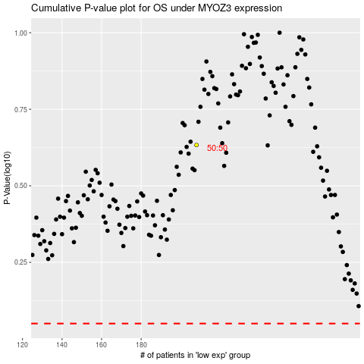

 |  |  |  |  |  | cases_OS | p_OS | rank | exp
 |  |  |  |  |  |  | cases_RFS | p_RFS | rank | exp

