MYPOP _multivariate
Reported by Tex Li-Hsing Chi. tex@gate.sinica.edu.tw 2019-08-17

Table 2. The clinicopathological features of HNSCC cohort and MYPOP expression. (Chi square test)
Cutoff at -0.212 (47.3%)
 |  | MYPOP expression |  | MYPOP expression |  | (Optimised)
 | Features | Low | (%) | High | (%) | Case no | P-value | Remark | Matthews
Gender | Female | 132 | 31.8 | 174 | 41.9 | 415 | 0.0044 | 1 | 0
2 | Male | 65 | 15.7 | 44 | 10.6
Age at diagnosis | <=65y | 129 | 31.1 | 145 | 34.9 | 415 | 0.9062 | 0 | 0
4 | >65y | 68 | 16.4 | 73 | 17.6
Clinical T Status | T1+T2 | 71 | 17.1 | 78 | 18.8 | 415 | 1 | 0 | 0
6 | T3+T4 | 126 | 30.4 | 140 | 33.7
Clinical N Status | N0 | 107 | 25.8 | 109 | 26.3 | 415 | 0.4353 | 0 | 0
8 | N1-3 | 90 | 21.7 | 109 | 26.3
Clinical M Status | M0 | 195 | 47 | 217 | 52.3 | 415 | 0.606 | 0 | 0
10 | M1 | 2 | 0.5 | 1 | 0.2
Clinical Stage | Stage I+II | 50 | 12 | 52 | 12.5 | 415 | 0.8051 | 0 | 0
12 | Stage III+IV | 147 | 35.4 | 166 | 40
Surgical Margin status | Negative | 157 | 37.8 | 161 | 38.8 | 415 | 0.1656 | 0 | 0
14 | Positive | 40 | 9.6 | 57 | 13.7
Tobacco Exposure | Low | 83 | 20 | 78 | 18.8 | 415 | 0.1913 | 0 | 0
16 | High | 114 | 27.5 | 140 | 33.7

Table 3. Univariate/Multivariate Cox's proportional hazards regression analyses on OS time of MYPOP gene expression in HNSCC

 |  | Univariate |  |  |  | Multivariate
 | Features | HR | CI95%(L) | CI95%(H) | P-value | HR | CI95%(L) | CI95%(H) | P-value
1 | Female | 1 |  |  |  | 1
Gender | Male | 1.157 | 0.843 | 1.587 | 0.367 | 1.135 | 0.81 | 1.592 | 0.462
11 | <=65y | 1 |  |  |  | 1
Age at diagnosis | >65y | 1.329 | 0.99 | 1.784 | 0.058 | 1.402 | 1.032 | 1.907 | 0.031
12 | T1+T2 | 1 |  |  |  | 1
Clinical T Status | T3+T4 | 1.409 | 1.028 | 1.931 | 0.033 | 2.239 | 1.185 | 4.232 | 0.013
13 | N0 | 1 |  |  |  | 1
Clinical N Status | N1-3 | 1.185 | 0.89 | 1.577 | 0.246 | 1.295 | 0.906 | 1.85 | 0.155
14 | M0 | 1 |  |  |  | 1
Clinical M Status | M1 | 4.097 | 1.009 | 16.644 | 0.049 | 8.835 | 1.926 | 40.526 | 0.005
15 | Stage I+II | 1 |  |  |  | 1
Clinical Stage | Stage III+IV | 1.245 | 0.882 | 1.759 | 0.213 | 0.49 | 0.228 | 1.053 | 0.068
16 | Negative | 1 |  |  |  | 1
Surgical Margin status | Positive | 1.591 | 1.155 | 2.191 | 0.004 | 1.733 | 1.253 | 2.397 | 0.001
17 | Low | 1 |  |  |  | 1
Tobacco Exposure | High | 1.364 | 1.008 | 1.844 | 0.044 | 1.524 | 1.101 | 2.109 | 0.011
18 | Low | 1 |  |  |  | 1
RNAseq(z-score) | High | 0.74 | 0.553 | 0.99 | 0.042 | 0.673 | 0.498 | 0.909 | 0.01

Table 4. Univariate/Multivariate Cox's proportional hazards regression analyses on RFS time of MYPOP gene expression in HNSCC

 |  | Univariate |  |  |  | Multivariate
 | Features | HR | CI95%(L) | CI95%(H) | P-value | HR | CI95%(L) | CI95%(H) | P-value
1 | Female | 1 |  |  |  | 1
Gender | Male | 1.157 | 0.843 | 1.587 | 0.367 | 1.135 | 0.81 | 1.592 | 0.462
11 | <=65y | 1 |  |  |  | 1
Age at diagnosis | >65y | 1.329 | 0.99 | 1.784 | 0.058 | 1.402 | 1.032 | 1.907 | 0.031
12 | T1+T2 | 1 |  |  |  | 1
Clinical T Status | T3+T4 | 1.409 | 1.028 | 1.931 | 0.033 | 2.239 | 1.185 | 4.232 | 0.013
13 | N0 | 1 |  |  |  | 1
Clinical N Status | N1-3 | 1.185 | 0.89 | 1.577 | 0.246 | 1.295 | 0.906 | 1.85 | 0.155
14 | M0 | 1 |  |  |  | 1
Clinical M Status | M1 | 4.097 | 1.009 | 16.644 | 0.049 | 8.835 | 1.926 | 40.526 | 0.005
15 | Stage I+II | 1 |  |  |  | 1
Clinical Stage | Stage III+IV | 1.245 | 0.882 | 1.759 | 0.213 | 0.49 | 0.228 | 1.053 | 0.068
16 | Negative | 1 |  |  |  | 1
Surgical Margin status | Positive | 1.591 | 1.155 | 2.191 | 0.004 | 1.733 | 1.253 | 2.397 | 0.001
17 | Low | 1 |  |  |  | 1
Tobacco Exposure | High | 1.364 | 1.008 | 1.844 | 0.044 | 1.524 | 1.101 | 2.109 | 0.011
18 | Low | 1 |  |  |  | 1
RNAseq(z-score) | High | 0.74 | 0.553 | 0.99 | 0.042 | 0.673 | 0.498 | 0.909 | 0.01

Kaplan-Meier survival estimate: Cutoff at -0.212 (47.3%)



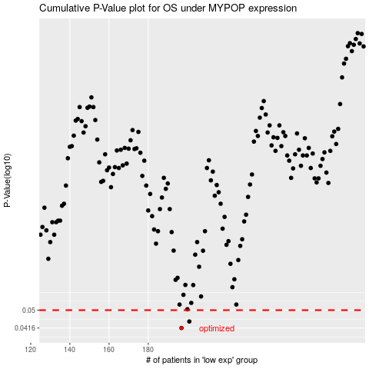

 |  |  |  |  |  | cases_OS | p_OS | rank | exp
 |  |  |  |  |  | 197 | 0.0416 | 57 | -0.21183007172
 |  |  |  |  |  | 201 | 0.0445 | 174 | -0.18972314791
 |  |  |  |  |  |  | cases_RFS | p_RFS | rank | exp
 |  |  |  |  |  |  | 196 | 0.0416 | 163 | -0.21756688029
 |  |  |  |  |  |  | 200 | 0.0445 | 366 | -0.19458649263

