MYT1 _multivariate
Reported by Tex Li-Hsing Chi. tex@gate.sinica.edu.tw 2019-08-17

Table 2. The clinicopathological features of HNSCC cohort and MYT1 expression. (Chi square test)
Cutoff at -0.12 (67.4%)
 |  | MYT1 expression |  | MYT1 expression |  | (Optimised)
 | Features | Low | (%) | High | (%) | Case no | P-value | Remark | Matthews
Gender | Female | 204 | 49.2 | 102 | 24.6 | 415 | 0.7718 | 0 | 0
2 | Male | 75 | 18.1 | 34 | 8.2
Age at diagnosis | <=65y | 183 | 44.1 | 91 | 21.9 | 415 | 0.8759 | 0 | 0
4 | >65y | 96 | 23.1 | 45 | 10.8
Clinical T Status | T1+T2 | 115 | 27.7 | 34 | 8.2 | 415 | 0.0018 | 1 | 0
6 | T3+T4 | 164 | 39.5 | 102 | 24.6
Clinical N Status | N0 | 147 | 35.4 | 69 | 16.6 | 415 | 0.7878 | 0 | 0
8 | N1-3 | 132 | 31.8 | 67 | 16.1
Clinical M Status | M0 | 276 | 66.5 | 136 | 32.8 | 415 | 0.554 | 0 | 0
10 | M1 | 3 | 0.7 | 0 | 0
Clinical Stage | Stage I+II | 78 | 18.8 | 24 | 5.8 | 415 | 0.0301 | 1 | 0
12 | Stage III+IV | 201 | 48.4 | 112 | 27
Surgical Margin status | Negative | 220 | 53 | 98 | 23.6 | 415 | 0.1386 | 0 | 0
14 | Positive | 59 | 14.2 | 38 | 9.2
Tobacco Exposure | Low | 113 | 27.2 | 48 | 11.6 | 415 | 0.3349 | 0 | 0
16 | High | 166 | 40 | 88 | 21.2

Table 3. Univariate/Multivariate Cox's proportional hazards regression analyses on OS time of MYT1 gene expression in HNSCC

 |  | Univariate |  |  |  | Multivariate
 | Features | HR | CI95%(L) | CI95%(H) | P-value | HR | CI95%(L) | CI95%(H) | P-value
1 | Female | 1 |  |  |  | 1
Gender | Male | 1.157 | 0.843 | 1.587 | 0.367 | 1.217 | 0.869 | 1.705 | 0.252
11 | <=65y | 1 |  |  |  | 1
Age at diagnosis | >65y | 1.329 | 0.99 | 1.784 | 0.058 | 1.386 | 1.019 | 1.885 | 0.037
12 | T1+T2 | 1 |  |  |  | 1
Clinical T Status | T3+T4 | 1.409 | 1.028 | 1.931 | 0.033 | 2.093 | 1.104 | 3.967 | 0.024
13 | N0 | 1 |  |  |  | 1
Clinical N Status | N1-3 | 1.185 | 0.89 | 1.577 | 0.246 | 1.251 | 0.877 | 1.786 | 0.217
14 | M0 | 1 |  |  |  | 1
Clinical M Status | M1 | 4.097 | 1.009 | 16.644 | 0.049 | 10.195 | 2.219 | 46.847 | 0.003
15 | Stage I+II | 1 |  |  |  | 1
Clinical Stage | Stage III+IV | 1.245 | 0.882 | 1.759 | 0.213 | 0.499 | 0.232 | 1.072 | 0.075
16 | Negative | 1 |  |  |  | 1
Surgical Margin status | Positive | 1.591 | 1.155 | 2.191 | 0.004 | 1.652 | 1.195 | 2.286 | 0.002
17 | Low | 1 |  |  |  | 1
Tobacco Exposure | High | 1.364 | 1.008 | 1.844 | 0.044 | 1.433 | 1.04 | 1.974 | 0.028
18 | Low | 1 |  |  |  | 1
RNAseq(z-score) | High | 1.442 | 1.066 | 1.951 | 0.017 | 1.386 | 1.016 | 1.889 | 0.039

Table 4. Univariate/Multivariate Cox's proportional hazards regression analyses on RFS time of MYT1 gene expression in HNSCC

 |  | Univariate |  |  |  | Multivariate
 | Features | HR | CI95%(L) | CI95%(H) | P-value | HR | CI95%(L) | CI95%(H) | P-value
1 | Female | 1 |  |  |  | 1
Gender | Male | 1.157 | 0.843 | 1.587 | 0.367 | 1.217 | 0.869 | 1.705 | 0.252
11 | <=65y | 1 |  |  |  | 1
Age at diagnosis | >65y | 1.329 | 0.99 | 1.784 | 0.058 | 1.386 | 1.019 | 1.885 | 0.037
12 | T1+T2 | 1 |  |  |  | 1
Clinical T Status | T3+T4 | 1.409 | 1.028 | 1.931 | 0.033 | 2.093 | 1.104 | 3.967 | 0.024
13 | N0 | 1 |  |  |  | 1
Clinical N Status | N1-3 | 1.185 | 0.89 | 1.577 | 0.246 | 1.251 | 0.877 | 1.786 | 0.217
14 | M0 | 1 |  |  |  | 1
Clinical M Status | M1 | 4.097 | 1.009 | 16.644 | 0.049 | 10.195 | 2.219 | 46.847 | 0.003
15 | Stage I+II | 1 |  |  |  | 1
Clinical Stage | Stage III+IV | 1.245 | 0.882 | 1.759 | 0.213 | 0.499 | 0.232 | 1.072 | 0.075
16 | Negative | 1 |  |  |  | 1
Surgical Margin status | Positive | 1.591 | 1.155 | 2.191 | 0.004 | 1.652 | 1.195 | 2.286 | 0.002
17 | Low | 1 |  |  |  | 1
Tobacco Exposure | High | 1.364 | 1.008 | 1.844 | 0.044 | 1.433 | 1.04 | 1.974 | 0.028
18 | Low | 1 |  |  |  | 1
RNAseq(z-score) | High | 1.442 | 1.066 | 1.951 | 0.017 | 1.386 | 1.016 | 1.889 | 0.039

Kaplan-Meier survival estimate: Cutoff at -0.12 (67.4%)

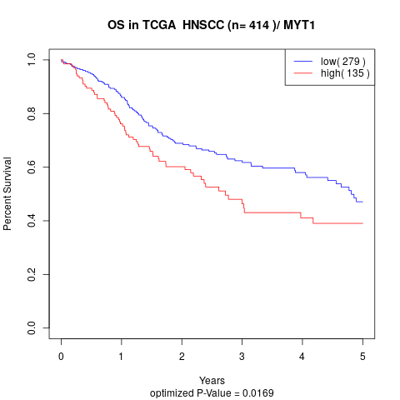

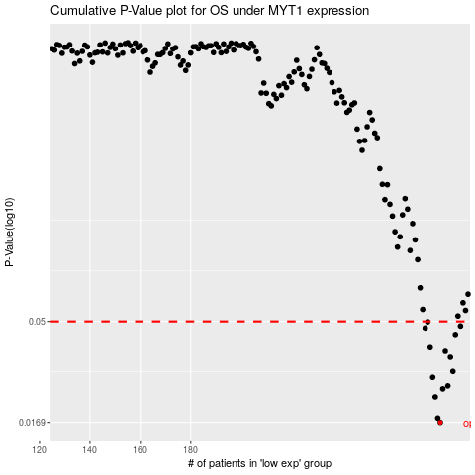

 |  |  |  |  |  | cases_OS | p_OS | rank | exp
 |  |  |  |  |  | 279 | 0.0169 | 364 | -0.11982233254
 |  |  |  |  |  | 278 | 0.0177 | 94 | -0.12205329644
 |  |  |  |  |  | 277 | 0.0222 | 314 | -0.12209017187
 |  |  |  |  |  | 280 | 0.0242 | 108 | -0.11934295187
 |  |  |  |  |  | 282 | 0.025 | 137 | -0.11706589368
 |  |  |  |  |  | 276 | 0.0274 | 18 | -0.12512317651
 |  |  |  |  |  | 284 | 0.0292 | 115 | -0.11677089019
 |  |  |  |  |  | 283 | 0.034 | 408 | -0.1170382371
 |  |  |  |  |  | 281 | 0.0362 | 195 | -0.11916779355
 |  |  |  |  |  | 275 | 0.0377 | 41 | -0.1295851043
 |  |  |  |  |  | 285 | 0.043 | 90 | -0.11454914515
 |  |  |  |  |  | 273 | 0.0466 | 243 | -0.13291311242
 |  |  |  |  |  | 287 | 0.0476 | 404 | -0.11277912421
 |  |  |  |  |  | 274 | 0.0498 | 166 | -0.13082043141
 |  |  |  |  |  |  | cases_RFS | p_RFS | rank | exp
 |  |  |  |  |  |  | 278 | 0.0169 | 94 | -0.12205329644
 |  |  |  |  |  |  | 277 | 0.0177 | 314 | -0.12209017187
 |  |  |  |  |  |  | 276 | 0.0222 | 18 | -0.12512317651
 |  |  |  |  |  |  | 279 | 0.0242 | 364 | -0.11982233254
 |  |  |  |  |  |  | 281 | 0.025 | 195 | -0.11916779355
 |  |  |  |  |  |  | 275 | 0.0274 | 41 | -0.1295851043
 |  |  |  |  |  |  | 283 | 0.0292 | 408 | -0.1170382371
 |  |  |  |  |  |  | 282 | 0.034 | 137 | -0.11706589368
 |  |  |  |  |  |  | 280 | 0.0362 | 108 | -0.11934295187
 |  |  |  |  |  |  | 274 | 0.0377 | 166 | -0.13082043141
 |  |  |  |  |  |  | 284 | 0.043 | 115 | -0.11677089019
 |  |  |  |  |  |  | 272 | 0.0466 | 158 | -0.13651768632
 |  |  |  |  |  |  | 286 | 0.0476 | 197 | -0.11400523247
 |  |  |  |  |  |  | 273 | 0.0498 | 243 | -0.13291311242

