N4BP1 _multivariate
Reported by Tex Li-Hsing Chi. tex@gate.sinica.edu.tw 2019-08-17

Table 2. The clinicopathological features of HNSCC cohort and N4BP1 expression. (Chi square test)
Cutoff at 0.013 (50.0%)
 |  | N4BP1 expression |  | N4BP1 expression |  | (Optimised)
 | Features | Low | (%) | High | (%) | Case no | P-value | Remark | Matthews
Gender | Female | 166 | 40 | 140 | 33.7 | 415 | 0.0041 | 1 | 0
2 | Male | 41 | 9.9 | 68 | 16.4
Age at diagnosis | <=65y | 140 | 33.7 | 134 | 32.3 | 415 | 0.5574 | 0 | 0
4 | >65y | 67 | 16.1 | 74 | 17.8
Clinical T Status | T1+T2 | 75 | 18.1 | 74 | 17.8 | 415 | 0.9707 | 0 | 0
6 | T3+T4 | 132 | 31.8 | 134 | 32.3
Clinical N Status | N0 | 102 | 24.6 | 114 | 27.5 | 415 | 0.3031 | 0 | 0
8 | N1-3 | 105 | 25.3 | 94 | 22.7
Clinical M Status | M0 | 206 | 49.6 | 206 | 49.6 | 415 | 1 | 0 | 0
10 | M1 | 1 | 0.2 | 2 | 0.5
Clinical Stage | Stage I+II | 45 | 10.8 | 57 | 13.7 | 415 | 0.2202 | 0 | 0
12 | Stage III+IV | 162 | 39 | 151 | 36.4
Surgical Margin status | Negative | 149 | 35.9 | 169 | 40.7 | 415 | 0.0278 | 1 | 0
14 | Positive | 58 | 14 | 39 | 9.4
Tobacco Exposure | Low | 75 | 18.1 | 86 | 20.7 | 415 | 0.3141 | 0 | 0
16 | High | 132 | 31.8 | 122 | 29.4

Table 3. Univariate/Multivariate Cox's proportional hazards regression analyses on OS time of N4BP1 gene expression in HNSCC

 |  | Univariate |  |  |  | Multivariate
 | Features | HR | CI95%(L) | CI95%(H) | P-value | HR | CI95%(L) | CI95%(H) | P-value
1 | Female | 1 |  |  |  | 1
Gender | Male | 1.157 | 0.843 | 1.587 | 0.367 | 1.197 | 0.855 | 1.674 | 0.294
11 | <=65y | 1 |  |  |  | 1
Age at diagnosis | >65y | 1.329 | 0.99 | 1.784 | 0.058 | 1.394 | 1.025 | 1.896 | 0.034
12 | T1+T2 | 1 |  |  |  | 1
Clinical T Status | T3+T4 | 1.409 | 1.028 | 1.931 | 0.033 | 2.191 | 1.157 | 4.149 | 0.016
13 | N0 | 1 |  |  |  | 1
Clinical N Status | N1-3 | 1.185 | 0.89 | 1.577 | 0.246 | 1.246 | 0.872 | 1.78 | 0.227
14 | M0 | 1 |  |  |  | 1
Clinical M Status | M1 | 4.097 | 1.009 | 16.644 | 0.049 | 9.237 | 2.002 | 42.623 | 0.004
15 | Stage I+II | 1 |  |  |  | 1
Clinical Stage | Stage III+IV | 1.245 | 0.882 | 1.759 | 0.213 | 0.508 | 0.236 | 1.092 | 0.083
16 | Negative | 1 |  |  |  | 1
Surgical Margin status | Positive | 1.591 | 1.155 | 2.191 | 0.004 | 1.676 | 1.212 | 2.318 | 0.002
17 | Low | 1 |  |  |  | 1
Tobacco Exposure | High | 1.364 | 1.008 | 1.844 | 0.044 | 1.455 | 1.055 | 2.005 | 0.022
18 | Low | 1 |  |  |  | 1
RNAseq(z-score) | High | 1.032 | 0.774 | 1.374 | 0.832 | 1.038 | 0.774 | 1.393 | 0.803

Table 4. Univariate/Multivariate Cox's proportional hazards regression analyses on RFS time of N4BP1 gene expression in HNSCC

 |  | Univariate |  |  |  | Multivariate
 | Features | HR | CI95%(L) | CI95%(H) | P-value | HR | CI95%(L) | CI95%(H) | P-value
1 | Female | 1 |  |  |  | 1
Gender | Male | 1.157 | 0.843 | 1.587 | 0.367 | 1.197 | 0.855 | 1.674 | 0.294
11 | <=65y | 1 |  |  |  | 1
Age at diagnosis | >65y | 1.329 | 0.99 | 1.784 | 0.058 | 1.394 | 1.025 | 1.896 | 0.034
12 | T1+T2 | 1 |  |  |  | 1
Clinical T Status | T3+T4 | 1.409 | 1.028 | 1.931 | 0.033 | 2.191 | 1.157 | 4.149 | 0.016
13 | N0 | 1 |  |  |  | 1
Clinical N Status | N1-3 | 1.185 | 0.89 | 1.577 | 0.246 | 1.246 | 0.872 | 1.78 | 0.227
14 | M0 | 1 |  |  |  | 1
Clinical M Status | M1 | 4.097 | 1.009 | 16.644 | 0.049 | 9.237 | 2.002 | 42.623 | 0.004
15 | Stage I+II | 1 |  |  |  | 1
Clinical Stage | Stage III+IV | 1.245 | 0.882 | 1.759 | 0.213 | 0.508 | 0.236 | 1.092 | 0.083
16 | Negative | 1 |  |  |  | 1
Surgical Margin status | Positive | 1.591 | 1.155 | 2.191 | 0.004 | 1.676 | 1.212 | 2.318 | 0.002
17 | Low | 1 |  |  |  | 1
Tobacco Exposure | High | 1.364 | 1.008 | 1.844 | 0.044 | 1.455 | 1.055 | 2.005 | 0.022
18 | Low | 1 |  |  |  | 1
RNAseq(z-score) | High | 1.032 | 0.774 | 1.374 | 0.832 | 1.038 | 0.774 | 1.393 | 0.803

Kaplan-Meier survival estimate: Cutoff at 0.013 (50.0%)



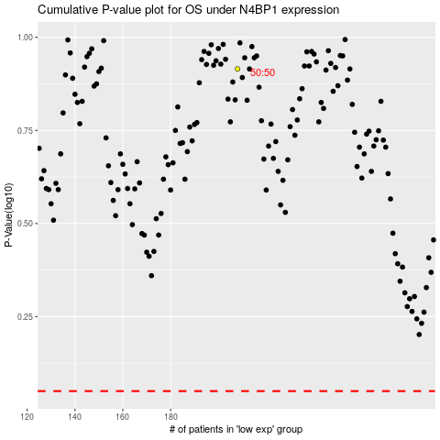

 |  |  |  |  |  | cases_OS | p_OS | rank | exp
 |  |  |  |  |  |  | cases_RFS | p_RFS | rank | exp

