N4BP2L1 _multivariate
Reported by Tex Li-Hsing Chi. tex@gate.sinica.edu.tw 2019-08-17

Table 2. The clinicopathological features of HNSCC cohort and N4BP2L1 expression. (Chi square test)
Cutoff at -0.399 (49.8%)
 |  | N4BP2L1 expression |  | N4BP2L1 expression |  | (Optimised)
 | Features | Low | (%) | High | (%) | Case no | P-value | Remark | Matthews
Gender | Female | 161 | 38.8 | 145 | 34.9 | 415 | 0.0792 | 0 | 0
2 | Male | 46 | 11.1 | 63 | 15.2
Age at diagnosis | <=65y | 145 | 34.9 | 129 | 31.1 | 415 | 0.1046 | 0 | 0
4 | >65y | 62 | 14.9 | 79 | 19
Clinical T Status | T1+T2 | 68 | 16.4 | 81 | 19.5 | 415 | 0.2336 | 0 | 0
6 | T3+T4 | 139 | 33.5 | 127 | 30.6
Clinical N Status | N0 | 110 | 26.5 | 106 | 25.5 | 415 | 0.7294 | 0 | 0
8 | N1-3 | 97 | 23.4 | 102 | 24.6
Clinical M Status | M0 | 205 | 49.4 | 207 | 49.9 | 415 | 0.6232 | 0 | 0
10 | M1 | 2 | 0.5 | 1 | 0.2
Clinical Stage | Stage I+II | 50 | 12 | 52 | 12.5 | 415 | 0.9315 | 0 | 0
12 | Stage III+IV | 157 | 37.8 | 156 | 37.6
Surgical Margin status | Negative | 158 | 38.1 | 160 | 38.6 | 415 | 0.9081 | 0 | 0
14 | Positive | 49 | 11.8 | 48 | 11.6
Tobacco Exposure | Low | 76 | 18.3 | 85 | 20.5 | 415 | 0.4207 | 0 | 0
16 | High | 131 | 31.6 | 123 | 29.6

Table 3. Univariate/Multivariate Cox's proportional hazards regression analyses on OS time of N4BP2L1 gene expression in HNSCC

 |  | Univariate |  |  |  | Multivariate
 | Features | HR | CI95%(L) | CI95%(H) | P-value | HR | CI95%(L) | CI95%(H) | P-value
1 | Female | 1 |  |  |  | 1
Gender | Male | 1.157 | 0.843 | 1.587 | 0.367 | 1.211 | 0.867 | 1.693 | 0.262
11 | <=65y | 1 |  |  |  | 1
Age at diagnosis | >65y | 1.329 | 0.99 | 1.784 | 0.058 | 1.421 | 1.043 | 1.936 | 0.026
12 | T1+T2 | 1 |  |  |  | 1
Clinical T Status | T3+T4 | 1.409 | 1.028 | 1.931 | 0.033 | 2.169 | 1.147 | 4.102 | 0.017
13 | N0 | 1 |  |  |  | 1
Clinical N Status | N1-3 | 1.185 | 0.89 | 1.577 | 0.246 | 1.262 | 0.884 | 1.804 | 0.2
14 | M0 | 1 |  |  |  | 1
Clinical M Status | M1 | 4.097 | 1.009 | 16.644 | 0.049 | 8.84 | 1.922 | 40.667 | 0.005
15 | Stage I+II | 1 |  |  |  | 1
Clinical Stage | Stage III+IV | 1.245 | 0.882 | 1.759 | 0.213 | 0.503 | 0.234 | 1.079 | 0.078
16 | Negative | 1 |  |  |  | 1
Surgical Margin status | Positive | 1.591 | 1.155 | 2.191 | 0.004 | 1.686 | 1.22 | 2.331 | 0.002
17 | Low | 1 |  |  |  | 1
Tobacco Exposure | High | 1.364 | 1.008 | 1.844 | 0.044 | 1.452 | 1.053 | 2.003 | 0.023
18 | Low | 1 |  |  |  | 1
RNAseq(z-score) | High | 0.864 | 0.649 | 1.151 | 0.318 | 0.844 | 0.63 | 1.131 | 0.256

Table 4. Univariate/Multivariate Cox's proportional hazards regression analyses on RFS time of N4BP2L1 gene expression in HNSCC

 |  | Univariate |  |  |  | Multivariate
 | Features | HR | CI95%(L) | CI95%(H) | P-value | HR | CI95%(L) | CI95%(H) | P-value
1 | Female | 1 |  |  |  | 1
Gender | Male | 1.157 | 0.843 | 1.587 | 0.367 | 1.211 | 0.867 | 1.693 | 0.262
11 | <=65y | 1 |  |  |  | 1
Age at diagnosis | >65y | 1.329 | 0.99 | 1.784 | 0.058 | 1.421 | 1.043 | 1.936 | 0.026
12 | T1+T2 | 1 |  |  |  | 1
Clinical T Status | T3+T4 | 1.409 | 1.028 | 1.931 | 0.033 | 2.169 | 1.147 | 4.102 | 0.017
13 | N0 | 1 |  |  |  | 1
Clinical N Status | N1-3 | 1.185 | 0.89 | 1.577 | 0.246 | 1.262 | 0.884 | 1.804 | 0.2
14 | M0 | 1 |  |  |  | 1
Clinical M Status | M1 | 4.097 | 1.009 | 16.644 | 0.049 | 8.84 | 1.922 | 40.667 | 0.005
15 | Stage I+II | 1 |  |  |  | 1
Clinical Stage | Stage III+IV | 1.245 | 0.882 | 1.759 | 0.213 | 0.503 | 0.234 | 1.079 | 0.078
16 | Negative | 1 |  |  |  | 1
Surgical Margin status | Positive | 1.591 | 1.155 | 2.191 | 0.004 | 1.686 | 1.22 | 2.331 | 0.002
17 | Low | 1 |  |  |  | 1
Tobacco Exposure | High | 1.364 | 1.008 | 1.844 | 0.044 | 1.452 | 1.053 | 2.003 | 0.023
18 | Low | 1 |  |  |  | 1
RNAseq(z-score) | High | 0.864 | 0.649 | 1.151 | 0.318 | 0.844 | 0.63 | 1.131 | 0.256

Kaplan-Meier survival estimate: Cutoff at -0.399 (49.8%)



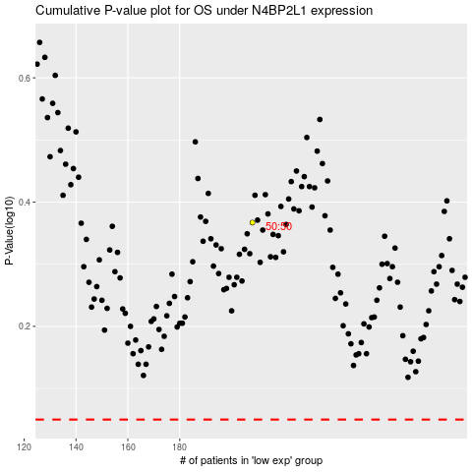

 |  |  |  |  |  | cases_OS | p_OS | rank | exp
 |  |  |  |  |  |  | cases_RFS | p_RFS | rank | exp

