N4BP2L2 _multivariate
Reported by Tex Li-Hsing Chi. tex@gate.sinica.edu.tw 2019-08-17

Table 2. The clinicopathological features of HNSCC cohort and N4BP2L2 expression. (Chi square test)
Cutoff at -0.156 (55.6%)
 |  | N4BP2L2 expression |  | N4BP2L2 expression |  | (Optimised)
 | Features | Low | (%) | High | (%) | Case no | P-value | Remark | Matthews
Gender | Female | 169 | 40.7 | 137 | 33 | 415 | 0.9838 | 0 | 0
2 | Male | 61 | 14.7 | 48 | 11.6
Age at diagnosis | <=65y | 159 | 38.3 | 115 | 27.7 | 415 | 0.1659 | 0 | 0
4 | >65y | 71 | 17.1 | 70 | 16.9
Clinical T Status | T1+T2 | 75 | 18.1 | 74 | 17.8 | 415 | 0.1451 | 0 | 0
6 | T3+T4 | 155 | 37.3 | 111 | 26.7
Clinical N Status | N0 | 117 | 28.2 | 99 | 23.9 | 415 | 0.6621 | 0 | 0
8 | N1-3 | 113 | 27.2 | 86 | 20.7
Clinical M Status | M0 | 229 | 55.2 | 183 | 44.1 | 415 | 0.588 | 0 | 0
10 | M1 | 1 | 0.2 | 2 | 0.5
Clinical Stage | Stage I+II | 51 | 12.3 | 51 | 12.3 | 415 | 0.2486 | 0 | 0
12 | Stage III+IV | 179 | 43.1 | 134 | 32.3
Surgical Margin status | Negative | 185 | 44.6 | 133 | 32 | 415 | 0.0473 | 1 | 0
14 | Positive | 45 | 10.8 | 52 | 12.5
Tobacco Exposure | Low | 95 | 22.9 | 66 | 15.9 | 415 | 0.2655 | 0 | 0
16 | High | 135 | 32.5 | 119 | 28.7

Table 3. Univariate/Multivariate Cox's proportional hazards regression analyses on OS time of N4BP2L2 gene expression in HNSCC

 |  | Univariate |  |  |  | Multivariate
 | Features | HR | CI95%(L) | CI95%(H) | P-value | HR | CI95%(L) | CI95%(H) | P-value
1 | Female | 1 |  |  |  | 1
Gender | Male | 1.157 | 0.843 | 1.587 | 0.367 | 1.203 | 0.862 | 1.681 | 0.277
11 | <=65y | 1 |  |  |  | 1
Age at diagnosis | >65y | 1.329 | 0.99 | 1.784 | 0.058 | 1.355 | 0.995 | 1.846 | 0.054
12 | T1+T2 | 1 |  |  |  | 1
Clinical T Status | T3+T4 | 1.409 | 1.028 | 1.931 | 0.033 | 2.237 | 1.182 | 4.231 | 0.013
13 | N0 | 1 |  |  |  | 1
Clinical N Status | N1-3 | 1.185 | 0.89 | 1.577 | 0.246 | 1.227 | 0.859 | 1.751 | 0.261
14 | M0 | 1 |  |  |  | 1
Clinical M Status | M1 | 4.097 | 1.009 | 16.644 | 0.049 | 9.168 | 1.999 | 42.044 | 0.004
15 | Stage I+II | 1 |  |  |  | 1
Clinical Stage | Stage III+IV | 1.245 | 0.882 | 1.759 | 0.213 | 0.511 | 0.238 | 1.096 | 0.085
16 | Negative | 1 |  |  |  | 1
Surgical Margin status | Positive | 1.591 | 1.155 | 2.191 | 0.004 | 1.608 | 1.16 | 2.231 | 0.004
17 | Low | 1 |  |  |  | 1
Tobacco Exposure | High | 1.364 | 1.008 | 1.844 | 0.044 | 1.436 | 1.042 | 1.981 | 0.027
18 | Low | 1 |  |  |  | 1
RNAseq(z-score) | High | 1.337 | 1.002 | 1.783 | 0.048 | 1.276 | 0.949 | 1.714 | 0.106

Table 4. Univariate/Multivariate Cox's proportional hazards regression analyses on RFS time of N4BP2L2 gene expression in HNSCC

 |  | Univariate |  |  |  | Multivariate
 | Features | HR | CI95%(L) | CI95%(H) | P-value | HR | CI95%(L) | CI95%(H) | P-value
1 | Female | 1 |  |  |  | 1
Gender | Male | 1.157 | 0.843 | 1.587 | 0.367 | 1.203 | 0.862 | 1.681 | 0.277
11 | <=65y | 1 |  |  |  | 1
Age at diagnosis | >65y | 1.329 | 0.99 | 1.784 | 0.058 | 1.355 | 0.995 | 1.846 | 0.054
12 | T1+T2 | 1 |  |  |  | 1
Clinical T Status | T3+T4 | 1.409 | 1.028 | 1.931 | 0.033 | 2.237 | 1.182 | 4.231 | 0.013
13 | N0 | 1 |  |  |  | 1
Clinical N Status | N1-3 | 1.185 | 0.89 | 1.577 | 0.246 | 1.227 | 0.859 | 1.751 | 0.261
14 | M0 | 1 |  |  |  | 1
Clinical M Status | M1 | 4.097 | 1.009 | 16.644 | 0.049 | 9.168 | 1.999 | 42.044 | 0.004
15 | Stage I+II | 1 |  |  |  | 1
Clinical Stage | Stage III+IV | 1.245 | 0.882 | 1.759 | 0.213 | 0.511 | 0.238 | 1.096 | 0.085
16 | Negative | 1 |  |  |  | 1
Surgical Margin status | Positive | 1.591 | 1.155 | 2.191 | 0.004 | 1.608 | 1.16 | 2.231 | 0.004
17 | Low | 1 |  |  |  | 1
Tobacco Exposure | High | 1.364 | 1.008 | 1.844 | 0.044 | 1.436 | 1.042 | 1.981 | 0.027
18 | Low | 1 |  |  |  | 1
RNAseq(z-score) | High | 1.337 | 1.002 | 1.783 | 0.048 | 1.276 | 0.949 | 1.714 | 0.106

Kaplan-Meier survival estimate: Cutoff at -0.156 (55.6%)



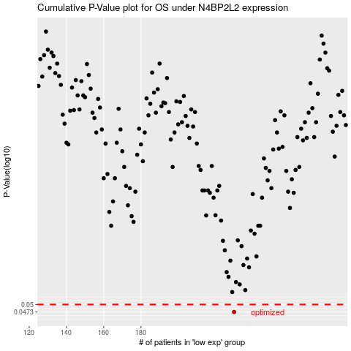

 |  |  |  |  |  | cases_OS | p_OS | rank | exp
 |  |  |  |  |  | 230 | 0.0473 | 236 | -0.15577833982
 |  |  |  |  |  |  | cases_RFS | p_RFS | rank | exp
 |  |  |  |  |  |  | 229 | 0.0473 | 91 | -0.16292194175

