N6AMT2 _multivariate
Reported by Tex Li-Hsing Chi. tex@gate.sinica.edu.tw 2019-08-17

Table 2. The clinicopathological features of HNSCC cohort and N6AMT2 expression. (Chi square test)
Cutoff at -0.34 (49.8%)
 |  | N6AMT2 expression |  | N6AMT2 expression |  | (Optimised)
 | Features | Low | (%) | High | (%) | Case no | P-value | Remark | Matthews
Gender | Female | 154 | 37.1 | 152 | 36.6 | 415 | 0.8463 | 0 | 0
2 | Male | 53 | 12.8 | 56 | 13.5
Age at diagnosis | <=65y | 134 | 32.3 | 140 | 33.7 | 415 | 0.6529 | 0 | 0
4 | >65y | 73 | 17.6 | 68 | 16.4
Clinical T Status | T1+T2 | 65 | 15.7 | 84 | 20.2 | 415 | 0.0711 | 0 | 0
6 | T3+T4 | 142 | 34.2 | 124 | 29.9
Clinical N Status | N0 | 110 | 26.5 | 106 | 25.5 | 415 | 0.7294 | 0 | 0
8 | N1-3 | 97 | 23.4 | 102 | 24.6
Clinical M Status | M0 | 207 | 49.9 | 205 | 49.4 | 415 | 0.2482 | 0 | 0
10 | M1 | 0 | 0 | 3 | 0.7
Clinical Stage | Stage I+II | 46 | 11.1 | 56 | 13.5 | 415 | 0.3182 | 0 | 0
12 | Stage III+IV | 161 | 38.8 | 152 | 36.6
Surgical Margin status | Negative | 164 | 39.5 | 154 | 37.1 | 415 | 0.2462 | 0 | 0
14 | Positive | 43 | 10.4 | 54 | 13
Tobacco Exposure | Low | 79 | 19 | 82 | 19.8 | 415 | 0.8405 | 0 | 0
16 | High | 128 | 30.8 | 126 | 30.4

Table 3. Univariate/Multivariate Cox's proportional hazards regression analyses on OS time of N6AMT2 gene expression in HNSCC

 |  | Univariate |  |  |  | Multivariate
 | Features | HR | CI95%(L) | CI95%(H) | P-value | HR | CI95%(L) | CI95%(H) | P-value
1 | Female | 1 |  |  |  | 1
Gender | Male | 1.157 | 0.843 | 1.587 | 0.367 | 1.208 | 0.865 | 1.688 | 0.268
11 | <=65y | 1 |  |  |  | 1
Age at diagnosis | >65y | 1.329 | 0.99 | 1.784 | 0.058 | 1.39 | 1.022 | 1.89 | 0.036
12 | T1+T2 | 1 |  |  |  | 1
Clinical T Status | T3+T4 | 1.409 | 1.028 | 1.931 | 0.033 | 2.193 | 1.159 | 4.146 | 0.016
13 | N0 | 1 |  |  |  | 1
Clinical N Status | N1-3 | 1.185 | 0.89 | 1.577 | 0.246 | 1.251 | 0.876 | 1.788 | 0.218
14 | M0 | 1 |  |  |  | 1
Clinical M Status | M1 | 4.097 | 1.009 | 16.644 | 0.049 | 9.742 | 2.112 | 44.924 | 0.004
15 | Stage I+II | 1 |  |  |  | 1
Clinical Stage | Stage III+IV | 1.245 | 0.882 | 1.759 | 0.213 | 0.503 | 0.234 | 1.079 | 0.078
16 | Negative | 1 |  |  |  | 1
Surgical Margin status | Positive | 1.591 | 1.155 | 2.191 | 0.004 | 1.675 | 1.212 | 2.315 | 0.002
17 | Low | 1 |  |  |  | 1
Tobacco Exposure | High | 1.364 | 1.008 | 1.844 | 0.044 | 1.454 | 1.056 | 2.003 | 0.022
18 | Low | 1 |  |  |  | 1
RNAseq(z-score) | High | 0.944 | 0.706 | 1.26 | 0.694 | 0.925 | 0.69 | 1.241 | 0.604

Table 4. Univariate/Multivariate Cox's proportional hazards regression analyses on RFS time of N6AMT2 gene expression in HNSCC

 |  | Univariate |  |  |  | Multivariate
 | Features | HR | CI95%(L) | CI95%(H) | P-value | HR | CI95%(L) | CI95%(H) | P-value
1 | Female | 1 |  |  |  | 1
Gender | Male | 1.157 | 0.843 | 1.587 | 0.367 | 1.208 | 0.865 | 1.688 | 0.268
11 | <=65y | 1 |  |  |  | 1
Age at diagnosis | >65y | 1.329 | 0.99 | 1.784 | 0.058 | 1.39 | 1.022 | 1.89 | 0.036
12 | T1+T2 | 1 |  |  |  | 1
Clinical T Status | T3+T4 | 1.409 | 1.028 | 1.931 | 0.033 | 2.193 | 1.159 | 4.146 | 0.016
13 | N0 | 1 |  |  |  | 1
Clinical N Status | N1-3 | 1.185 | 0.89 | 1.577 | 0.246 | 1.251 | 0.876 | 1.788 | 0.218
14 | M0 | 1 |  |  |  | 1
Clinical M Status | M1 | 4.097 | 1.009 | 16.644 | 0.049 | 9.742 | 2.112 | 44.924 | 0.004
15 | Stage I+II | 1 |  |  |  | 1
Clinical Stage | Stage III+IV | 1.245 | 0.882 | 1.759 | 0.213 | 0.503 | 0.234 | 1.079 | 0.078
16 | Negative | 1 |  |  |  | 1
Surgical Margin status | Positive | 1.591 | 1.155 | 2.191 | 0.004 | 1.675 | 1.212 | 2.315 | 0.002
17 | Low | 1 |  |  |  | 1
Tobacco Exposure | High | 1.364 | 1.008 | 1.844 | 0.044 | 1.454 | 1.056 | 2.003 | 0.022
18 | Low | 1 |  |  |  | 1
RNAseq(z-score) | High | 0.944 | 0.706 | 1.26 | 0.694 | 0.925 | 0.69 | 1.241 | 0.604

Kaplan-Meier survival estimate: Cutoff at -0.34 (49.8%)

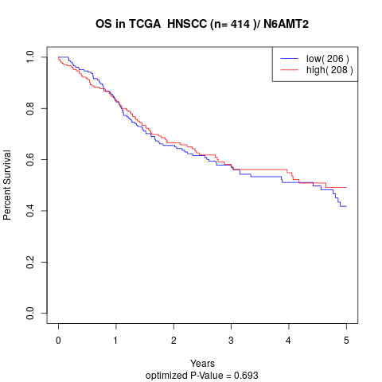

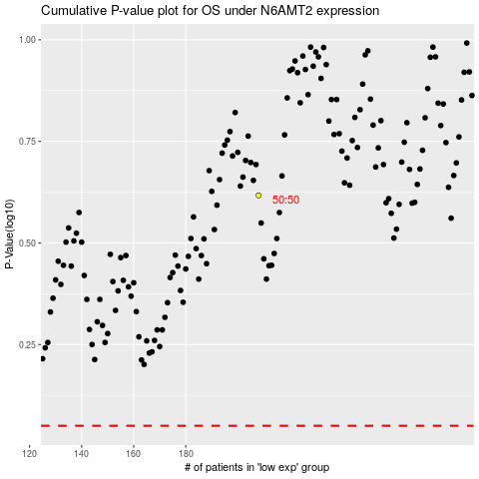

 |  |  |  |  |  | cases_OS | p_OS | rank | exp
 |  |  |  |  |  |  | cases_RFS | p_RFS | rank | exp

