NAA16 _multivariate
Reported by Tex Li-Hsing Chi. tex@gate.sinica.edu.tw 2019-08-17

Table 2. The clinicopathological features of HNSCC cohort and NAA16 expression. (Chi square test)
Cutoff at -0.203 (50.0%)
 |  | NAA16 expression |  | NAA16 expression |  | (Optimised)
 | Features | Low | (%) | High | (%) | Case no | P-value | Remark | Matthews
Gender | Female | 153 | 36.9 | 153 | 36.9 | 415 | 1 | 0 | 0
2 | Male | 54 | 13 | 55 | 13.3
Age at diagnosis | <=65y | 143 | 34.5 | 131 | 31.6 | 415 | 0.2269 | 0 | 0
4 | >65y | 64 | 15.4 | 77 | 18.6
Clinical T Status | T1+T2 | 75 | 18.1 | 74 | 17.8 | 415 | 0.9707 | 0 | 0
6 | T3+T4 | 132 | 31.8 | 134 | 32.3
Clinical N Status | N0 | 105 | 25.3 | 111 | 26.7 | 415 | 0.6598 | 0 | 0
8 | N1-3 | 102 | 24.6 | 97 | 23.4
Clinical M Status | M0 | 205 | 49.4 | 207 | 49.9 | 415 | 0.6232 | 0 | 0
10 | M1 | 2 | 0.5 | 1 | 0.2
Clinical Stage | Stage I+II | 48 | 11.6 | 54 | 13 | 415 | 0.5878 | 0 | 0
12 | Stage III+IV | 159 | 38.3 | 154 | 37.1
Surgical Margin status | Negative | 159 | 38.3 | 159 | 38.3 | 415 | 1 | 0 | 0
14 | Positive | 48 | 11.6 | 49 | 11.8
Tobacco Exposure | Low | 84 | 20.2 | 77 | 18.6 | 415 | 0.4816 | 0 | 0
16 | High | 123 | 29.6 | 131 | 31.6

Table 3. Univariate/Multivariate Cox's proportional hazards regression analyses on OS time of NAA16 gene expression in HNSCC

 |  | Univariate |  |  |  | Multivariate
 | Features | HR | CI95%(L) | CI95%(H) | P-value | HR | CI95%(L) | CI95%(H) | P-value
1 | Female | 1 |  |  |  | 1
Gender | Male | 1.157 | 0.843 | 1.587 | 0.367 | 1.208 | 0.865 | 1.687 | 0.268
11 | <=65y | 1 |  |  |  | 1
Age at diagnosis | >65y | 1.329 | 0.99 | 1.784 | 0.058 | 1.409 | 1.036 | 1.918 | 0.029
12 | T1+T2 | 1 |  |  |  | 1
Clinical T Status | T3+T4 | 1.409 | 1.028 | 1.931 | 0.033 | 2.222 | 1.175 | 4.202 | 0.014
13 | N0 | 1 |  |  |  | 1
Clinical N Status | N1-3 | 1.185 | 0.89 | 1.577 | 0.246 | 1.245 | 0.872 | 1.777 | 0.228
14 | M0 | 1 |  |  |  | 1
Clinical M Status | M1 | 4.097 | 1.009 | 16.644 | 0.049 | 9.077 | 1.978 | 41.661 | 0.005
15 | Stage I+II | 1 |  |  |  | 1
Clinical Stage | Stage III+IV | 1.245 | 0.882 | 1.759 | 0.213 | 0.49 | 0.228 | 1.052 | 0.067
16 | Negative | 1 |  |  |  | 1
Surgical Margin status | Positive | 1.591 | 1.155 | 2.191 | 0.004 | 1.671 | 1.209 | 2.309 | 0.002
17 | Low | 1 |  |  |  | 1
Tobacco Exposure | High | 1.364 | 1.008 | 1.844 | 0.044 | 1.466 | 1.063 | 2.02 | 0.02
18 | Low | 1 |  |  |  | 1
RNAseq(z-score) | High | 0.855 | 0.642 | 1.139 | 0.284 | 0.846 | 0.633 | 1.13 | 0.257

Table 4. Univariate/Multivariate Cox's proportional hazards regression analyses on RFS time of NAA16 gene expression in HNSCC

 |  | Univariate |  |  |  | Multivariate
 | Features | HR | CI95%(L) | CI95%(H) | P-value | HR | CI95%(L) | CI95%(H) | P-value
1 | Female | 1 |  |  |  | 1
Gender | Male | 1.157 | 0.843 | 1.587 | 0.367 | 1.208 | 0.865 | 1.687 | 0.268
11 | <=65y | 1 |  |  |  | 1
Age at diagnosis | >65y | 1.329 | 0.99 | 1.784 | 0.058 | 1.409 | 1.036 | 1.918 | 0.029
12 | T1+T2 | 1 |  |  |  | 1
Clinical T Status | T3+T4 | 1.409 | 1.028 | 1.931 | 0.033 | 2.222 | 1.175 | 4.202 | 0.014
13 | N0 | 1 |  |  |  | 1
Clinical N Status | N1-3 | 1.185 | 0.89 | 1.577 | 0.246 | 1.245 | 0.872 | 1.777 | 0.228
14 | M0 | 1 |  |  |  | 1
Clinical M Status | M1 | 4.097 | 1.009 | 16.644 | 0.049 | 9.077 | 1.978 | 41.661 | 0.005
15 | Stage I+II | 1 |  |  |  | 1
Clinical Stage | Stage III+IV | 1.245 | 0.882 | 1.759 | 0.213 | 0.49 | 0.228 | 1.052 | 0.067
16 | Negative | 1 |  |  |  | 1
Surgical Margin status | Positive | 1.591 | 1.155 | 2.191 | 0.004 | 1.671 | 1.209 | 2.309 | 0.002
17 | Low | 1 |  |  |  | 1
Tobacco Exposure | High | 1.364 | 1.008 | 1.844 | 0.044 | 1.466 | 1.063 | 2.02 | 0.02
18 | Low | 1 |  |  |  | 1
RNAseq(z-score) | High | 0.855 | 0.642 | 1.139 | 0.284 | 0.846 | 0.633 | 1.13 | 0.257

Kaplan-Meier survival estimate: Cutoff at -0.203 (50.0%)



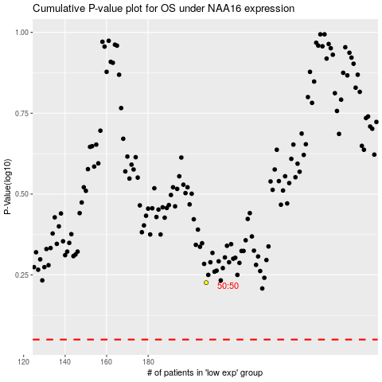

 |  |  |  |  |  | cases_OS | p_OS | rank | exp
 |  |  |  |  |  |  | cases_RFS | p_RFS | rank | exp

