NAA30 _multivariate
Reported by Tex Li-Hsing Chi. tex@gate.sinica.edu.tw 2019-08-17

Table 2. The clinicopathological features of HNSCC cohort and NAA30 expression. (Chi square test)
Cutoff at -0.172 (47.6%)
 |  | NAA30 expression |  | NAA30 expression |  | (Optimised)
 | Features | Low | (%) | High | (%) | Case no | P-value | Remark | Matthews
Gender | Female | 151 | 36.4 | 155 | 37.3 | 415 | 0.3144 | 0 | 0
2 | Male | 47 | 11.3 | 62 | 14.9
Age at diagnosis | <=65y | 138 | 33.3 | 136 | 32.8 | 415 | 0.1599 | 0 | 0
4 | >65y | 60 | 14.5 | 81 | 19.5
Clinical T Status | T1+T2 | 72 | 17.3 | 77 | 18.6 | 415 | 0.9329 | 0 | 0
6 | T3+T4 | 126 | 30.4 | 140 | 33.7
Clinical N Status | N0 | 100 | 24.1 | 116 | 28 | 415 | 0.6152 | 0 | 0
8 | N1-3 | 98 | 23.6 | 101 | 24.3
Clinical M Status | M0 | 197 | 47.5 | 215 | 51.8 | 415 | 1 | 0 | 0
10 | M1 | 1 | 0.2 | 2 | 0.5
Clinical Stage | Stage I+II | 46 | 11.1 | 56 | 13.5 | 415 | 0.6212 | 0 | 0
12 | Stage III+IV | 152 | 36.6 | 161 | 38.8
Surgical Margin status | Negative | 148 | 35.7 | 170 | 41 | 415 | 0.4173 | 0 | 0
14 | Positive | 50 | 12 | 47 | 11.3
Tobacco Exposure | Low | 78 | 18.8 | 83 | 20 | 415 | 0.8405 | 0 | 0
16 | High | 120 | 28.9 | 134 | 32.3

Table 3. Univariate/Multivariate Cox's proportional hazards regression analyses on OS time of NAA30 gene expression in HNSCC

 |  | Univariate |  |  |  | Multivariate
 | Features | HR | CI95%(L) | CI95%(H) | P-value | HR | CI95%(L) | CI95%(H) | P-value
1 | Female | 1 |  |  |  | 1
Gender | Male | 1.157 | 0.843 | 1.587 | 0.367 | 1.172 | 0.836 | 1.643 | 0.356
11 | <=65y | 1 |  |  |  | 1
Age at diagnosis | >65y | 1.329 | 0.99 | 1.784 | 0.058 | 1.362 | 1 | 1.854 | 0.05
12 | T1+T2 | 1 |  |  |  | 1
Clinical T Status | T3+T4 | 1.409 | 1.028 | 1.931 | 0.033 | 2.172 | 1.148 | 4.109 | 0.017
13 | N0 | 1 |  |  |  | 1
Clinical N Status | N1-3 | 1.185 | 0.89 | 1.577 | 0.246 | 1.26 | 0.883 | 1.798 | 0.202
14 | M0 | 1 |  |  |  | 1
Clinical M Status | M1 | 4.097 | 1.009 | 16.644 | 0.049 | 8.901 | 1.939 | 40.861 | 0.005
15 | Stage I+II | 1 |  |  |  | 1
Clinical Stage | Stage III+IV | 1.245 | 0.882 | 1.759 | 0.213 | 0.509 | 0.237 | 1.092 | 0.083
16 | Negative | 1 |  |  |  | 1
Surgical Margin status | Positive | 1.591 | 1.155 | 2.191 | 0.004 | 1.727 | 1.247 | 2.391 | 0.001
17 | Low | 1 |  |  |  | 1
Tobacco Exposure | High | 1.364 | 1.008 | 1.844 | 0.044 | 1.449 | 1.05 | 2.001 | 0.024
18 | Low | 1 |  |  |  | 1
RNAseq(z-score) | High | 1.336 | 1 | 1.785 | 0.05 | 1.33 | 0.991 | 1.784 | 0.057

Table 4. Univariate/Multivariate Cox's proportional hazards regression analyses on RFS time of NAA30 gene expression in HNSCC

 |  | Univariate |  |  |  | Multivariate
 | Features | HR | CI95%(L) | CI95%(H) | P-value | HR | CI95%(L) | CI95%(H) | P-value
1 | Female | 1 |  |  |  | 1
Gender | Male | 1.157 | 0.843 | 1.587 | 0.367 | 1.172 | 0.836 | 1.643 | 0.356
11 | <=65y | 1 |  |  |  | 1
Age at diagnosis | >65y | 1.329 | 0.99 | 1.784 | 0.058 | 1.362 | 1 | 1.854 | 0.05
12 | T1+T2 | 1 |  |  |  | 1
Clinical T Status | T3+T4 | 1.409 | 1.028 | 1.931 | 0.033 | 2.172 | 1.148 | 4.109 | 0.017
13 | N0 | 1 |  |  |  | 1
Clinical N Status | N1-3 | 1.185 | 0.89 | 1.577 | 0.246 | 1.26 | 0.883 | 1.798 | 0.202
14 | M0 | 1 |  |  |  | 1
Clinical M Status | M1 | 4.097 | 1.009 | 16.644 | 0.049 | 8.901 | 1.939 | 40.861 | 0.005
15 | Stage I+II | 1 |  |  |  | 1
Clinical Stage | Stage III+IV | 1.245 | 0.882 | 1.759 | 0.213 | 0.509 | 0.237 | 1.092 | 0.083
16 | Negative | 1 |  |  |  | 1
Surgical Margin status | Positive | 1.591 | 1.155 | 2.191 | 0.004 | 1.727 | 1.247 | 2.391 | 0.001
17 | Low | 1 |  |  |  | 1
Tobacco Exposure | High | 1.364 | 1.008 | 1.844 | 0.044 | 1.449 | 1.05 | 2.001 | 0.024
18 | Low | 1 |  |  |  | 1
RNAseq(z-score) | High | 1.336 | 1 | 1.785 | 0.05 | 1.33 | 0.991 | 1.784 | 0.057

Kaplan-Meier survival estimate: Cutoff at -0.172 (47.6%)



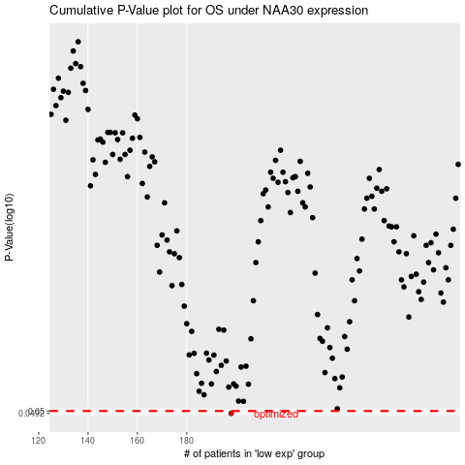

 |  |  |  |  |  | cases_OS | p_OS | rank | exp
 |  |  |  |  |  | 198 | 0.0492 | 375 | -0.17171559225
 |  |  |  |  |  |  | cases_RFS | p_RFS | rank | exp
 |  |  |  |  |  |  | 197 | 0.0492 | 89 | -0.17627610105

