NAAA _multivariate
Reported by Tex Li-Hsing Chi. tex@gate.sinica.edu.tw 2019-08-17

Table 2. The clinicopathological features of HNSCC cohort and NAAA expression. (Chi square test)
Cutoff at -0.348 (49.8%)
 |  | NAAA expression |  | NAAA expression |  | (Optimised)
 | Features | Low | (%) | High | (%) | Case no | P-value | Remark | Matthews
Gender | Female | 157 | 37.8 | 149 | 35.9 | 415 | 0.3881 | 0 | 0
2 | Male | 50 | 12 | 59 | 14.2
Age at diagnosis | <=65y | 138 | 33.3 | 136 | 32.8 | 415 | 0.8634 | 0 | 0
4 | >65y | 69 | 16.6 | 72 | 17.3
Clinical T Status | T1+T2 | 74 | 17.8 | 75 | 18.1 | 415 | 1 | 0 | 0
6 | T3+T4 | 133 | 32 | 133 | 32
Clinical N Status | N0 | 110 | 26.5 | 106 | 25.5 | 415 | 0.7294 | 0 | 0
8 | N1-3 | 97 | 23.4 | 102 | 24.6
Clinical M Status | M0 | 204 | 49.2 | 208 | 50.1 | 415 | 0.1232 | 0 | 0
10 | M1 | 3 | 0.7 | 0 | 0
Clinical Stage | Stage I+II | 49 | 11.8 | 53 | 12.8 | 415 | 0.7535 | 0 | 0
12 | Stage III+IV | 158 | 38.1 | 155 | 37.3
Surgical Margin status | Negative | 153 | 36.9 | 165 | 39.8 | 415 | 0.2036 | 0 | 0
14 | Positive | 54 | 13 | 43 | 10.4
Tobacco Exposure | Low | 87 | 21 | 74 | 17.8 | 415 | 0.1911 | 0 | 0
16 | High | 120 | 28.9 | 134 | 32.3

Table 3. Univariate/Multivariate Cox's proportional hazards regression analyses on OS time of NAAA gene expression in HNSCC

 |  | Univariate |  |  |  | Multivariate
 | Features | HR | CI95%(L) | CI95%(H) | P-value | HR | CI95%(L) | CI95%(H) | P-value
1 | Female | 1 |  |  |  | 1
Gender | Male | 1.157 | 0.843 | 1.587 | 0.367 | 1.214 | 0.867 | 1.7 | 0.259
11 | <=65y | 1 |  |  |  | 1
Age at diagnosis | >65y | 1.329 | 0.99 | 1.784 | 0.058 | 1.394 | 1.025 | 1.895 | 0.034
12 | T1+T2 | 1 |  |  |  | 1
Clinical T Status | T3+T4 | 1.409 | 1.028 | 1.931 | 0.033 | 2.222 | 1.174 | 4.205 | 0.014
13 | N0 | 1 |  |  |  | 1
Clinical N Status | N1-3 | 1.185 | 0.89 | 1.577 | 0.246 | 1.252 | 0.877 | 1.788 | 0.216
14 | M0 | 1 |  |  |  | 1
Clinical M Status | M1 | 4.097 | 1.009 | 16.644 | 0.049 | 9.046 | 1.965 | 41.645 | 0.005
15 | Stage I+II | 1 |  |  |  | 1
Clinical Stage | Stage III+IV | 1.245 | 0.882 | 1.759 | 0.213 | 0.494 | 0.23 | 1.063 | 0.071
16 | Negative | 1 |  |  |  | 1
Surgical Margin status | Positive | 1.591 | 1.155 | 2.191 | 0.004 | 1.666 | 1.205 | 2.302 | 0.002
17 | Low | 1 |  |  |  | 1
Tobacco Exposure | High | 1.364 | 1.008 | 1.844 | 0.044 | 1.465 | 1.062 | 2.022 | 0.02
18 | Low | 1 |  |  |  | 1
RNAseq(z-score) | High | 0.924 | 0.694 | 1.231 | 0.59 | 0.907 | 0.677 | 1.215 | 0.513

Table 4. Univariate/Multivariate Cox's proportional hazards regression analyses on RFS time of NAAA gene expression in HNSCC

 |  | Univariate |  |  |  | Multivariate
 | Features | HR | CI95%(L) | CI95%(H) | P-value | HR | CI95%(L) | CI95%(H) | P-value
1 | Female | 1 |  |  |  | 1
Gender | Male | 1.157 | 0.843 | 1.587 | 0.367 | 1.214 | 0.867 | 1.7 | 0.259
11 | <=65y | 1 |  |  |  | 1
Age at diagnosis | >65y | 1.329 | 0.99 | 1.784 | 0.058 | 1.394 | 1.025 | 1.895 | 0.034
12 | T1+T2 | 1 |  |  |  | 1
Clinical T Status | T3+T4 | 1.409 | 1.028 | 1.931 | 0.033 | 2.222 | 1.174 | 4.205 | 0.014
13 | N0 | 1 |  |  |  | 1
Clinical N Status | N1-3 | 1.185 | 0.89 | 1.577 | 0.246 | 1.252 | 0.877 | 1.788 | 0.216
14 | M0 | 1 |  |  |  | 1
Clinical M Status | M1 | 4.097 | 1.009 | 16.644 | 0.049 | 9.046 | 1.965 | 41.645 | 0.005
15 | Stage I+II | 1 |  |  |  | 1
Clinical Stage | Stage III+IV | 1.245 | 0.882 | 1.759 | 0.213 | 0.494 | 0.23 | 1.063 | 0.071
16 | Negative | 1 |  |  |  | 1
Surgical Margin status | Positive | 1.591 | 1.155 | 2.191 | 0.004 | 1.666 | 1.205 | 2.302 | 0.002
17 | Low | 1 |  |  |  | 1
Tobacco Exposure | High | 1.364 | 1.008 | 1.844 | 0.044 | 1.465 | 1.062 | 2.022 | 0.02
18 | Low | 1 |  |  |  | 1
RNAseq(z-score) | High | 0.924 | 0.694 | 1.231 | 0.59 | 0.907 | 0.677 | 1.215 | 0.513

Kaplan-Meier survival estimate: Cutoff at -0.348 (49.8%)



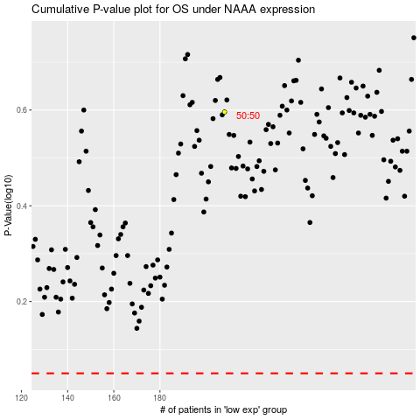

 |  |  |  |  |  | cases_OS | p_OS | rank | exp
 |  |  |  |  |  |  | cases_RFS | p_RFS | rank | exp

