NAALAD2 _multivariate
Reported by Tex Li-Hsing Chi. tex@gate.sinica.edu.tw 2019-08-17

Table 2. The clinicopathological features of HNSCC cohort and NAALAD2 expression. (Chi square test)
Cutoff at -0.216 (49.8%)
 |  | NAALAD2 expression |  | NAALAD2 expression |  | (Optimised)
 | Features | Low | (%) | High | (%) | Case no | P-value | Remark | Matthews
Gender | Female | 147 | 35.4 | 159 | 38.3 | 415 | 0.2523 | 0 | 0
2 | Male | 60 | 14.5 | 49 | 11.8
Age at diagnosis | <=65y | 134 | 32.3 | 140 | 33.7 | 415 | 0.6529 | 0 | 0
4 | >65y | 73 | 17.6 | 68 | 16.4
Clinical T Status | T1+T2 | 68 | 16.4 | 81 | 19.5 | 415 | 0.2336 | 0 | 0
6 | T3+T4 | 139 | 33.5 | 127 | 30.6
Clinical N Status | N0 | 99 | 23.9 | 117 | 28.2 | 415 | 0.1054 | 0 | 0
8 | N1-3 | 108 | 26 | 91 | 21.9
Clinical M Status | M0 | 206 | 49.6 | 206 | 49.6 | 415 | 1 | 0 | 0
10 | M1 | 1 | 0.2 | 2 | 0.5
Clinical Stage | Stage I+II | 47 | 11.3 | 55 | 13.3 | 415 | 0.4413 | 0 | 0
12 | Stage III+IV | 160 | 38.6 | 153 | 36.9
Surgical Margin status | Negative | 155 | 37.3 | 163 | 39.3 | 415 | 0.4187 | 0 | 0
14 | Positive | 52 | 12.5 | 45 | 10.8
Tobacco Exposure | Low | 80 | 19.3 | 81 | 19.5 | 415 | 1 | 0 | 0
16 | High | 127 | 30.6 | 127 | 30.6

Table 3. Univariate/Multivariate Cox's proportional hazards regression analyses on OS time of NAALAD2 gene expression in HNSCC

 |  | Univariate |  |  |  | Multivariate
 | Features | HR | CI95%(L) | CI95%(H) | P-value | HR | CI95%(L) | CI95%(H) | P-value
1 | Female | 1 |  |  |  | 1
Gender | Male | 1.157 | 0.843 | 1.587 | 0.367 | 1.197 | 0.856 | 1.673 | 0.293
11 | <=65y | 1 |  |  |  | 1
Age at diagnosis | >65y | 1.329 | 0.99 | 1.784 | 0.058 | 1.389 | 1.022 | 1.887 | 0.036
12 | T1+T2 | 1 |  |  |  | 1
Clinical T Status | T3+T4 | 1.409 | 1.028 | 1.931 | 0.033 | 2.176 | 1.15 | 4.117 | 0.017
13 | N0 | 1 |  |  |  | 1
Clinical N Status | N1-3 | 1.185 | 0.89 | 1.577 | 0.246 | 1.23 | 0.862 | 1.756 | 0.254
14 | M0 | 1 |  |  |  | 1
Clinical M Status | M1 | 4.097 | 1.009 | 16.644 | 0.049 | 9.64 | 2.1 | 44.258 | 0.004
15 | Stage I+II | 1 |  |  |  | 1
Clinical Stage | Stage III+IV | 1.245 | 0.882 | 1.759 | 0.213 | 0.51 | 0.237 | 1.094 | 0.084
16 | Negative | 1 |  |  |  | 1
Surgical Margin status | Positive | 1.591 | 1.155 | 2.191 | 0.004 | 1.655 | 1.197 | 2.289 | 0.002
17 | Low | 1 |  |  |  | 1
Tobacco Exposure | High | 1.364 | 1.008 | 1.844 | 0.044 | 1.454 | 1.055 | 2.003 | 0.022
18 | Low | 1 |  |  |  | 1
RNAseq(z-score) | High | 0.843 | 0.632 | 1.124 | 0.245 | 0.9 | 0.672 | 1.204 | 0.477

Table 4. Univariate/Multivariate Cox's proportional hazards regression analyses on RFS time of NAALAD2 gene expression in HNSCC

 |  | Univariate |  |  |  | Multivariate
 | Features | HR | CI95%(L) | CI95%(H) | P-value | HR | CI95%(L) | CI95%(H) | P-value
1 | Female | 1 |  |  |  | 1
Gender | Male | 1.157 | 0.843 | 1.587 | 0.367 | 1.197 | 0.856 | 1.673 | 0.293
11 | <=65y | 1 |  |  |  | 1
Age at diagnosis | >65y | 1.329 | 0.99 | 1.784 | 0.058 | 1.389 | 1.022 | 1.887 | 0.036
12 | T1+T2 | 1 |  |  |  | 1
Clinical T Status | T3+T4 | 1.409 | 1.028 | 1.931 | 0.033 | 2.176 | 1.15 | 4.117 | 0.017
13 | N0 | 1 |  |  |  | 1
Clinical N Status | N1-3 | 1.185 | 0.89 | 1.577 | 0.246 | 1.23 | 0.862 | 1.756 | 0.254
14 | M0 | 1 |  |  |  | 1
Clinical M Status | M1 | 4.097 | 1.009 | 16.644 | 0.049 | 9.64 | 2.1 | 44.258 | 0.004
15 | Stage I+II | 1 |  |  |  | 1
Clinical Stage | Stage III+IV | 1.245 | 0.882 | 1.759 | 0.213 | 0.51 | 0.237 | 1.094 | 0.084
16 | Negative | 1 |  |  |  | 1
Surgical Margin status | Positive | 1.591 | 1.155 | 2.191 | 0.004 | 1.655 | 1.197 | 2.289 | 0.002
17 | Low | 1 |  |  |  | 1
Tobacco Exposure | High | 1.364 | 1.008 | 1.844 | 0.044 | 1.454 | 1.055 | 2.003 | 0.022
18 | Low | 1 |  |  |  | 1
RNAseq(z-score) | High | 0.843 | 0.632 | 1.124 | 0.245 | 0.9 | 0.672 | 1.204 | 0.477

Kaplan-Meier survival estimate: Cutoff at -0.216 (49.8%)



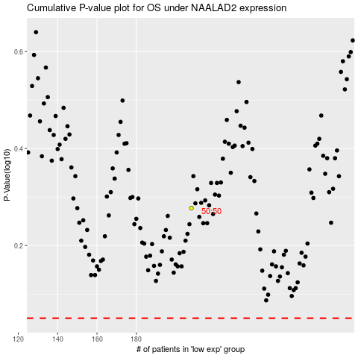

 |  |  |  |  |  | cases_OS | p_OS | rank | exp
 |  |  |  |  |  |  | cases_RFS | p_RFS | rank | exp

