NAB2 _multivariate
Reported by Tex Li-Hsing Chi. tex@gate.sinica.edu.tw 2019-08-17

Table 2. The clinicopathological features of HNSCC cohort and NAB2 expression. (Chi square test)
Cutoff at -0.184 (49.8%)
 |  | NAB2 expression |  | NAB2 expression |  | (Optimised)
 | Features | Low | (%) | High | (%) | Case no | P-value | Remark | Matthews
Gender | Female | 143 | 34.5 | 163 | 39.3 | 415 | 0.0416 | 1 | 0
2 | Male | 64 | 15.4 | 45 | 10.8
Age at diagnosis | <=65y | 130 | 31.3 | 144 | 34.7 | 415 | 0.2009 | 0 | 0
4 | >65y | 77 | 18.6 | 64 | 15.4
Clinical T Status | T1+T2 | 86 | 20.7 | 63 | 15.2 | 415 | 0.0221 | 1 | 0
6 | T3+T4 | 121 | 29.2 | 145 | 34.9
Clinical N Status | N0 | 116 | 28 | 100 | 24.1 | 415 | 0.1273 | 1 | 0
8 | N1-3 | 91 | 21.9 | 108 | 26
Clinical M Status | M0 | 206 | 49.6 | 206 | 49.6 | 415 | 1 | 0 | 0
10 | M1 | 1 | 0.2 | 2 | 0.5
Clinical Stage | Stage I+II | 65 | 15.7 | 37 | 8.9 | 415 | 0.0019 | 1 | 0
12 | Stage III+IV | 142 | 34.2 | 171 | 41.2
Surgical Margin status | Negative | 156 | 37.6 | 162 | 39 | 415 | 0.5636 | 0 | 0
14 | Positive | 51 | 12.3 | 46 | 11.1
Tobacco Exposure | Low | 91 | 21.9 | 70 | 16.9 | 415 | 0.0346 | 1 | 0
16 | High | 116 | 28 | 138 | 33.3

Table 3. Univariate/Multivariate Cox's proportional hazards regression analyses on OS time of NAB2 gene expression in HNSCC

 |  | Univariate |  |  |  | Multivariate
 | Features | HR | CI95%(L) | CI95%(H) | P-value | HR | CI95%(L) | CI95%(H) | P-value
1 | Female | 1 |  |  |  | 1
Gender | Male | 1.157 | 0.843 | 1.587 | 0.367 | 1.201 | 0.858 | 1.681 | 0.287
11 | <=65y | 1 |  |  |  | 1
Age at diagnosis | >65y | 1.329 | 0.99 | 1.784 | 0.058 | 1.391 | 1.022 | 1.893 | 0.036
12 | T1+T2 | 1 |  |  |  | 1
Clinical T Status | T3+T4 | 1.409 | 1.028 | 1.931 | 0.033 | 2.201 | 1.164 | 4.164 | 0.015
13 | N0 | 1 |  |  |  | 1
Clinical N Status | N1-3 | 1.185 | 0.89 | 1.577 | 0.246 | 1.24 | 0.869 | 1.77 | 0.235
14 | M0 | 1 |  |  |  | 1
Clinical M Status | M1 | 4.097 | 1.009 | 16.644 | 0.049 | 9.403 | 2.051 | 43.104 | 0.004
15 | Stage I+II | 1 |  |  |  | 1
Clinical Stage | Stage III+IV | 1.245 | 0.882 | 1.759 | 0.213 | 0.506 | 0.234 | 1.09 | 0.082
16 | Negative | 1 |  |  |  | 1
Surgical Margin status | Positive | 1.591 | 1.155 | 2.191 | 0.004 | 1.67 | 1.207 | 2.311 | 0.002
17 | Low | 1 |  |  |  | 1
Tobacco Exposure | High | 1.364 | 1.008 | 1.844 | 0.044 | 1.454 | 1.053 | 2.008 | 0.023
18 | Low | 1 |  |  |  | 1
RNAseq(z-score) | High | 0.969 | 0.727 | 1.291 | 0.828 | 0.993 | 0.734 | 1.343 | 0.963

Table 4. Univariate/Multivariate Cox's proportional hazards regression analyses on RFS time of NAB2 gene expression in HNSCC

 |  | Univariate |  |  |  | Multivariate
 | Features | HR | CI95%(L) | CI95%(H) | P-value | HR | CI95%(L) | CI95%(H) | P-value
1 | Female | 1 |  |  |  | 1
Gender | Male | 1.157 | 0.843 | 1.587 | 0.367 | 1.201 | 0.858 | 1.681 | 0.287
11 | <=65y | 1 |  |  |  | 1
Age at diagnosis | >65y | 1.329 | 0.99 | 1.784 | 0.058 | 1.391 | 1.022 | 1.893 | 0.036
12 | T1+T2 | 1 |  |  |  | 1
Clinical T Status | T3+T4 | 1.409 | 1.028 | 1.931 | 0.033 | 2.201 | 1.164 | 4.164 | 0.015
13 | N0 | 1 |  |  |  | 1
Clinical N Status | N1-3 | 1.185 | 0.89 | 1.577 | 0.246 | 1.24 | 0.869 | 1.77 | 0.235
14 | M0 | 1 |  |  |  | 1
Clinical M Status | M1 | 4.097 | 1.009 | 16.644 | 0.049 | 9.403 | 2.051 | 43.104 | 0.004
15 | Stage I+II | 1 |  |  |  | 1
Clinical Stage | Stage III+IV | 1.245 | 0.882 | 1.759 | 0.213 | 0.506 | 0.234 | 1.09 | 0.082
16 | Negative | 1 |  |  |  | 1
Surgical Margin status | Positive | 1.591 | 1.155 | 2.191 | 0.004 | 1.67 | 1.207 | 2.311 | 0.002
17 | Low | 1 |  |  |  | 1
Tobacco Exposure | High | 1.364 | 1.008 | 1.844 | 0.044 | 1.454 | 1.053 | 2.008 | 0.023
18 | Low | 1 |  |  |  | 1
RNAseq(z-score) | High | 0.969 | 0.727 | 1.291 | 0.828 | 0.993 | 0.734 | 1.343 | 0.963

Kaplan-Meier survival estimate: Cutoff at -0.184 (49.8%)



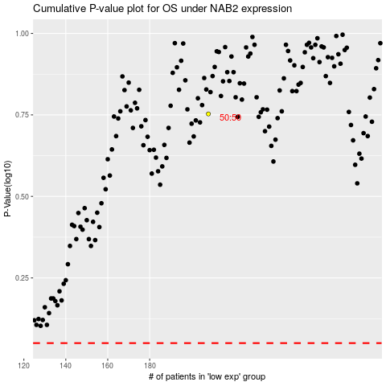

 |  |  |  |  |  | cases_OS | p_OS | rank | exp
 |  |  |  |  |  |  | cases_RFS | p_RFS | rank | exp

