NADK _multivariate
Reported by Tex Li-Hsing Chi. tex@gate.sinica.edu.tw 2019-08-17

Table 2. The clinicopathological features of HNSCC cohort and NADK expression. (Chi square test)
Cutoff at -0.03 (50.0%)
 |  | NADK expression |  | NADK expression |  | (Optimised)
 | Features | Low | (%) | High | (%) | Case no | P-value | Remark | Matthews
Gender | Female | 160 | 38.6 | 146 | 35.2 | 415 | 0.1254 | 0 | 0
2 | Male | 47 | 11.3 | 62 | 14.9
Age at diagnosis | <=65y | 141 | 34 | 133 | 32 | 415 | 0.4272 | 0 | 0
4 | >65y | 66 | 15.9 | 75 | 18.1
Clinical T Status | T1+T2 | 78 | 18.8 | 71 | 17.1 | 415 | 0.5152 | 0 | 0
6 | T3+T4 | 129 | 31.1 | 137 | 33
Clinical N Status | N0 | 112 | 27 | 104 | 25.1 | 415 | 0.4599 | 0 | 0
8 | N1-3 | 95 | 22.9 | 104 | 25.1
Clinical M Status | M0 | 207 | 49.9 | 205 | 49.4 | 415 | 0.2482 | 0 | 0
10 | M1 | 0 | 0 | 3 | 0.7
Clinical Stage | Stage I+II | 56 | 13.5 | 46 | 11.1 | 415 | 0.2918 | 0 | 0
12 | Stage III+IV | 151 | 36.4 | 162 | 39
Surgical Margin status | Negative | 155 | 37.3 | 163 | 39.3 | 415 | 0.4187 | 0 | 0
14 | Positive | 52 | 12.5 | 45 | 10.8
Tobacco Exposure | Low | 80 | 19.3 | 81 | 19.5 | 415 | 1 | 0 | 0
16 | High | 127 | 30.6 | 127 | 30.6

Table 3. Univariate/Multivariate Cox's proportional hazards regression analyses on OS time of NADK gene expression in HNSCC

 |  | Univariate |  |  |  | Multivariate
 | Features | HR | CI95%(L) | CI95%(H) | P-value | HR | CI95%(L) | CI95%(H) | P-value
1 | Female | 1 |  |  |  | 1
Gender | Male | 1.157 | 0.843 | 1.587 | 0.367 | 1.226 | 0.876 | 1.715 | 0.235
11 | <=65y | 1 |  |  |  | 1
Age at diagnosis | >65y | 1.329 | 0.99 | 1.784 | 0.058 | 1.415 | 1.04 | 1.924 | 0.027
12 | T1+T2 | 1 |  |  |  | 1
Clinical T Status | T3+T4 | 1.409 | 1.028 | 1.931 | 0.033 | 2.222 | 1.175 | 4.205 | 0.014
13 | N0 | 1 |  |  |  | 1
Clinical N Status | N1-3 | 1.185 | 0.89 | 1.577 | 0.246 | 1.265 | 0.886 | 1.807 | 0.196
14 | M0 | 1 |  |  |  | 1
Clinical M Status | M1 | 4.097 | 1.009 | 16.644 | 0.049 | 10.801 | 2.334 | 49.992 | 0.002
15 | Stage I+II | 1 |  |  |  | 1
Clinical Stage | Stage III+IV | 1.245 | 0.882 | 1.759 | 0.213 | 0.499 | 0.232 | 1.071 | 0.074
16 | Negative | 1 |  |  |  | 1
Surgical Margin status | Positive | 1.591 | 1.155 | 2.191 | 0.004 | 1.687 | 1.22 | 2.333 | 0.002
17 | Low | 1 |  |  |  | 1
Tobacco Exposure | High | 1.364 | 1.008 | 1.844 | 0.044 | 1.466 | 1.063 | 2.022 | 0.02
18 | Low | 1 |  |  |  | 1
RNAseq(z-score) | High | 0.864 | 0.647 | 1.153 | 0.32 | 0.782 | 0.583 | 1.048 | 0.099

Table 4. Univariate/Multivariate Cox's proportional hazards regression analyses on RFS time of NADK gene expression in HNSCC

 |  | Univariate |  |  |  | Multivariate
 | Features | HR | CI95%(L) | CI95%(H) | P-value | HR | CI95%(L) | CI95%(H) | P-value
1 | Female | 1 |  |  |  | 1
Gender | Male | 1.157 | 0.843 | 1.587 | 0.367 | 1.226 | 0.876 | 1.715 | 0.235
11 | <=65y | 1 |  |  |  | 1
Age at diagnosis | >65y | 1.329 | 0.99 | 1.784 | 0.058 | 1.415 | 1.04 | 1.924 | 0.027
12 | T1+T2 | 1 |  |  |  | 1
Clinical T Status | T3+T4 | 1.409 | 1.028 | 1.931 | 0.033 | 2.222 | 1.175 | 4.205 | 0.014
13 | N0 | 1 |  |  |  | 1
Clinical N Status | N1-3 | 1.185 | 0.89 | 1.577 | 0.246 | 1.265 | 0.886 | 1.807 | 0.196
14 | M0 | 1 |  |  |  | 1
Clinical M Status | M1 | 4.097 | 1.009 | 16.644 | 0.049 | 10.801 | 2.334 | 49.992 | 0.002
15 | Stage I+II | 1 |  |  |  | 1
Clinical Stage | Stage III+IV | 1.245 | 0.882 | 1.759 | 0.213 | 0.499 | 0.232 | 1.071 | 0.074
16 | Negative | 1 |  |  |  | 1
Surgical Margin status | Positive | 1.591 | 1.155 | 2.191 | 0.004 | 1.687 | 1.22 | 2.333 | 0.002
17 | Low | 1 |  |  |  | 1
Tobacco Exposure | High | 1.364 | 1.008 | 1.844 | 0.044 | 1.466 | 1.063 | 2.022 | 0.02
18 | Low | 1 |  |  |  | 1
RNAseq(z-score) | High | 0.864 | 0.647 | 1.153 | 0.32 | 0.782 | 0.583 | 1.048 | 0.099

Kaplan-Meier survival estimate: Cutoff at -0.03 (50.0%)



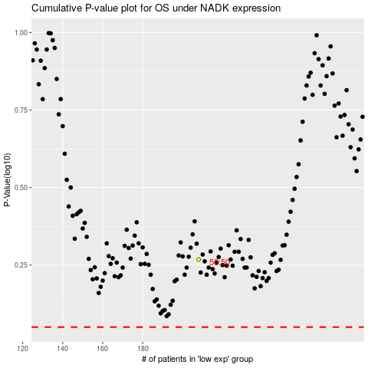

 |  |  |  |  |  | cases_OS | p_OS | rank | exp
 |  |  |  |  |  |  | cases_RFS | p_RFS | rank | exp

