NAF1 _multivariate
Reported by Tex Li-Hsing Chi. tex@gate.sinica.edu.tw 2019-08-17

Table 2. The clinicopathological features of HNSCC cohort and NAF1 expression. (Chi square test)
Cutoff at -0.099 (49.8%)
 |  | NAF1 expression |  | NAF1 expression |  | (Optimised)
 | Features | Low | (%) | High | (%) | Case no | P-value | Remark | Matthews
Gender | Female | 149 | 35.9 | 157 | 37.8 | 415 | 0.4848 | 0 | 0
2 | Male | 58 | 14 | 51 | 12.3
Age at diagnosis | <=65y | 135 | 32.5 | 139 | 33.5 | 415 | 0.8084 | 0 | 0
4 | >65y | 72 | 17.3 | 69 | 16.6
Clinical T Status | T1+T2 | 85 | 20.5 | 64 | 15.4 | 415 | 0.0372 | 1 | 0
6 | T3+T4 | 122 | 29.4 | 144 | 34.7
Clinical N Status | N0 | 116 | 28 | 100 | 24.1 | 415 | 0.1273 | 1 | 0
8 | N1-3 | 91 | 21.9 | 108 | 26
Clinical M Status | M0 | 205 | 49.4 | 207 | 49.9 | 415 | 0.6232 | 0 | 0
10 | M1 | 2 | 0.5 | 1 | 0.2
Clinical Stage | Stage I+II | 64 | 15.4 | 38 | 9.2 | 415 | 0.004 | 1 | 0
12 | Stage III+IV | 143 | 34.5 | 170 | 41
Surgical Margin status | Negative | 162 | 39 | 156 | 37.6 | 415 | 0.4867 | 0 | 0
14 | Positive | 45 | 10.8 | 52 | 12.5
Tobacco Exposure | Low | 89 | 21.4 | 72 | 17.3 | 415 | 0.0872 | 0 | 0
16 | High | 118 | 28.4 | 136 | 32.8

Table 3. Univariate/Multivariate Cox's proportional hazards regression analyses on OS time of NAF1 gene expression in HNSCC

 |  | Univariate |  |  |  | Multivariate
 | Features | HR | CI95%(L) | CI95%(H) | P-value | HR | CI95%(L) | CI95%(H) | P-value
1 | Female | 1 |  |  |  | 1
Gender | Male | 1.157 | 0.843 | 1.587 | 0.367 | 1.216 | 0.87 | 1.699 | 0.253
11 | <=65y | 1 |  |  |  | 1
Age at diagnosis | >65y | 1.329 | 0.99 | 1.784 | 0.058 | 1.399 | 1.029 | 1.903 | 0.032
12 | T1+T2 | 1 |  |  |  | 1
Clinical T Status | T3+T4 | 1.409 | 1.028 | 1.931 | 0.033 | 2.229 | 1.178 | 4.217 | 0.014
13 | N0 | 1 |  |  |  | 1
Clinical N Status | N1-3 | 1.185 | 0.89 | 1.577 | 0.246 | 1.248 | 0.874 | 1.781 | 0.223
14 | M0 | 1 |  |  |  | 1
Clinical M Status | M1 | 4.097 | 1.009 | 16.644 | 0.049 | 10.054 | 2.181 | 46.345 | 0.003
15 | Stage I+II | 1 |  |  |  | 1
Clinical Stage | Stage III+IV | 1.245 | 0.882 | 1.759 | 0.213 | 0.484 | 0.224 | 1.042 | 0.064
16 | Negative | 1 |  |  |  | 1
Surgical Margin status | Positive | 1.591 | 1.155 | 2.191 | 0.004 | 1.663 | 1.203 | 2.299 | 0.002
17 | Low | 1 |  |  |  | 1
Tobacco Exposure | High | 1.364 | 1.008 | 1.844 | 0.044 | 1.45 | 1.052 | 1.998 | 0.023
18 | Low | 1 |  |  |  | 1
RNAseq(z-score) | High | 1.167 | 0.875 | 1.556 | 0.294 | 1.166 | 0.869 | 1.565 | 0.306

Table 4. Univariate/Multivariate Cox's proportional hazards regression analyses on RFS time of NAF1 gene expression in HNSCC

 |  | Univariate |  |  |  | Multivariate
 | Features | HR | CI95%(L) | CI95%(H) | P-value | HR | CI95%(L) | CI95%(H) | P-value
1 | Female | 1 |  |  |  | 1
Gender | Male | 1.157 | 0.843 | 1.587 | 0.367 | 1.216 | 0.87 | 1.699 | 0.253
11 | <=65y | 1 |  |  |  | 1
Age at diagnosis | >65y | 1.329 | 0.99 | 1.784 | 0.058 | 1.399 | 1.029 | 1.903 | 0.032
12 | T1+T2 | 1 |  |  |  | 1
Clinical T Status | T3+T4 | 1.409 | 1.028 | 1.931 | 0.033 | 2.229 | 1.178 | 4.217 | 0.014
13 | N0 | 1 |  |  |  | 1
Clinical N Status | N1-3 | 1.185 | 0.89 | 1.577 | 0.246 | 1.248 | 0.874 | 1.781 | 0.223
14 | M0 | 1 |  |  |  | 1
Clinical M Status | M1 | 4.097 | 1.009 | 16.644 | 0.049 | 10.054 | 2.181 | 46.345 | 0.003
15 | Stage I+II | 1 |  |  |  | 1
Clinical Stage | Stage III+IV | 1.245 | 0.882 | 1.759 | 0.213 | 0.484 | 0.224 | 1.042 | 0.064
16 | Negative | 1 |  |  |  | 1
Surgical Margin status | Positive | 1.591 | 1.155 | 2.191 | 0.004 | 1.663 | 1.203 | 2.299 | 0.002
17 | Low | 1 |  |  |  | 1
Tobacco Exposure | High | 1.364 | 1.008 | 1.844 | 0.044 | 1.45 | 1.052 | 1.998 | 0.023
18 | Low | 1 |  |  |  | 1
RNAseq(z-score) | High | 1.167 | 0.875 | 1.556 | 0.294 | 1.166 | 0.869 | 1.565 | 0.306

Kaplan-Meier survival estimate: Cutoff at -0.099 (49.8%)



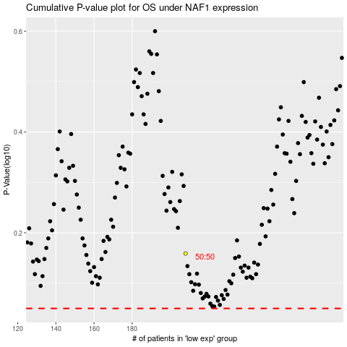

 |  |  |  |  |  | cases_OS | p_OS | rank | exp
 |  |  |  |  |  |  | cases_RFS | p_RFS | rank | exp

