NAGLU _multivariate
Reported by Tex Li-Hsing Chi. tex@gate.sinica.edu.tw 2019-08-17

Table 2. The clinicopathological features of HNSCC cohort and NAGLU expression. (Chi square test)
Cutoff at -0.202 (50.0%)
 |  | NAGLU expression |  | NAGLU expression |  | (Optimised)
 | Features | Low | (%) | High | (%) | Case no | P-value | Remark | Matthews
Gender | Female | 150 | 36.1 | 156 | 37.6 | 415 | 0.6344 | 0 | 0
2 | Male | 57 | 13.7 | 52 | 12.5
Age at diagnosis | <=65y | 143 | 34.5 | 131 | 31.6 | 415 | 0.2269 | 0 | 0
4 | >65y | 64 | 15.4 | 77 | 18.6
Clinical T Status | T1+T2 | 79 | 19 | 70 | 16.9 | 415 | 0.3924 | 0 | 0
6 | T3+T4 | 128 | 30.8 | 138 | 33.3
Clinical N Status | N0 | 103 | 24.8 | 113 | 27.2 | 415 | 0.4047 | 0 | 0
8 | N1-3 | 104 | 25.1 | 95 | 22.9
Clinical M Status | M0 | 205 | 49.4 | 207 | 49.9 | 415 | 0.6232 | 0 | 0
10 | M1 | 2 | 0.5 | 1 | 0.2
Clinical Stage | Stage I+II | 48 | 11.6 | 54 | 13 | 415 | 0.5878 | 0 | 0
12 | Stage III+IV | 159 | 38.3 | 154 | 37.1
Surgical Margin status | Negative | 154 | 37.1 | 164 | 39.5 | 415 | 0.2984 | 0 | 0
14 | Positive | 53 | 12.8 | 44 | 10.6
Tobacco Exposure | Low | 84 | 20.2 | 77 | 18.6 | 415 | 0.4816 | 0 | 0
16 | High | 123 | 29.6 | 131 | 31.6

Table 3. Univariate/Multivariate Cox's proportional hazards regression analyses on OS time of NAGLU gene expression in HNSCC

 |  | Univariate |  |  |  | Multivariate
 | Features | HR | CI95%(L) | CI95%(H) | P-value | HR | CI95%(L) | CI95%(H) | P-value
1 | Female | 1 |  |  |  | 1
Gender | Male | 1.157 | 0.843 | 1.587 | 0.367 | 1.209 | 0.864 | 1.692 | 0.268
11 | <=65y | 1 |  |  |  | 1
Age at diagnosis | >65y | 1.329 | 0.99 | 1.784 | 0.058 | 1.386 | 1.019 | 1.885 | 0.038
12 | T1+T2 | 1 |  |  |  | 1
Clinical T Status | T3+T4 | 1.409 | 1.028 | 1.931 | 0.033 | 2.169 | 1.141 | 4.125 | 0.018
13 | N0 | 1 |  |  |  | 1
Clinical N Status | N1-3 | 1.185 | 0.89 | 1.577 | 0.246 | 1.24 | 0.869 | 1.769 | 0.236
14 | M0 | 1 |  |  |  | 1
Clinical M Status | M1 | 4.097 | 1.009 | 16.644 | 0.049 | 9.327 | 2.033 | 42.787 | 0.004
15 | Stage I+II | 1 |  |  |  | 1
Clinical Stage | Stage III+IV | 1.245 | 0.882 | 1.759 | 0.213 | 0.513 | 0.238 | 1.109 | 0.09
16 | Negative | 1 |  |  |  | 1
Surgical Margin status | Positive | 1.591 | 1.155 | 2.191 | 0.004 | 1.672 | 1.21 | 2.31 | 0.002
17 | Low | 1 |  |  |  | 1
Tobacco Exposure | High | 1.364 | 1.008 | 1.844 | 0.044 | 1.454 | 1.055 | 2.003 | 0.022
18 | Low | 1 |  |  |  | 1
RNAseq(z-score) | High | 1.107 | 0.829 | 1.479 | 0.489 | 1.054 | 0.785 | 1.415 | 0.726

Table 4. Univariate/Multivariate Cox's proportional hazards regression analyses on RFS time of NAGLU gene expression in HNSCC

 |  | Univariate |  |  |  | Multivariate
 | Features | HR | CI95%(L) | CI95%(H) | P-value | HR | CI95%(L) | CI95%(H) | P-value
1 | Female | 1 |  |  |  | 1
Gender | Male | 1.157 | 0.843 | 1.587 | 0.367 | 1.209 | 0.864 | 1.692 | 0.268
11 | <=65y | 1 |  |  |  | 1
Age at diagnosis | >65y | 1.329 | 0.99 | 1.784 | 0.058 | 1.386 | 1.019 | 1.885 | 0.038
12 | T1+T2 | 1 |  |  |  | 1
Clinical T Status | T3+T4 | 1.409 | 1.028 | 1.931 | 0.033 | 2.169 | 1.141 | 4.125 | 0.018
13 | N0 | 1 |  |  |  | 1
Clinical N Status | N1-3 | 1.185 | 0.89 | 1.577 | 0.246 | 1.24 | 0.869 | 1.769 | 0.236
14 | M0 | 1 |  |  |  | 1
Clinical M Status | M1 | 4.097 | 1.009 | 16.644 | 0.049 | 9.327 | 2.033 | 42.787 | 0.004
15 | Stage I+II | 1 |  |  |  | 1
Clinical Stage | Stage III+IV | 1.245 | 0.882 | 1.759 | 0.213 | 0.513 | 0.238 | 1.109 | 0.09
16 | Negative | 1 |  |  |  | 1
Surgical Margin status | Positive | 1.591 | 1.155 | 2.191 | 0.004 | 1.672 | 1.21 | 2.31 | 0.002
17 | Low | 1 |  |  |  | 1
Tobacco Exposure | High | 1.364 | 1.008 | 1.844 | 0.044 | 1.454 | 1.055 | 2.003 | 0.022
18 | Low | 1 |  |  |  | 1
RNAseq(z-score) | High | 1.107 | 0.829 | 1.479 | 0.489 | 1.054 | 0.785 | 1.415 | 0.726

Kaplan-Meier survival estimate: Cutoff at -0.202 (50.0%)

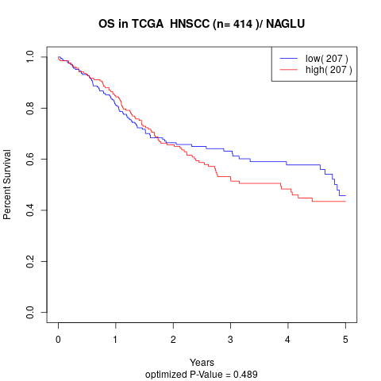

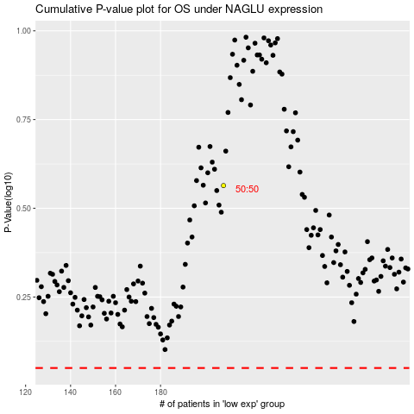

 |  |  |  |  |  | cases_OS | p_OS | rank | exp
 |  |  |  |  |  |  | cases_RFS | p_RFS | rank | exp

