NAIF1 _multivariate
Reported by Tex Li-Hsing Chi. tex@gate.sinica.edu.tw 2019-08-17

Table 2. The clinicopathological features of HNSCC cohort and NAIF1 expression. (Chi square test)
Cutoff at -0.196 (49.8%)
 |  | NAIF1 expression |  | NAIF1 expression |  | (Optimised)
 | Features | Low | (%) | High | (%) | Case no | P-value | Remark | Matthews
Gender | Female | 157 | 37.8 | 149 | 35.9 | 415 | 0.3881 | 0 | 0
2 | Male | 50 | 12 | 59 | 14.2
Age at diagnosis | <=65y | 142 | 34.2 | 132 | 31.8 | 415 | 0.3167 | 0 | 0
4 | >65y | 65 | 15.7 | 76 | 18.3
Clinical T Status | T1+T2 | 71 | 17.1 | 78 | 18.8 | 415 | 0.5638 | 0 | 0
6 | T3+T4 | 136 | 32.8 | 130 | 31.3
Clinical N Status | N0 | 100 | 24.1 | 116 | 28 | 415 | 0.1548 | 0 | 0
8 | N1-3 | 107 | 25.8 | 92 | 22.2
Clinical M Status | M0 | 207 | 49.9 | 205 | 49.4 | 415 | 0.2482 | 0 | 0
10 | M1 | 0 | 0 | 3 | 0.7
Clinical Stage | Stage I+II | 48 | 11.6 | 54 | 13 | 415 | 0.5878 | 0 | 0
12 | Stage III+IV | 159 | 38.3 | 154 | 37.1
Surgical Margin status | Negative | 156 | 37.6 | 162 | 39 | 415 | 0.5636 | 0 | 0
14 | Positive | 51 | 12.3 | 46 | 11.1
Tobacco Exposure | Low | 83 | 20 | 78 | 18.8 | 415 | 0.6152 | 0 | 0
16 | High | 124 | 29.9 | 130 | 31.3

Table 3. Univariate/Multivariate Cox's proportional hazards regression analyses on OS time of NAIF1 gene expression in HNSCC

 |  | Univariate |  |  |  | Multivariate
 | Features | HR | CI95%(L) | CI95%(H) | P-value | HR | CI95%(L) | CI95%(H) | P-value
1 | Female | 1 |  |  |  | 1
Gender | Male | 1.157 | 0.843 | 1.587 | 0.367 | 1.21 | 0.865 | 1.693 | 0.265
11 | <=65y | 1 |  |  |  | 1
Age at diagnosis | >65y | 1.329 | 0.99 | 1.784 | 0.058 | 1.397 | 1.027 | 1.899 | 0.033
12 | T1+T2 | 1 |  |  |  | 1
Clinical T Status | T3+T4 | 1.409 | 1.028 | 1.931 | 0.033 | 2.198 | 1.163 | 4.155 | 0.015
13 | N0 | 1 |  |  |  | 1
Clinical N Status | N1-3 | 1.185 | 0.89 | 1.577 | 0.246 | 1.238 | 0.868 | 1.766 | 0.239
14 | M0 | 1 |  |  |  | 1
Clinical M Status | M1 | 4.097 | 1.009 | 16.644 | 0.049 | 9.753 | 2.111 | 45.065 | 0.004
15 | Stage I+II | 1 |  |  |  | 1
Clinical Stage | Stage III+IV | 1.245 | 0.882 | 1.759 | 0.213 | 0.507 | 0.236 | 1.089 | 0.082
16 | Negative | 1 |  |  |  | 1
Surgical Margin status | Positive | 1.591 | 1.155 | 2.191 | 0.004 | 1.675 | 1.212 | 2.315 | 0.002
17 | Low | 1 |  |  |  | 1
Tobacco Exposure | High | 1.364 | 1.008 | 1.844 | 0.044 | 1.465 | 1.061 | 2.021 | 0.02
18 | Low | 1 |  |  |  | 1
RNAseq(z-score) | High | 1.02 | 0.766 | 1.359 | 0.89 | 0.934 | 0.698 | 1.25 | 0.646

Table 4. Univariate/Multivariate Cox's proportional hazards regression analyses on RFS time of NAIF1 gene expression in HNSCC

 |  | Univariate |  |  |  | Multivariate
 | Features | HR | CI95%(L) | CI95%(H) | P-value | HR | CI95%(L) | CI95%(H) | P-value
1 | Female | 1 |  |  |  | 1
Gender | Male | 1.157 | 0.843 | 1.587 | 0.367 | 1.21 | 0.865 | 1.693 | 0.265
11 | <=65y | 1 |  |  |  | 1
Age at diagnosis | >65y | 1.329 | 0.99 | 1.784 | 0.058 | 1.397 | 1.027 | 1.899 | 0.033
12 | T1+T2 | 1 |  |  |  | 1
Clinical T Status | T3+T4 | 1.409 | 1.028 | 1.931 | 0.033 | 2.198 | 1.163 | 4.155 | 0.015
13 | N0 | 1 |  |  |  | 1
Clinical N Status | N1-3 | 1.185 | 0.89 | 1.577 | 0.246 | 1.238 | 0.868 | 1.766 | 0.239
14 | M0 | 1 |  |  |  | 1
Clinical M Status | M1 | 4.097 | 1.009 | 16.644 | 0.049 | 9.753 | 2.111 | 45.065 | 0.004
15 | Stage I+II | 1 |  |  |  | 1
Clinical Stage | Stage III+IV | 1.245 | 0.882 | 1.759 | 0.213 | 0.507 | 0.236 | 1.089 | 0.082
16 | Negative | 1 |  |  |  | 1
Surgical Margin status | Positive | 1.591 | 1.155 | 2.191 | 0.004 | 1.675 | 1.212 | 2.315 | 0.002
17 | Low | 1 |  |  |  | 1
Tobacco Exposure | High | 1.364 | 1.008 | 1.844 | 0.044 | 1.465 | 1.061 | 2.021 | 0.02
18 | Low | 1 |  |  |  | 1
RNAseq(z-score) | High | 1.02 | 0.766 | 1.359 | 0.89 | 0.934 | 0.698 | 1.25 | 0.646

Kaplan-Meier survival estimate: Cutoff at -0.196 (49.8%)



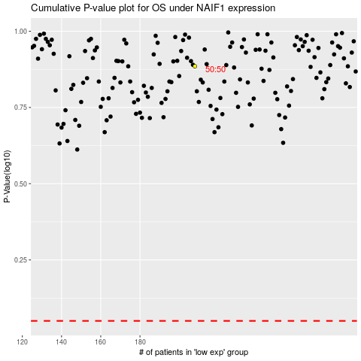

 |  |  |  |  |  | cases_OS | p_OS | rank | exp
 |  |  |  |  |  |  | cases_RFS | p_RFS | rank | exp

